Figure 1
 | Coal | Natural Gas | NG with CCS | Oil | Hydro | Nuclear | Wind | Solar | Biofuels
2010 | 13780 | 18945 | 0 | 4609 | 75149 | 13345 | 3746 | 281 | 1800
2011 | 13254 | 19355 | 0 | 3916 | 75465 | 13345 | 5171 | 419 | 1830
2012 | 12420 | 19891 | 0 | 3641 | 76520 | 13345 | 5883 | 647 | 1885
2013 | 11446 | 20066 | 0 | 3645 | 75991 | 14345 | 7467 | 1028 | 1914
2014 | 9642 | 20153 | 0 | 3656 | 78565 | 14273 | 9405 | 1523 | 2369
2015 | 9517 | 21931 | 0 | 3501 | 79677 | 14273 | 10946 | 2135 | 2237
2016 | 9517 | 21567 | 0 | 3559 | 80625 | 14273 | 11767 | 2416 | 2516
2017 | 9517 | 22087 | 0 | 3595 | 80922 | 13338 | 12673 | 2614 | 2447
2018 | 8929 | 22566 | 0 | 3615 | 81383 | 13338 | 12782 | 2720 | 2460
2019 | 8929 | 22577 | 0 | 3625 | 81383 | 13338 | 13206 | 2740 | 2260
2020 | 8522 | 24323 | 0 | 3625 | 81383 | 12513 | 13532 | 2760 | 2279
2021 | 7369 | 24389 | 0 | 3659 | 82307 | 12513 | 13723 | 2981 | 2298
2022 | 6039 | 25031 | 0 | 3135 | 83312 | 11578 | 15085 | 3533 | 2318
2023 | 2844 | 28590 | 0 | 3135 | 83312 | 9818 | 15229 | 3701 | 2378
2024 | 2844 | 29185 | 400 | 3139 | 83478 | 11578 | 15798 | 3874 | 2389
2025 | 2844 | 29586 | 500 | 3170 | 84692 | 9676 | 16453 | 4027 | 2399
2026 | 2553 | 27437 | 600 | 5238 | 84700 | 8451 | 16641 | 4399 | 2400
2027 | 2553 | 26067 | 600 | 5238 | 84725 | 9389 | 17943 | 4630 | 2400
2028 | 1978 | 26067 | 1463 | 5494 | 84740 | 10229 | 19029 | 4738 | 2450
2029 | 1978 | 26067 | 1822 | 5494 | 84745 | 9407 | 20512 | 5375 | 2441
2030 | 1978 | 26067 | 3027 | 5499 | 84745 | 10247 | 24025 | 6220 | 2441
2031 | 1978 | 26067 | 3257 | 5504 | 84968 | 9425 | 27334 | 6891 | 2441
2032 | 1978 | 26067 | 4471 | 5409 | 84993 | 10265 | 31565 | 7871 | 2441
2033 | 1978 | 26067 | 4896 | 5409 | 84993 | 10270 | 32249 | 8708 | 2491
2034 | 1978 | 26067 | 6445 | 5409 | 85193 | 11110 | 33103 | 9574 | 2491
2035 | 1822 | 26067 | 6895 | 5342 | 85285 | 11110 | 33849 | 11593 | 2491
2036 | 1822 | 26067 | 6975 | 5346 | 85548 | 11110 | 34745 | 12237 | 2501
2037 | 1546 | 26067 | 6975 | 5346 | 85673 | 11115 | 35547 | 12979 | 2510
2038 | 1546 | 26067 | 7055 | 5346 | 85786 | 11115 | 38522 | 13817 | 2520
2039 | 1391 | 26067 | 7985 | 5346 | 85786 | 11125 | 39420 | 14508 | 2529
2040 | 1391 | 26067 | 7985 | 5346 | 85827 | 11145 | 42296 | 16921 | 2539
2041 | 115 | 25777 | 7985 | 4296 | 85938 | 10460 | 43378 | 17766 | 2548
2042 | 115 | 25777 | 8185 | 4296 | 86039 | 10480 | 46666 | 18891 | 2557
2043 | 115 | 25777 | 8620 | 4262 | 86039 | 10500 | 47991 | 19887 | 2557
2044 | 115 | 25627 | 8620 | 4262 | 86039 | 11204 | 51408 | 21054 | 2557
2045 | 115 | 25627 | 8820 | 4262 | 86039 | 11229 | 52583 | 23439 | 2557
2046 | 115 | 25477 | 8820 | 4262 | 86060 | 11279 | 55784 | 24448 | 2567
2047 | 115 | 25427 | 8920 | 4262 | 86080 | 11379 | 56624 | 25106 | 2568
2048 | 115 | 25277 | 8920 | 4262 | 86101 | 11479 | 59472 | 25919 | 2568
2049 | 115 | 25127 | 8920 | 4262 | 86114 | 11579 | 60118 | 26465 | 2569
2050 | 115 | 24977 | 8920 | 4262 | 86114 | 11579 | 60736 | 26983 | 2569

Figure 2
 | Coal | Natural Gas | NG + CCS | Oil | Hydro | Nuclear | Wind | Solar | Biofuels
2010 | 71.26 | 54.09 | 0.00 | 5.19 | 347.94 | 85.53 | 8.35 | 0.12 | 8.27
2011 | 65.18 | 63.51 | 0.00 | 4.56 | 371.95 | 88.29 | 11.62 | 0.40 | 8.72
2012 | 63.09 | 63.90 | 0.00 | 4.27 | 375.76 | 89.49 | 13.72 | 0.84 | 9.04
2013 | 64.78 | 60.40 | 0.00 | 4.07 | 387.40 | 97.58 | 17.54 | 1.17 | 9.21
2014 | 64.24 | 59.04 | 0.00 | 6.62 | 378.79 | 101.21 | 21.48 | 1.76 | 12.00
2015 | 57.14 | 65.74 | 0.00 | 5.27 | 378.50 | 96.05 | 26.69 | 1.43 | 8.46
2016 | 57.24 | 63.42 | 0.00 | 5.09 | 381.71 | 95.69 | 30.62 | 1.78 | 10.24
2017 | 55.27 | 62.93 | 0.00 | 4.15 | 390.77 | 95.57 | 31.20 | 2.00 | 6.30
2018 | 46.52 | 66.98 | 0.00 | 4.19 | 382.16 | 95.03 | 32.81 | 2.19 | 9.26
2019 | 44.04 | 69.56 | 0.00 | 3.72 | 376.00 | 95.47 | 32.33 | 2.19 | 8.89
2020 | 31.13 | 74.47 | 0.00 | 3.51 | 386.16 | 83.45 | 35.39 | 2.25 | 7.76
2021 | 35.37 | 76.99 | 0.00 | 3.36 | 392.95 | 78.64 | 37.21 | 2.59 | 7.92
2022 | 19.47 | 83.92 | 0.00 | 3.20 | 414.01 | 81.05 | 48.92 | 3.48 | 8.09
2023 | 5.48 | 101.92 | 0.00 | 3.37 | 419.88 | 69.92 | 49.03 | 3.73 | 8.15
2024 | 5.57 | 94.61 | 1.58 | 2.79 | 420.56 | 80.29 | 52.06 | 4.10 | 8.17
2025 | 4.95 | 97.76 | 1.97 | 3.53 | 426.25 | 73.39 | 54.36 | 4.34 | 8.20
2026 | 4.77 | 102.82 | 2.37 | 6.68 | 426.44 | 68.05 | 54.96 | 4.95 | 8.23
2027 | 4.35 | 94.06 | 2.76 | 4.56 | 426.60 | 74.34 | 62.09 | 5.29 | 8.18
2028 | 3.91 | 87.16 | 6.16 | 3.43 | 426.63 | 80.78 | 65.91 | 5.40 | 8.10
2029 | 3.92 | 88.09 | 7.58 | 5.99 | 426.22 | 75.83 | 70.64 | 6.78 | 8.05
2030 | 3.74 | 76.39 | 12.33 | 2.61 | 434.74 | 82.68 | 79.87 | 7.80 | 7.91
2031 | 3.74 | 79.00 | 13.23 | 7.30 | 435.60 | 75.98 | 86.95 | 8.73 | 7.83
2032 | 2.58 | 67.48 | 18.02 | 4.93 | 435.57 | 82.82 | 93.86 | 9.82 | 7.69
2033 | 2.63 | 66.12 | 19.70 | 5.90 | 435.92 | 82.86 | 94.76 | 11.23 | 7.69
2034 | 2.65 | 56.42 | 25.80 | 4.77 | 437.01 | 89.71 | 96.74 | 12.78 | 7.65
2035 | 2.46 | 53.99 | 27.58 | 4.55 | 437.76 | 91.53 | 98.44 | 16.55 | 7.63
2036 | 2.50 | 42.45 | 27.89 | 6.08 | 439.37 | 91.53 | 101.70 | 18.24 | 7.69
2037 | 2.53 | 42.15 | 27.89 | 5.64 | 440.27 | 91.57 | 105.08 | 20.13 | 7.72
2038 | 2.50 | 40.07 | 28.21 | 5.53 | 440.77 | 91.57 | 112.79 | 22.12 | 7.73
2039 | 2.12 | 36.75 | 31.87 | 5.86 | 441.19 | 91.66 | 116.89 | 24.42 | 7.76
2040 | 2.07 | 35.33 | 31.87 | 5.23 | 441.46 | 91.82 | 124.09 | 28.84 | 7.76
2041 | 0.10 | 35.39 | 31.87 | 7.92 | 442.33 | 87.05 | 129.40 | 32.49 | 7.78
2042 | 0.10 | 35.44 | 32.07 | 5.88 | 442.99 | 87.21 | 138.72 | 36.51 | 7.77
2043 | 0.10 | 35.46 | 33.19 | 6.60 | 443.42 | 87.38 | 144.90 | 41.16 | 7.74
2044 | 0.09 | 34.68 | 33.19 | 4.28 | 443.70 | 92.94 | 155.14 | 45.59 | 7.72
2045 | 0.09 | 34.81 | 33.39 | 4.86 | 444.11 | 93.15 | 159.91 | 51.15 | 7.70
2046 | 0.09 | 34.51 | 33.39 | 4.58 | 444.50 | 93.57 | 169.03 | 54.49 | 7.71
2047 | 0.09 | 35.09 | 33.39 | 4.99 | 445.04 | 94.40 | 173.41 | 56.98 | 7.70
2048 | 0.09 | 34.65 | 33.39 | 4.37 | 445.45 | 95.23 | 180.92 | 58.94 | 7.68
2049 | 0.09 | 35.23 | 33.39 | 4.83 | 445.23 | 96.06 | 184.78 | 60.76 | 7.67
2050 | 0.09 | 35.77 | 33.39 | 5.72 | 446.46 | 96.06 | 188.62 | 62.18 | 7.66

Figure 3
 | Biomass | Coal | Hydro | Natural Gas | NG + CCS | Oil | Solar | Nuclear | Wind
Additions | 0.32 | 0.00 | 4.73 | 5.08 | 8.92 | 0.00 | 24.22 | 0.40 | 47.20
Retirements | 0.20 | 8.81 | 0.00 | 4.50 | 0.00 | 1.77 | 0.00 | 2.26 | 0.00
 | 0.00 | 0.00 | 0.00 | 0.00 | 0.00 | 0.00 | 0.00 | 0.00 | 0.00
Additions | 0.46 | 0.00 | 5.50 | 11.25 | 2.15 | 0.00 | 8.70 | 0.00 | 15.00
Retirements | 0.20 | 8.18 | 0.00 | 2.60 | 0.00 | 1.64 | 0.00 | 2.26 | 0.00

Figure 4 data
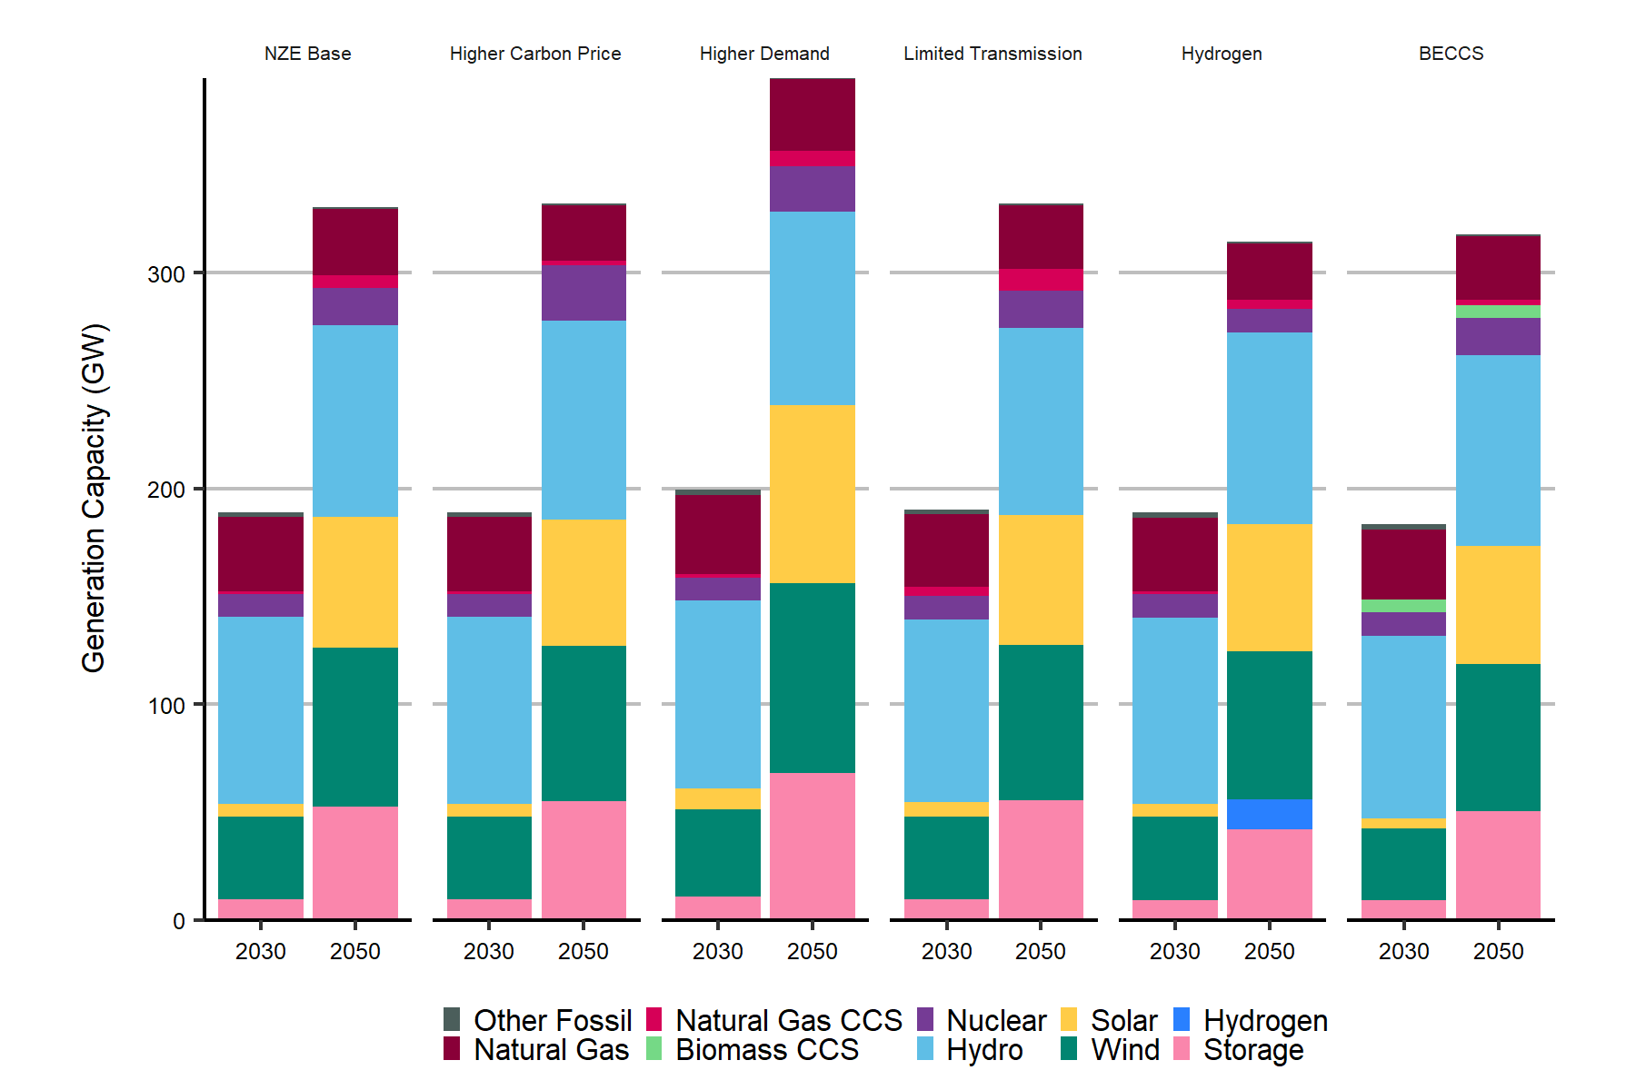
Installed Capacity by Technology 2030 vs. 2050 - Towards Net Zero Electricity Scenarios
Gigawatt (GW)

Scenario | Year | Other Fossil | Natural Gas | Natural Gas CCS | Biomass CCS | Nuclear | Hydro | Solar | Wind | Hydrogen | Storage
NZE Base | 2030 | 2.35 | 34.36 | 1.18 | - | 10.71 | 86.56 | 5.92 | 38.49 | - | 9.44
NZE Base | 2050 | 0.76 | 30.82 | 5.60 | - | 17.32 | 88.93 | 60.59 | 73.86 | - | 52.34
Higher Carbon Price | 2030 | 2.35 | 34.36 | 1.18 | - | 10.71 | 86.56 | 5.92 | 38.49 | - | 9.44
Higher Carbon Price | 2050 | 0.76 | 25.39 | 2.20 | - | 25.65 | 92.45 | 58.50 | 72.05 | - | 54.88
Higher Demand | 2030 | 2.35 | 36.44 | 1.78 | - | 10.71 | 86.92 | 9.93 | 40.51 | - | 10.66
Higher Demand | 2050 | 0.76 | 33.14 | 7.31 | - | 20.69 | 89.89 | 82.65 | 87.93 | - | 68.01
Limited Transmission | 2030 | 2.35 | 33.62 | 4.24 | - | 10.71 | 85.03 | 6.61 | 38.29 | - | 9.52
Limited Transmission | 2050 | 0.76 | 29.51 | 10.13 | - | 17.32 | 86.62 | 60.24 | 72.08 | - | 55.35
Hydrogen | 2030 | 2.35 | 34.31 | 1.18 | - | 10.71 | 86.56 | 5.89 | 38.45 | 0.06 | 9.27
Hydrogen | 2050 | 0.76 | 25.91 | 4.47 | - | 10.71 | 88.92 | 59.03 | 68.79 | 13.90 | 41.84
BECCS | 2030 | 2.35 | 32.53 | 0.00 | 6.00 | 10.71 | 84.72 | 4.63 | 33.50 | - | 9.00
BECCS | 2050 | 0.76 | 29.51 | 2.54 | 6.00 | 17.32 | 88.57 | 54.55 | 68.27 | - | 50.35

