Figure 1
Scenario Overview

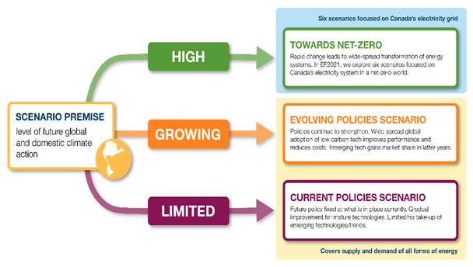

Figure 2
 | Coal | RPP | Natural Gas | Nuclear | Renewables | Hydro | Total Demand - Current Policies Scenario
2010 | 936 | 4804 | 3957 | 955 | 931 | 1254 | 12837
2011 | 906 | 4800 | 4234 | 1048 | 919 | 1341 | 13248
2012 | 762 | 4913 | 4323 | 1020 | 938 | 1355 | 13311
2013 | 761 | 4841 | 4486 | 1118 | 988 | 1395 | 13589
2014 | 725 | 4756 | 4578 | 1190 | 1015 | 1363 | 13627
2015 | 732 | 4783 | 4739 | 1064 | 1081 | 1362 | 13762
2016 | 804 | 4846 | 4609 | 1060 | 890 | 1374 | 13582
2017 | 845 | 4907 | 4700 | 1058 | 905 | 1406 | 13821
2018 | 750 | 5039 | 4985 | 1052 | 973 | 1375 | 14175
2019 | 713 | 5067 | 5045 | 1057 | 976 | 1353 | 14211
2020 | 503 | 4290 | 4940 | 924 | 966 | 1390 | 13159
2021 | 582 | 4610 | 5026 | 871 | 1038 | 1414 | 13709
2022 | 409 | 4846 | 5070 | 898 | 1122 | 1490 | 14020
2023 | 265 | 4819 | 5225 | 774 | 1164 | 1511 | 14004
2024 | 262 | 4772 | 5114 | 889 | 1224 | 1513 | 14111
2025 | 244 | 4722 | 5084 | 813 | 1276 | 1534 | 14056
2026 | 230 | 4696 | 5075 | 754 | 1323 | 1535 | 14014
2027 | 209 | 4593 | 4970 | 823 | 1396 | 1535 | 14049
2028 | 192 | 4489 | 4876 | 895 | 1452 | 1535 | 14015
2029 | 183 | 4425 | 4828 | 840 | 1518 | 1534 | 13995
2030 | 160 | 4284 | 4700 | 916 | 1601 | 1564 | 14022
2031 | 154 | 4249 | 4683 | 841 | 1652 | 1567 | 14049
2032 | 133 | 4124 | 4579 | 917 | 1696 | 1567 | 14118
2033 | 130 | 4041 | 4517 | 918 | 1719 | 1569 | 14139
2034 | 126 | 3931 | 4411 | 993 | 1744 | 1573 | 14177
2035 | 118 | 3827 | 4321 | 1014 | 1773 | 1575 | 14142
2036 | 115 | 3742 | 4150 | 1014 | 1796 | 1581 | 14116
2037 | 112 | 3637 | 4076 | 1014 | 1817 | 1584 | 14104
2038 | 109 | 3538 | 4001 | 1014 | 1854 | 1586 | 14102
2039 | 100 | 3447 | 3955 | 1015 | 1877 | 1588 | 14122
2040 | 97 | 3345 | 3866 | 1017 | 1914 | 1589 | 14108
2041 | 68 | 3277 | 3783 | 964 | 1944 | 1592 | 14066
2042 | 66 | 3159 | 3700 | 966 | 1988 | 1594 | 14082
2043 | 64 | 3079 | 3634 | 968 | 2022 | 1596 | 14127
2044 | 62 | 2963 | 3547 | 1038 | 2071 | 1597 | 14212
2045 | 61 | 2890 | 3467 | 1041 | 2095 | 1598 | 14252
2046 | 60 | 2818 | 3386 | 1045 | 2120 | 1600 | 14293
2047 | 59 | 2759 | 3325 | 1054 | 2125 | 1601 | 14355
2048 | 58 | 2693 | 3261 | 1064 | 2140 | 1603 | 14409
2049 | 58 | 2643 | 3218 | 1073 | 2143 | 1602 | 14479
2050 | 58 | 2601 | 3182 | 1073 | 2144 | 1607 | 14560

Figure 3
 | Coal | Natural Gas | NG + CCS | Oil | Hydro | Nuclear | Wind | Solar | Biofuels
2010 | 71.26 | 54.09 | 0.00 | 5.19 | 347.94 | 85.53 | 8.35 | 0.12 | 8.27
2011 | 65.18 | 63.51 | 0.00 | 4.56 | 371.95 | 88.29 | 11.62 | 0.40 | 8.72
2012 | 63.09 | 63.90 | 0.00 | 4.27 | 375.76 | 89.49 | 13.72 | 0.84 | 9.04
2013 | 64.78 | 60.40 | 0.00 | 4.07 | 387.40 | 97.58 | 17.54 | 1.17 | 9.21
2014 | 64.24 | 59.04 | 0.00 | 6.62 | 378.79 | 101.21 | 21.48 | 1.76 | 12.00
2015 | 57.14 | 65.74 | 0.00 | 5.27 | 378.50 | 96.05 | 26.69 | 1.43 | 8.46
2016 | 57.24 | 63.42 | 0.00 | 5.09 | 381.71 | 95.69 | 30.62 | 1.78 | 10.24
2017 | 55.27 | 62.93 | 0.00 | 4.15 | 390.77 | 95.57 | 31.20 | 2.00 | 6.30
2018 | 46.52 | 66.98 | 0.00 | 4.19 | 382.16 | 95.03 | 32.81 | 2.19 | 9.26
2019 | 44.04 | 69.56 | 0.00 | 3.72 | 376.00 | 95.47 | 32.33 | 2.19 | 8.89
2020 | 31.13 | 74.47 | 0.00 | 3.51 | 386.16 | 83.45 | 35.39 | 2.25 | 7.76
2021 | 35.37 | 76.99 | 0.00 | 3.36 | 392.95 | 78.64 | 37.20 | 2.59 | 7.92
2022 | 19.47 | 83.92 | 0.00 | 3.20 | 414.01 | 81.05 | 48.90 | 3.45 | 8.09
2023 | 5.48 | 101.92 | 0.00 | 3.37 | 419.88 | 69.92 | 49.04 | 3.69 | 8.15
2024 | 5.57 | 94.61 | 1.58 | 2.79 | 420.56 | 80.29 | 52.00 | 3.99 | 8.17
2025 | 4.95 | 97.76 | 1.97 | 3.53 | 426.25 | 73.39 | 54.33 | 4.26 | 8.20
2026 | 4.77 | 102.82 | 2.37 | 6.68 | 426.44 | 68.05 | 54.93 | 4.84 | 8.23
2027 | 4.35 | 94.06 | 2.76 | 4.56 | 426.60 | 74.34 | 62.61 | 5.16 | 8.18
2028 | 3.91 | 87.16 | 6.16 | 3.43 | 426.63 | 80.78 | 66.48 | 5.24 | 8.10
2029 | 3.92 | 88.09 | 7.58 | 5.99 | 426.22 | 75.83 | 71.82 | 6.54 | 8.05
2030 | 3.74 | 76.39 | 12.33 | 2.61 | 434.74 | 82.68 | 80.92 | 7.51 | 7.91
2031 | 3.74 | 79.00 | 13.23 | 7.30 | 435.60 | 75.98 | 87.92 | 8.15 | 7.83
2032 | 2.58 | 67.48 | 18.02 | 4.93 | 435.57 | 82.82 | 94.69 | 9.07 | 7.69
2033 | 2.63 | 66.12 | 19.70 | 5.90 | 435.92 | 82.86 | 95.30 | 10.25 | 7.69
2034 | 2.65 | 56.42 | 25.80 | 4.77 | 437.01 | 89.71 | 96.94 | 11.51 | 7.65
2035 | 2.46 | 53.99 | 27.58 | 4.55 | 437.76 | 91.53 | 97.46 | 14.25 | 7.63
2036 | 2.50 | 42.45 | 27.89 | 6.08 | 439.37 | 91.53 | 99.64 | 15.08 | 7.69
2037 | 2.53 | 42.15 | 27.89 | 5.64 | 440.27 | 91.57 | 102.16 | 16.15 | 7.72
2038 | 2.50 | 40.07 | 28.21 | 5.53 | 440.77 | 91.57 | 108.64 | 17.01 | 7.73
2039 | 2.12 | 36.75 | 31.87 | 5.86 | 441.19 | 91.66 | 111.38 | 18.09 | 7.76
2040 | 2.07 | 35.33 | 31.87 | 5.23 | 441.46 | 91.82 | 116.38 | 20.96 | 7.76
2041 | 0.10 | 35.39 | 31.87 | 7.92 | 442.33 | 87.05 | 119.09 | 22.27 | 7.78
2042 | 0.10 | 35.44 | 32.07 | 5.88 | 442.99 | 87.21 | 125.38 | 23.41 | 7.77
2043 | 0.10 | 35.46 | 33.19 | 6.60 | 443.42 | 87.38 | 127.92 | 24.77 | 7.74
2044 | 0.09 | 34.68 | 33.19 | 4.28 | 443.70 | 92.94 | 134.76 | 26.08 | 7.72
2045 | 0.09 | 34.81 | 33.39 | 4.86 | 444.11 | 93.15 | 136.50 | 29.00 | 7.70
2046 | 0.09 | 34.51 | 33.39 | 4.58 | 444.50 | 93.57 | 143.24 | 30.16 | 7.71
2047 | 0.09 | 35.09 | 33.39 | 4.99 | 445.04 | 94.40 | 146.14 | 31.34 | 7.70
2048 | 0.09 | 34.65 | 33.39 | 4.37 | 445.45 | 95.23 | 152.76 | 32.36 | 7.68
2049 | 0.09 | 35.23 | 33.39 | 4.83 | 445.23 | 96.06 | 155.92 | 33.52 | 7.67
2050 | 0.09 | 35.77 | 33.39 | 5.72 | 446.46 | 96.06 | 159.16 | 34.68 | 7.66

Figure 4
 | Storage | Hydrogen | Wind | Solar | Hydro | Nuclear | Biomass CCS | Natural Gas CCS | Natural Gas
NZE Base | 52.34 | 0.00 | 60.81 | 57.59 | 4.21 | 6.61 | 0.00 | 5.60 | 13.97
Higher Carbon Price | 54.88 | 0.00 | 59.00 | 55.50 | 7.73 | 14.94 | 0.00 | 2.20 | 9.83
Higher Demand | 68.01 | 0.00 | 74.89 | 79.65 | 5.17 | 9.99 | 0.00 | 7.31 | 17.10
Limited Transmission | 55.35 | 0.00 | 59.03 | 57.24 | 1.90 | 6.61 | 0.00 | 10.13 | 12.67
Hydrogen | 41.84 | 13.90 | 55.75 | 56.03 | 4.20 | 0.00 | 0.00 | 4.47 | 10.41
BECCS | 50.35 | 0.00 | 55.22 | 51.55 | 3.85 | 6.61 | 6.00 | 2.54 | 12.66

Figure 5 data
Electricity Generation Share by Technology - Main Net-Zero Electricity Scenario
Percentage (%)

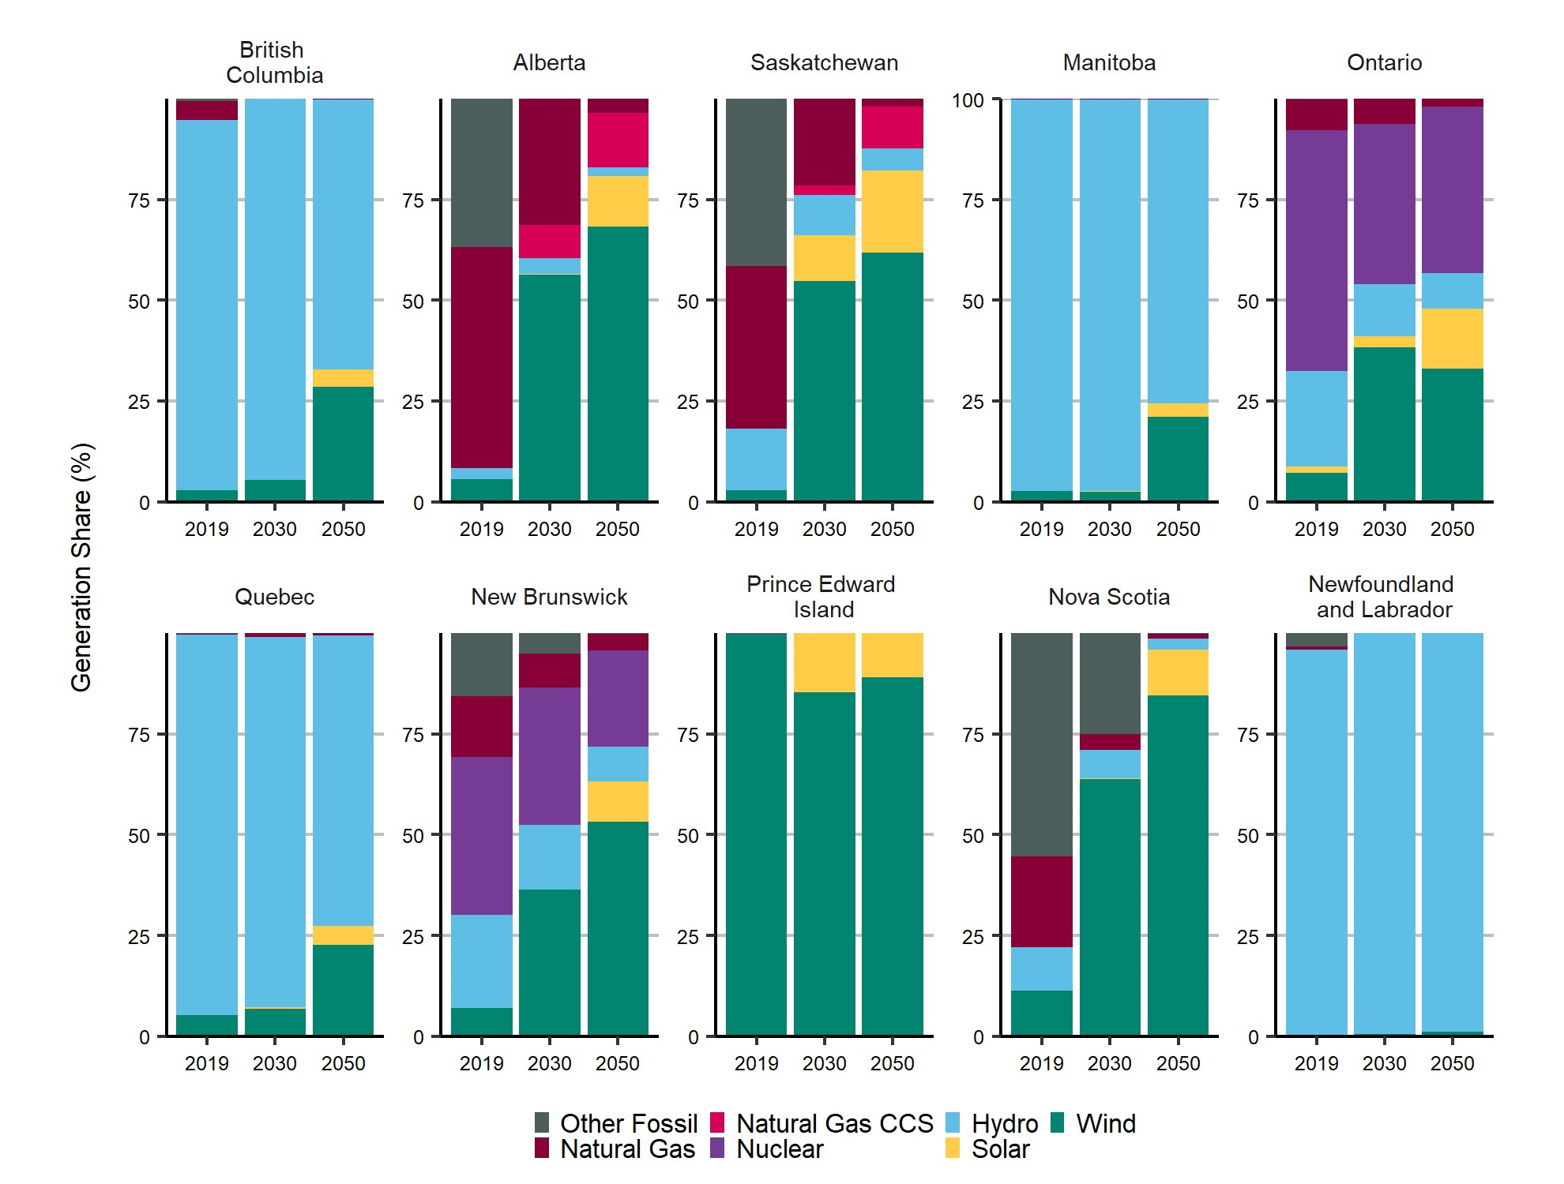
Scenario | Region | Year | Other Fossil | Natural Gas | Natural Gas CCS | Nuclear | Hydro | Solar | Wind
Historic | British Columbia | 2019 | 0.01 | 0.05 | - | 0.00 | 0.92 | 0.00 | 0.03
Base NZE | British Columbia | 2030 | - | 0.00 | - | 0.00 | 0.95 | 0.00 | 0.05
Base NZE | British Columbia | 2050 | - | 0.00 | - | 0.00 | 0.67 | 0.04 | 0.29
Historic | Alberta | 2019 | 0.37 | 0.55 | - | 0.00 | 0.03 | 0.00 | 0.06
Base NZE | Alberta | 2030 | 0.00 | 0.31 | 0.08 | 0.00 | 0.04 | 0.00 | 0.56
Base NZE | Alberta | 2050 | 0.00 | 0.04 | 0.14 | 0.00 | 0.02 | 0.13 | 0.68
Historic | Saskatchewan | 2019 | 0.42 | 0.40 | - | 0.00 | 0.15 | 0.00 | 0.03
Base NZE | Saskatchewan | 2030 | 0.00 | 0.22 | 0.02 | 0.00 | 0.10 | 0.11 | 0.55
Base NZE | Saskatchewan | 2050 | 0.00 | 0.02 | 0.10 | 0.00 | 0.06 | 0.20 | 0.62
Historic | Manitoba | 2019 | 0.00 | 0.00 | - | 0.00 | 0.97 | 0.00 | 0.03
Base NZE | Manitoba | 2030 | - | 0.00 | - | 0.00 | 0.97 | 0.00 | 0.03
Base NZE | Manitoba | 2050 | - | 0.00 | - | 0.00 | 0.76 | 0.03 | 0.21
Historic | Ontario | 2019 | 0.00 | 0.08 | - | 0.60 | 0.24 | 0.01 | 0.07
Base NZE | Ontario | 2030 | - | 0.06 | - | 0.40 | 0.13 | 0.03 | 0.38
Base NZE | Ontario | 2050 | - | 0.02 | - | 0.42 | 0.09 | 0.15 | 0.33
Historic | Quebec | 2019 | 0.00 | 0.00 | - | 0.00 | 0.94 | 0.00 | 0.05
Base NZE | Quebec | 2030 | - | 0.01 | - | 0.00 | 0.92 | 0.01 | 0.07
Base NZE | Quebec | 2050 | - | 0.01 | - | 0.00 | 0.72 | 0.05 | 0.23
Historic | New Brunswick | 2019 | 0.16 | 0.15 | - | 0.39 | 0.23 | 0.00 | 0.07
Base NZE | New Brunswick | 2030 | 0.05 | 0.09 | - | 0.34 | 0.16 | 0.00 | 0.36
Base NZE | New Brunswick | 2050 | 0.00 | 0.04 | - | 0.24 | 0.09 | 0.10 | 0.53
Historic | Prince Edward Island | 2019 | 0.01 | 0.00 | - | 0.00 | 0.00 | 0.00 | 1.00
Base NZE | Prince Edward Island | 2030 | - | 0.00 | - | 0.00 | 0.00 | 0.15 | 0.85
Base NZE | Prince Edward Island | 2050 | - | 0.00 | - | 0.00 | 0.00 | 0.11 | 0.89
Historic | Nova Scotia | 2019 | 0.55 | 0.23 | - | 0.00 | 0.11 | 0.00 | 0.11
Base NZE | Nova Scotia | 2030 | 0.25 | 0.04 | - | 0.00 | 0.07 | 0.00 | 0.64
Base NZE | Nova Scotia | 2050 | 0.00 | 0.01 | - | 0.00 | 0.03 | 0.11 | 0.85
Historic | Newfoundland and Labrador | 2019 | 0.03 | 0.01 | - | 0.00 | 0.96 | 0.00 | 0.00
Base NZE | Newfoundland and Labrador | 2030 | - | 0.00 | - | 0.00 | 1.00 | 0.00 | 0.00
Base NZE | Newfoundland and Labrador | 2050 | - | 0.00 | - | 0.00 | 0.99 | 0.00 | 0.01

Figure 6
 | Conventional Light | Conventional Heavy | C5+ | Condensate | Mined Bitumen | In Situ Bitumen | Total Production - Current Policies Scenario
 | 0.72 | 0.49 | 0.11 | 0.04 | 0.86 | 0.75 | 2.98
 | 0.76 | 0.50 | 0.10 | 0.04 | 0.89 | 0.85 | 3.14
 | 0.77 | 0.54 | 0.09 | 0.05 | 0.93 | 0.99 | 3.38
 | 0.83 | 0.55 | 0.09 | 0.06 | 0.98 | 1.11 | 3.62
 | 0.83 | 0.61 | 0.10 | 0.09 | 0.96 | 1.26 | 3.86
 | 0.72 | 0.54 | 0.10 | 0.13 | 1.16 | 1.38 | 4.03
 | 0.68 | 0.51 | 0.10 | 0.18 | 1.15 | 1.40 | 4.01
 | 0.68 | 0.53 | 0.10 | 0.23 | 1.28 | 1.55 | 4.38
 | 0.68 | 0.60 | 0.14 | 0.31 | 1.47 | 1.57 | 4.78
 | 0.66 | 0.65 | 0.15 | 0.34 | 1.55 | 1.55 | 4.90
 | 0.59 | 0.61 | 0.13 | 0.35 | 1.49 | 1.50 | 4.66
 | 0.57 | 0.62 | 0.14 | 0.36 | 1.61 | 1.65 | 4.99
 | 0.60 | 0.68 | 0.15 | 0.40 | 1.66 | 1.72 | 5.27
 | 0.62 | 0.74 | 0.15 | 0.43 | 1.69 | 1.79 | 5.53
 | 0.64 | 0.79 | 0.15 | 0.45 | 1.70 | 1.86 | 5.73
 | 0.63 | 0.80 | 0.16 | 0.48 | 1.70 | 1.90 | 5.82
 | 0.60 | 0.78 | 0.16 | 0.50 | 1.70 | 1.96 | 5.91
 | 0.57 | 0.75 | 0.17 | 0.51 | 1.70 | 2.04 | 6.00
 | 0.54 | 0.73 | 0.17 | 0.52 | 1.70 | 2.09 | 6.04
 | 0.53 | 0.72 | 0.17 | 0.53 | 1.70 | 2.13 | 6.13
 | 0.51 | 0.72 | 0.17 | 0.54 | 1.70 | 2.15 | 6.18
 | 0.49 | 0.73 | 0.17 | 0.55 | 1.70 | 2.16 | 6.27
 | 0.47 | 0.73 | 0.18 | 0.57 | 1.70 | 2.18 | 6.38
 | 0.45 | 0.71 | 0.18 | 0.57 | 1.70 | 2.18 | 6.46
 | 0.45 | 0.70 | 0.18 | 0.58 | 1.70 | 2.17 | 6.53
 | 0.42 | 0.67 | 0.18 | 0.58 | 1.70 | 2.16 | 6.56
 | 0.40 | 0.66 | 0.18 | 0.58 | 1.70 | 2.14 | 6.60
 | 0.38 | 0.65 | 0.18 | 0.59 | 1.69 | 2.13 | 6.63
 | 0.36 | 0.63 | 0.18 | 0.60 | 1.69 | 2.11 | 6.65
 | 0.35 | 0.62 | 0.18 | 0.61 | 1.68 | 2.10 | 6.68
 | 0.34 | 0.60 | 0.18 | 0.61 | 1.66 | 2.08 | 6.68
 | 0.33 | 0.59 | 0.18 | 0.60 | 1.64 | 2.07 | 6.68
 | 0.32 | 0.58 | 0.18 | 0.60 | 1.62 | 2.05 | 6.67
 | 0.30 | 0.57 | 0.18 | 0.60 | 1.60 | 2.03 | 6.68
 | 0.29 | 0.56 | 0.18 | 0.60 | 1.58 | 2.02 | 6.69
 | 0.28 | 0.54 | 0.17 | 0.59 | 1.56 | 2.00 | 6.68
 | 0.26 | 0.52 | 0.17 | 0.59 | 1.54 | 1.99 | 6.68
 | 0.24 | 0.50 | 0.17 | 0.58 | 1.51 | 1.97 | 6.65
 | 0.22 | 0.49 | 0.17 | 0.57 | 1.49 | 1.96 | 6.63
 | 0.21 | 0.47 | 0.17 | 0.57 | 1.46 | 1.94 | 6.61
 | 0.20 | 0.46 | 0.17 | 0.56 | 1.44 | 1.93 | 6.61

Figure 7
 | Solution Gas | Coalbed Methane | Conventional | Tight | Shale | Total Production - Current Policies Scenario
 | 1.42 | 0.89 | 7.02 | 5.10 | 0.16 | 14.58
 | 1.50 | 0.87 | 6.33 | 5.52 | 0.36 | 14.58
 | 1.70 | 0.82 | 5.36 | 5.62 | 0.42 | 13.91
 | 1.95 | 0.79 | 4.93 | 5.85 | 0.55 | 14.07
 | 2.25 | 0.76 | 4.78 | 6.46 | 0.54 | 14.79
 | 2.38 | 0.76 | 4.27 | 7.30 | 0.47 | 15.18
 | 2.20 | 0.70 | 3.63 | 8.28 | 0.51 | 15.31
 | 2.16 | 0.64 | 3.23 | 9.02 | 0.48 | 15.53
 | 2.35 | 0.56 | 2.73 | 10.01 | 0.51 | 16.16
 | 2.46 | 0.46 | 2.28 | 10.00 | 0.50 | 15.71
 | 2.32 | 0.45 | 2.17 | 9.97 | 0.53 | 15.46
 | 2.67 | 0.42 | 1.99 | 10.28 | 0.52 | 15.87
 | 2.60 | 0.38 | 1.83 | 10.43 | 0.51 | 15.75
 | 2.57 | 0.34 | 1.69 | 10.42 | 0.50 | 15.58
 | 2.56 | 0.31 | 1.56 | 10.51 | 0.49 | 15.60
 | 2.55 | 0.28 | 1.45 | 10.86 | 0.49 | 15.93
 | 2.53 | 0.25 | 1.34 | 11.33 | 0.49 | 16.39
 | 2.50 | 0.23 | 1.25 | 11.46 | 0.49 | 16.53
 | 2.48 | 0.21 | 1.16 | 11.28 | 0.47 | 16.40
 | 2.45 | 0.19 | 1.08 | 11.14 | 0.46 | 16.34
 | 2.40 | 0.17 | 1.00 | 11.20 | 0.46 | 16.52
 | 2.35 | 0.15 | 0.93 | 11.56 | 0.46 | 17.03
 | 2.30 | 0.14 | 0.87 | 11.89 | 0.46 | 17.53
 | 2.24 | 0.13 | 0.82 | 11.89 | 0.46 | 17.73
 | 2.19 | 0.11 | 0.77 | 11.74 | 0.45 | 17.80
 | 2.14 | 0.10 | 0.72 | 11.64 | 0.45 | 17.93
 | 2.09 | 0.09 | 0.68 | 11.58 | 0.44 | 18.11
 | 2.04 | 0.08 | 0.64 | 11.53 | 0.44 | 18.30
 | 2.00 | 0.08 | 0.60 | 11.90 | 0.45 | 18.93
 | 1.95 | 0.07 | 0.57 | 12.28 | 0.46 | 19.87
 | 1.90 | 0.06 | 0.54 | 12.18 | 0.46 | 20.23
 | 1.86 | 0.06 | 0.51 | 12.03 | 0.45 | 20.26
 | 1.82 | 0.05 | 0.48 | 11.92 | 0.45 | 20.41
 | 1.77 | 0.05 | 0.46 | 11.82 | 0.45 | 21.03
 | 1.73 | 0.04 | 0.43 | 11.72 | 0.45 | 21.82
 | 1.68 | 0.04 | 0.41 | 11.61 | 0.44 | 22.05
 | 1.63 | 0.03 | 0.39 | 11.50 | 0.44 | 22.03
 | 1.58 | 0.03 | 0.37 | 11.37 | 0.44 | 22.06
 | 1.53 | 0.03 | 0.35 | 11.22 | 0.43 | 22.10
 | 1.49 | 0.03 | 0.34 | 11.08 | 0.43 | 22.12
 | 1.44 | 0.02 | 0.32 | 10.94 | 0.42 | 22.16

