ES.1
Figure ES.1 - Energy Production by Province and Territory, 2014 and 2040

 |  | Electricity Generation (GW.h) |  | Crude Oil Production (Thousand Barrels Per Day) |  |  | Natural Gas Production (Bcf/d)

 |  | 2014 | 2040 |  | 2014 | 2040 |  | 2014 | 2040
 | British Columbia | 67862.5004 | 87495.4047 | British Columbia | 49.535273743 | 87.370006088 | British Columbia | 4.0040013301 | 8.1580027101
 | Alberta | 81341.6438 | 133704.5463 | Alberta | 3051.7315677 | 5437.6201628 | Alberta | 9.8780032815 | 9.4740031473
 | Saskatchewan | 25880.4274 | 33907.9491 | Saskatchewan | 509.20191137 | 429.25061426 | Saskatchewan | 0.43500014451 | 0.19900006611
 | Manitoba | 39479.2007 | 56381.5211 | Manitoba | 45.961661831 | 14.079155446 | Manitoba | 0 | 0
 | Ontario | 167170.9681 | 181219.0308 | Ontario | 1.197229176 | 0.015022719176 | Ontario | 0.010000003322 | 0.0020000006644
 | Quebec | 194347.6945 | 228908.4582 | Quebec | 0 | 0 | Quebec | 0 | 0
 | New Brunswick | 9969.8145 | 14108.9276 | New Brunswick | 0 | 0 | New Brunswick | 0.0090000029898 | 0
 | Nova Scotia | 12408.1405 | 11739.3898 | Nova Scotia | 2.89432 | 0 | Nova Scotia | 0.32200010697 | 0.036000011959
 | Prince Edward Island | 668.7628 | 861.4696 | Prince Edward Island | 0 | 0 | Prince Edward Island | 0 | 0
 | Newfoundland & Labrador | 41056.7663 | 45814.6946 | Newfoundland and Labrador | 216.1 | 84.344986762 | Newfoundland and Labrador | 0 | 0
 | Yukon | 369.196 | 512.4297 | Yukon | 0 | 0 | Yukon | 0 | 0
 | Northwest Territories | 744.8968 | 1004.5006 | Northwest Territories | 10.63348 | 2.8099896625 | Northwest Territories | 0.011000003654 | 0
 | Nunavut | 151.6819 | 179.2613 | Nunavut | 0 | 0 | Nunavut | 0 | 0

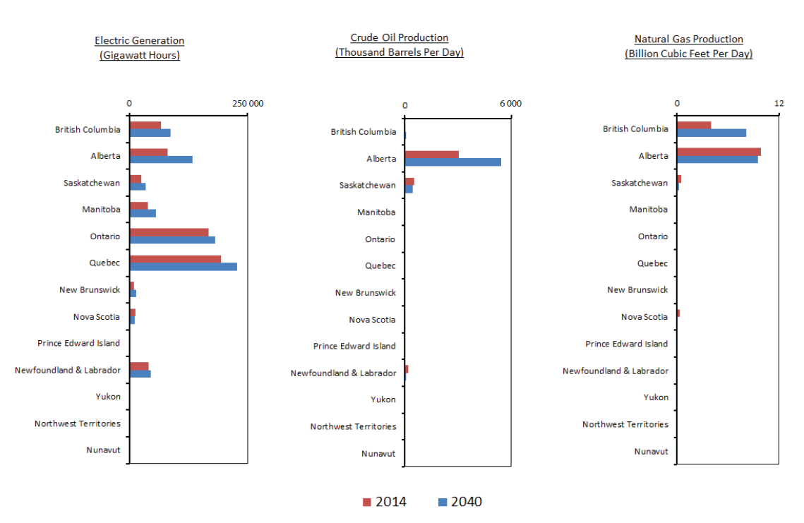

ES.2
Figure ES.2 - Projected End-use Fuel Mix by Province and Territory, 2040

 | British Columbia | Alberta | Saskatchewan | Manitoba | Ontario | Quebec | New Brunswick | Nova Scotia | Prince Edward Island | Newfoundland & Labrador | Yukon | Northwest Territories | Nunavut
Refined Petroleum Products and Natural Gas Liquids | 476.83 | 1,661.87 | 225.00 | 134.35 | 1,387.89 | 635.78 | 148.94 | 110.58 | 17.16 | 85.43 | 4.02 | 10.53 | 3.34
Electricity | 273.53 | 460.59 | 107.40 | 102.39 | 577.44 | 785.64 | 53.71 | 41.70 | 8.77 | 45.96 | 1.59 | 4.37 | 0.63
Natural Gas | 558.64 | 3,220.41 | 384.87 | 108.13 | 1,213.70 | 280.43 | 32.25 | 10.08 | 0.98 | 5.14 | 0.18 | 0.37 | 0.00
Other | 96.31 | 83.24 | 14.76 | 13.30 | 201.06 | 145.11 | 18.83 | 13.74 | 1.62 | 8.95 | 0.10 | 0.94 | 0.00

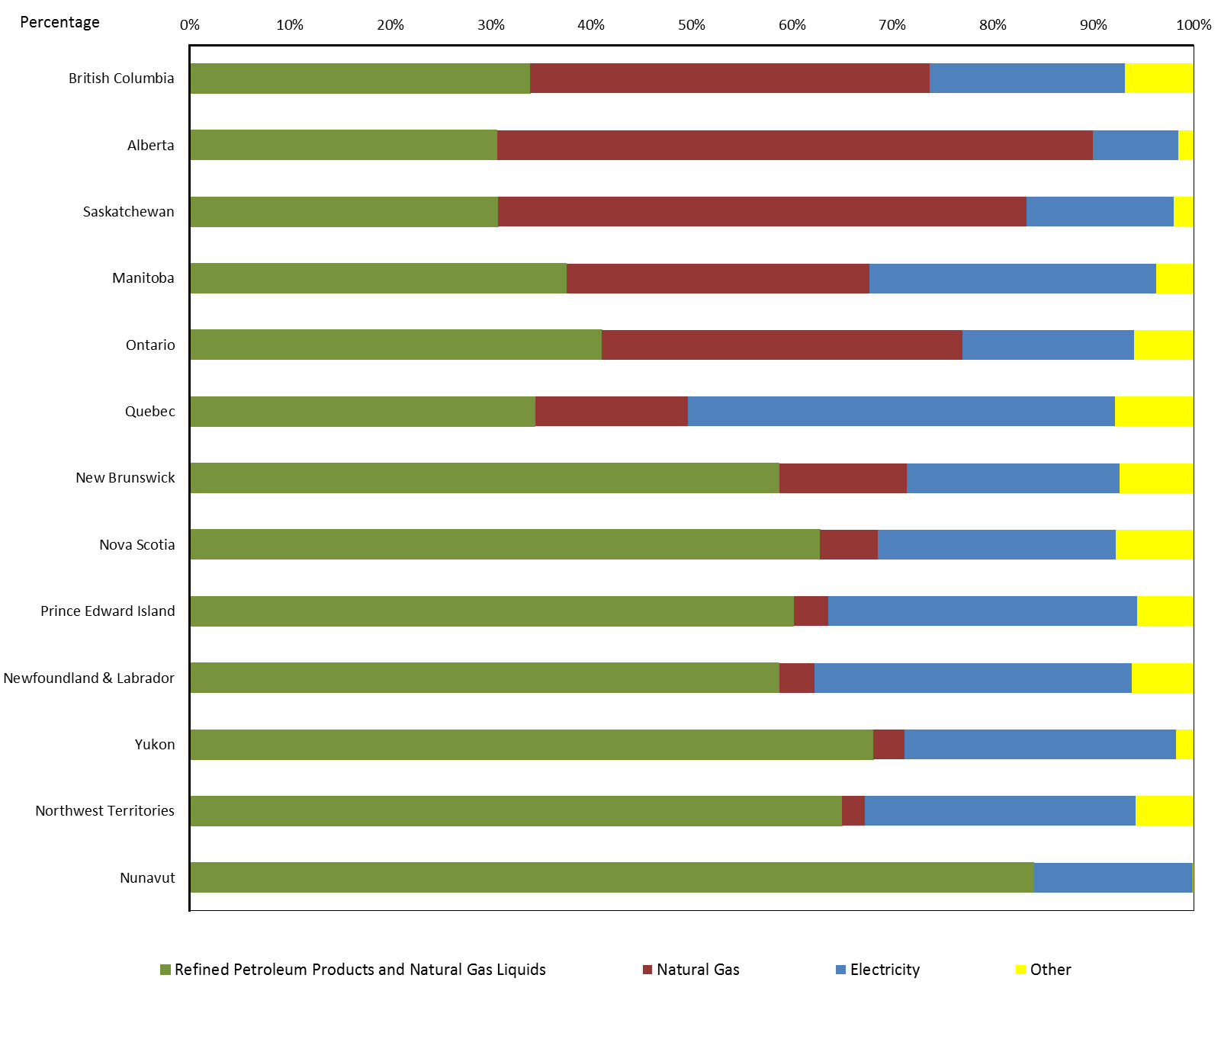

Figure 1.1
Figure 1.1 - Overview of EF 2016 Projection and Key Assumptions

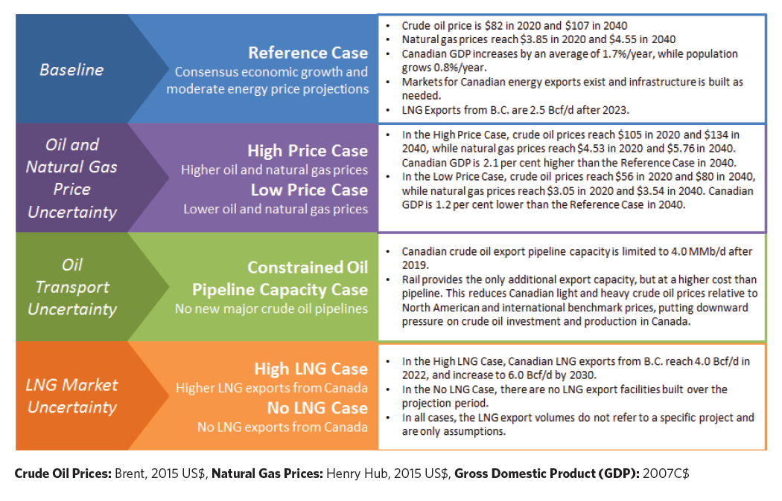

Figure 2.1
Figure 2.1 - Electric Generation by Province and Territory

 | Chart 1
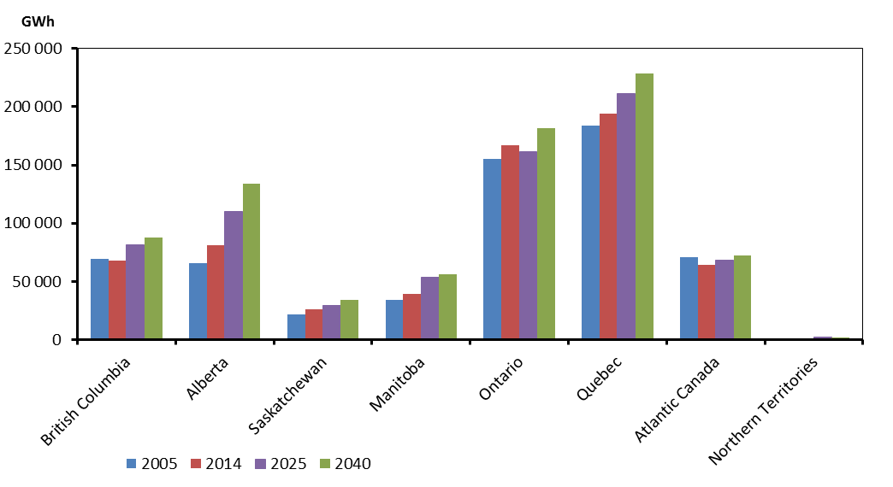
 |  | 2005 | 2014 | 2025 | 2040
 | British Columbia | 69030.2405 | 67862.5004 | 81351.1502 | 87495.4047
 | Alberta | 65258.2415 | 81341.6438 | 109747.0152 | 133704.5463
 | Saskatchewan | 21574.6557 | 25880.4274 | 28993.286 | 33907.9491
 | Manitoba | 34077.3811 | 39479.2007 | 53530.0065 | 56381.5211
 | Ontario | 154991.019 | 167170.9681 | 161565.1781 | 181219.0308
 | Quebec | 183852.873 | 194347.6945 | 211521.8821 | 228908.4582
 | Atlantic Canada | 70578.9453 | 64103.4841 | 67830.055 | 72524.4816
 | Northern Territories | 1186.409 | 1265.7747 | 1740.5717 | 1696.1916

 | Chart 2

 |  | 2005 | 2014 | 2025 | 2040
 | New Brunswick | 16533.1088 | 9969.8145 | 11880.6321 | 14108.9276
 | Nova Scotia | 12503.6989 | 12408.1405 | 10350.8376 | 11739.3898
 | Prince Edward Island | 7.739 | 668.7628 | 623.46 | 861.4696
 | Newfoundland and Labrador | 41534.3986 | 41056.7663 | 44975.1253 | 45814.6946
 | Yukon | 353.134 | 369.196 | 503.1617 | 512.4297
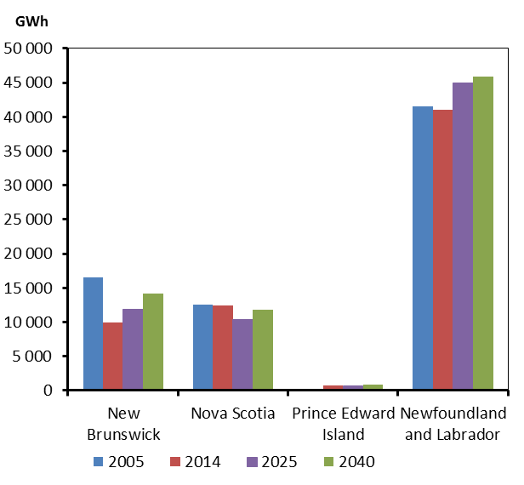
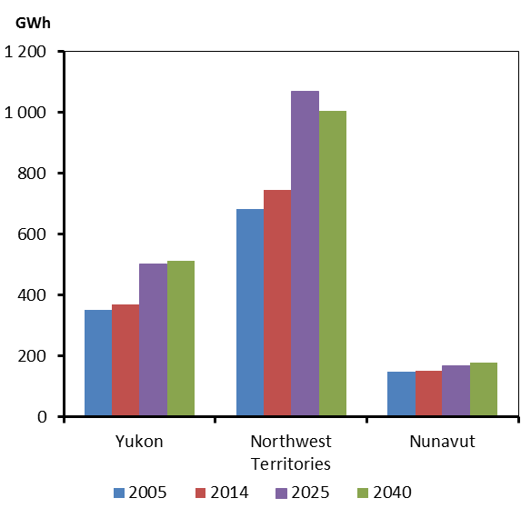
 | Northwest Territories | 684.394 | 744.8968 | 1069.9649 | 1004.5006
 | Nunavut | 148.881 | 151.6819 | 167.4451 | 179.2613

Figure 2.2
Figure 2.2 - Capacity Mix by Province and Territory, 2014 and 2040

 | CN |  | BC |  | AB |  | SK |  | MB |  | ON |  | QC |  | NB |  | NS |  | PEI |  | NL |  | YK |  | NWT |  | NU
 | '14 | '40 | '14 | '40 | '14 | '40 | '14 | '40 | '14 | '40 | '14 | '40 | '14 | '40 | '14 | '40 | '14 | '40 | '14 | '40 | '14 | '40 | '14 | '40 | '14 | '40 | '14 | '40
Hydro / Wave / Tidal | 77202.95 | 87438.65 | 13979.37 | 17302.38 | 874.35 | 874.35 | 855.31 | 955.31 | 5238.79 | 7423.79 | 8562.489 | 9498.088 | 39411.2 | 42161.2 | 956.8 | 991.8 | 401.2 | 451.2 | 0 | 0 | 6783.061 | 7607.061 | 84.9 | 94.9 | 55.48 | 63.98 | 0 | 14.6
Wind | 9040.811 | 19449.26 | 512.25 | 1133.65 | 1420.37 | 2743.37 | 196.68 | 1623.68 | 258.45 | 638.45 | 2756.35 | 6833.35 | 2862.02 | 5044.47 | 409 | 474 | 364.6 | 630.4 | 196.78 | 266.78 | 54.3 | 54.3 | 0.81 | 5.81 | 9.2 | 1 | 0 | 0
Biomass / Geothermal | 2250.6 | 3811.45 | 810.67 | 1260.67 | 285.61 | 526.61 | 0 | 161 | 22 | 22 | 620.12 | 1062.12 | 270.24 | 526.59 | 127.3 | 127.3 | 112.56 | 112.56 | 2.1 | 2.1 | 0 | 0 | 0 | 6.5 | 0 | 4 | 0 | 0
Solar | 1453.257 | 4969.857 | 2.281 | 23.281 | 4.466 | 204.466 | 1.719 | 76.719 | 2 | 27 | 1441.46 | 4601.46 | 0.297 | 0.297 | 0.162 | 30.162 | 0 | 0 | 0 | 0 | 0.015 | 0.015 | 0.044 | 0.044 | 0.415 | 6.015 | 0.033 | 0.033
Uranium | 14320 | 11080 | 0 | 0 | 0 | 0 | 0 | 0 | 0 | 0 | 13640 | 10400 | 0 | 0 | 680 | 680 | 0 | 0 | 0 | 0 | 0 | 0 | 0 | 0 | 0 | 0 | 0 | 0
Coal & Coke | 10219.32 | 5388.8 | 0 | 0 | 6391.3 | 3576.8 | 1651.38 | 505 | 97.64 | 0 | 306 | 0 | 0 | 0 | 485 | 485 | 1288 | 822 | 0 | 0 | 0 | 0 | 0 | 0 | 0 | 0 | 0 | 0
Natural Gas | 21584.91 | 37871.95 | 1472.23 | 762.2349 | 6578.97 | 19078.97 | 1709.96 | 3901.976 | 378.48 | 478.48 | 9949.901 | 11638.9 | 538.16 | 538.3798 | 345 | 0 | 482.01 | 1003.01 | 0 | 0 | 103 | 283 | 0 | 149.8 | 27.2 | 37.2 | 0 | 0
Oil | 3487.36 | 2830.07 | 82.46 | 82.46 | 7.15 | 107.15 | 1.17 | 1.17 | 12.12 | 12.12 | 131.04 | 131.04 | 415.12 | 186.08 | 1593.04 | 1564.34 | 222.3 | 222.3 | 155.45 | 155.45 | 690.59 | 186.44 | 33.57 | 23.57 | 89.07 | 95.67 | 54.28 | 62.28
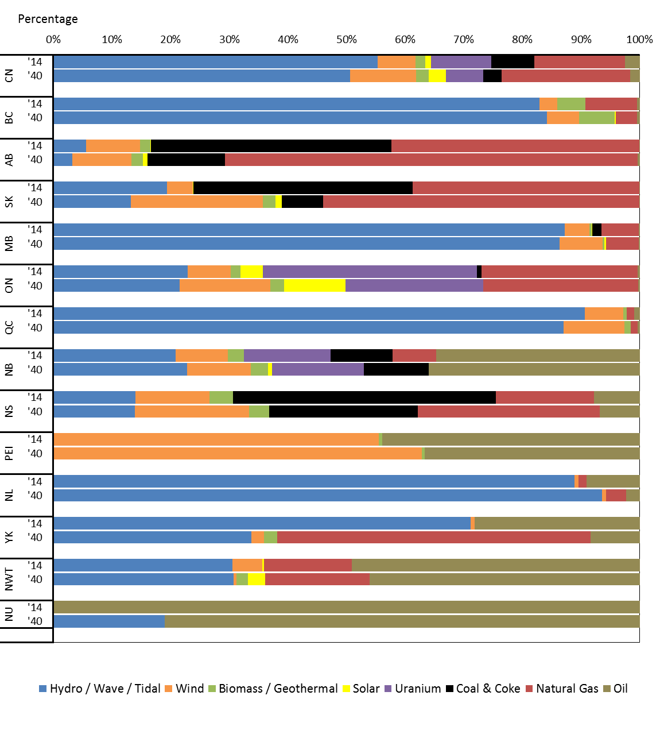

Figure 2.3
Figure 2.3 - Reference Case Crude Oil Production by Province

 | 2005 | 2006 | 2007 | 2008 | 2009 | 2010 | 2011 | 2012 | 2013 | 2014 | 2015 | 2016 | 2017 | 2018 | 2019 | 2020 | 2021 | 2022 | 2023 | 2024 | 2025 | 2026 | 2027 | 2028 | 2029 | 2030 | 2031 | 2032 | 2033 | 2034 | 2035 | 2036 | 2037 | 2038 | 2039 | 2040
Alberta | 1.7853094166 | 1.955257626 | 2.0058602948 | 1.9637969819 | 2.0963452438 | 2.1996832 | 2.3576124 | 2.604888 | 2.7879852 | 3.0517315677 | 3.2642534671 | 3.5032220693 | 3.75036293 | 3.8582445643 | 3.9386541192 | 4.0023048482 | 4.0596220098 | 4.1568524043 | 4.3179909376 | 4.4486996301 | 4.5424345629 | 4.6421145155 | 4.7405317842 | 4.8335538762 | 4.9112368754 | 4.9803727244 | 5.0517885145 | 5.1193853433 | 5.1720846579 | 5.2181344968 | 5.2671989342 | 5.3155082874 | 5.351927032 | 5.3833661562 | 5.4113351426 | 5.4376201628
Saskatchewan | 0.42 | 0.43 | 0.43 | 0.44 | 0.43 | 0.43 | 0.43 | 0.47 | 0.49 | 0.51 | 0.51 | 0.51 | 0.50 | 0.50 | 0.50 | 0.50 | 0.49 | 0.49 | 0.49 | 0.50 | 0.50 | 0.50 | 0.50 | 0.50 | 0.50 | 0.50 | 0.50 | 0.49 | 0.49 | 0.48 | 0.47 | 0.46 | 0.46 | 0.45 | 0.44 | 0.43
Newfoundland and Labrador | 0.30 | 0.30 | 0.37 | 0.34 | 0.27 | 0.28 | 0.27 | 0.20 | 0.23 | 0.22 | 0.21 | 0.26 | 0.25 | 0.32 | 0.33 | 0.29 | 0.28 | 0.28 | 0.25 | 0.25 | 0.33 | 0.29 | 0.25 | 0.23 | 0.21 | 0.20 | 0.17 | 0.15 | 0.14 | 0.13 | 0.12 | 0.11 | 0.10 | 0.10 | 0.09 | 0.08
Other | 0.09 | 0.09 | 0.09 | 0.09 | 0.08 | 0.09 | 0.10 | 0.11 | 0.11 | 0.11 | 0.11 | 0.10 | 0.10 | 0.10 | 0.10 | 0.10 | 0.10 | 0.10 | 0.10 | 0.10 | 0.11 | 0.11 | 0.11 | 0.11 | 0.11 | 0.11 | 0.11 | 0.11 | 0.11 | 0.11 | 0.11 | 0.11 | 0.11 | 0.11 | 0.11 | 0.10

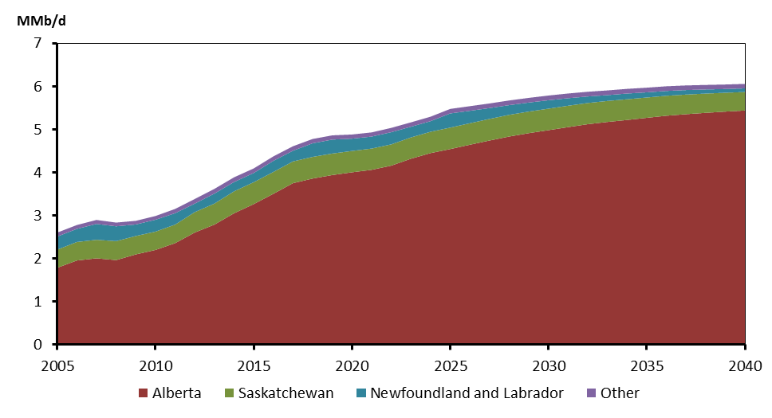

Figure 2.4
Figure 2.4 - Crude Oil Production by Province, 2025 and 2040, by Case

 |  | Reference | High Price | Low Price | Constrained | Reference | High Price | Low Price | Constrained
 |  | Reference |  | High Price |  | Low Price |  | Constrained
 |  | 2025 | 2040 | 2025 | 2040 | 2025 | 2040 | 2025 | 2040
 | Alberta | 4.57 | 5.49 | 5.01 | 6.18 | 3.95 | 4.41 | 4.12 | 5.02
 | Saskatchewan | 0.50 | 0.43 | 0.57 | 0.53 | 0.44 | 0.34 | 0.48 | 0.40
 | Newfoundland and Labrador | 0.33 | 0.08 | 0.35 | 0.09 | 0.21 | 0.09 | 0.33 | 0.08
 | Other | 0.10 | 0.12 | 0.12 | 0.14 | 0.09 | 0.10 | 0.10 | 0.11

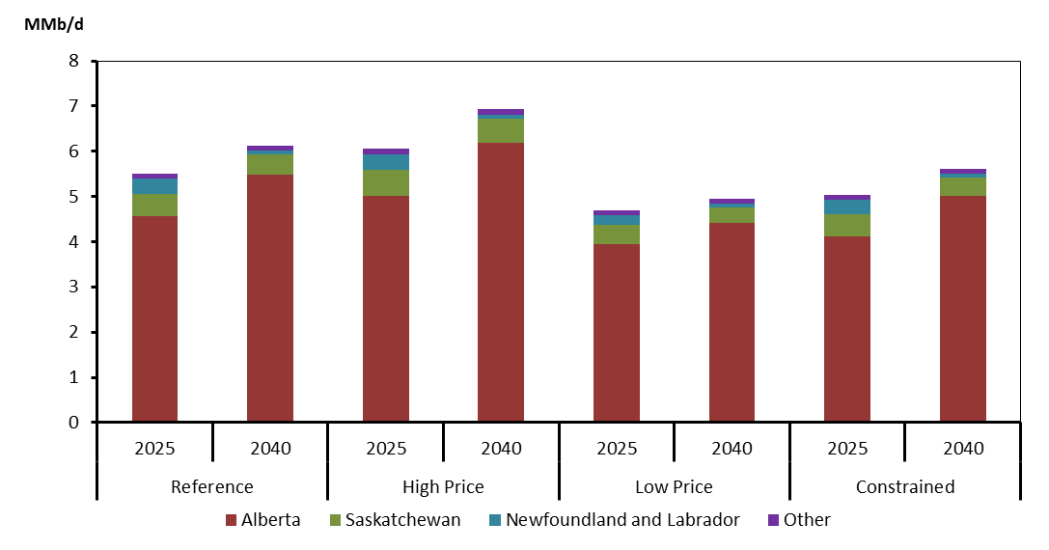

Figure 2.5
Figure 2.5 - Reference Case Natural Gas Production by Province

 | 2005 | 2006 | 2007 | 2008 | 2009 | 2010 | 2011 | 2012 | 2013 | 2014 | 2015 | 2016 | 2017 | 2018 | 2019 | 2020 | 2021 | 2022 | 2023 | 2024 | 2025 | 2026 | 2027 | 2028 | 2029 | 2030 | 2031 | 2032 | 2033 | 2034 | 2035 | 2036 | 2037 | 2038 | 2039 | 2040
British Columbia | 2.6 | 2.6 | 2.6 | 2.7 | 2.7 | 2.892 | 3.439 | 3.445 | 3.739 | 4.004 | 4.407 | 4.574 | 4.804 | 5.018 | 5.334 | 5.776 | 6.293 | 6.773 | 7.166 | 7.441 | 7.6 | 7.72 | 7.781 | 7.776 | 7.778 | 7.803 | 7.84 | 7.889 | 7.937 | 7.982 | 8.023 | 8.057 | 8.088 | 8.114 | 8.135 | 8.158
Alberta | 13.2 | 13.4 | 13.1 | 12.4 | 11.5 | 10.849 | 10.381 | 9.804 | 9.687 | 9.878 | 10.002 | 9.845 | 9.825 | 9.794 | 9.767 | 9.742 | 9.728 | 9.719 | 9.711 | 9.693 | 9.664 | 9.625 | 9.583 | 9.543 | 9.517 | 9.507 | 9.508 | 9.522 | 9.525 | 9.515 | 9.506 | 9.497 | 9.489 | 9.48 | 9.475 | 9.474
Saskatchewan | 0.7 | 0.7 | 0.7 | 0.6 | 0.6 | 0.503 | 0.46 | 0.428 | 0.414 | 0.435 | 0.419 | 0.399 | 0.381 | 0.365 | 0.351 | 0.338 | 0.327 | 0.317 | 0.307 | 0.299 | 0.289 | 0.28 | 0.272 | 0.263 | 0.255 | 0.248 | 0.242 | 0.235 | 0.23 | 0.224 | 0.22 | 0.215 | 0.21 | 0.207 | 0.203 | 0.199
Other Regions | 0.4 | 0.3 | 0.4 | 0.4 | 0.3 | 0.349 | 0.302 | 0.234 | 0.206 | 0.352 | 0.252 | 0.257 | 0.245 | 0.233 | 0.22 | 0.209 | 0.196 | 0.186 | 0.173 | 0.161 | 0.149 | 0.138 | 0.126 | 0.114 | 0.105 | 0.096 | 0.089 | 0.079 | 0.072 | 0.066 | 0.059 | 0.055 | 0.048 | 0.044 | 0.041 | 0.038

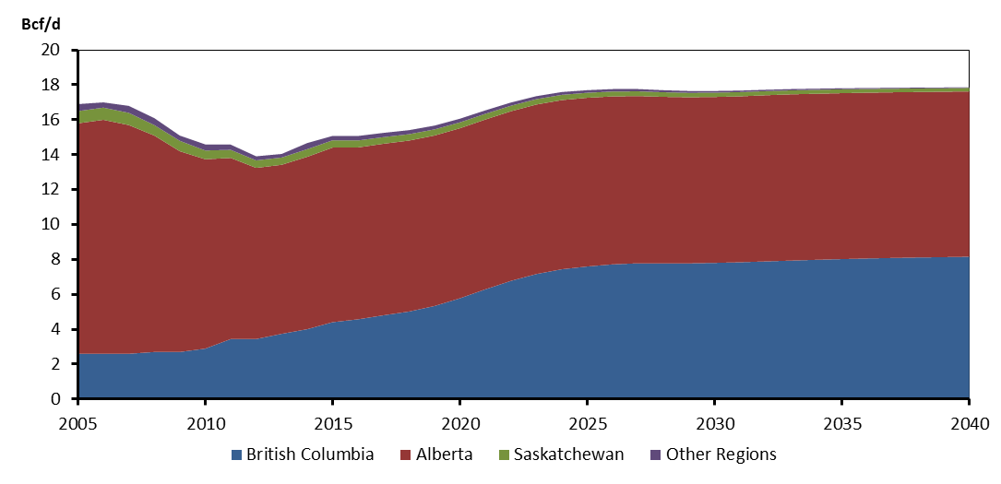

Figure 2.6
Figure 2.6 - Alberta and B.C. Natural Gas Production by Case

Alberta by Case
 | 2005 | 2006 | 2007 | 2008 | 2009 | 2010 | 2011 | 2012 | 2013 | 2014 | 2015 | 2016 | 2017 | 2018 | 2019 | 2020 | 2021 | 2022 | 2023 | 2024 | 2025 | 2026 | 2027 | 2028 | 2029 | 2030 | 2031 | 2032 | 2033 | 2034 | 2035 | 2036 | 2037 | 2038 | 2039 | 2040
Reference | 13.2 | 13.4 | 13.1 | 12.4 | 11.5 | 10.849 | 10.381 | 9.804 | 9.687 | 9.878 | 10.002 | 9.845 | 9.825 | 9.794 | 9.767 | 9.742 | 9.728 | 9.719 | 9.711 | 9.693 | 9.664 | 9.625 | 9.583 | 9.543 | 9.517 | 9.507 | 9.508 | 9.522 | 9.525 | 9.515 | 9.506 | 9.497 | 9.489 | 9.48 | 9.475 | 9.474
High Price |  |  |  |  |  |  |  |  |  | 9.878 | 10.173 | 10.221 | 10.334 | 10.467 | 10.644 | 10.842 | 11.062 | 11.278 | 11.461 | 11.629 | 11.784 | 11.922 | 12.049 | 12.17 | 12.274 | 12.372 | 12.472 | 12.539 | 12.581 | 12.61 | 12.626 | 12.636 | 12.644 | 12.651 | 12.663 | 12.676
Low Price |  |  |  |  |  |  |  |  |  | 9.878 | 9.975 | 9.749 | 9.648 | 9.542 | 9.455 | 9.385 | 9.325 | 9.266 | 9.207 | 9.154 | 9.098 | 9.027 | 8.958 | 8.89 | 8.827 | 8.755 | 8.685 | 8.62 | 8.554 | 8.493 | 8.429 | 8.357 | 8.278 | 8.197 | 8.116 | 8.031
High LNG |  |  |  |  |  |  |  |  |  | 9.878 | 10.002 | 9.845 | 9.825 | 9.796 | 9.829 | 9.877 | 9.91 | 9.936 | 9.933 | 9.908 | 9.888 | 9.875 | 9.863 | 9.853 | 9.852 | 9.865 | 9.885 | 9.902 | 9.908 | 9.901 | 9.895 | 9.893 | 9.894 | 9.895 | 9.895 | 9.897
No LNG |  |  |  |  |  |  |  |  |  | 9.878 | 10.002 | 9.845 | 9.825 | 9.793 | 9.724 | 9.65 | 9.599 | 9.554 | 9.508 | 9.458 | 9.414 | 9.378 | 9.336 | 9.293 | 9.262 | 9.253 | 9.258 | 9.273 | 9.277 | 9.268 | 9.259 | 9.25 | 9.238 | 9.23 | 9.223 | 9.218

British Columbia by Case
 | 2005 | 2006 | 2007 | 2008 | 2009 | 2010 | 2011 | 2012 | 2013 | 2014 | 2015 | 2016 | 2017 | 2018 | 2019 | 2020 | 2021 | 2022 | 2023 | 2024 | 2025 | 2026 | 2027 | 2028 | 2029 | 2030 | 2031 | 2032 | 2033 | 2034 | 2035 | 2036 | 2037 | 2038 | 2039 | 2040
Reference | 2.6 | 2.6 | 2.6 | 2.7 | 2.7 | 2.892 | 3.439 | 3.445 | 3.739 | 4.004 | 4.407 | 4.574 | 4.804 | 5.018 | 5.334 | 5.776 | 6.293 | 6.773 | 7.166 | 7.441 | 7.6 | 7.72 | 7.781 | 7.776 | 7.778 | 7.803 | 7.84 | 7.889 | 7.937 | 7.982 | 8.023 | 8.057 | 8.088 | 8.114 | 8.135 | 8.158
High Price |  |  |  |  |  |  |  |  |  | 4.004 | 4.505 | 4.8 | 5.126 | 5.476 | 5.955 | 6.577 | 7.283 | 7.944 | 8.489 | 8.903 | 9.201 | 9.452 | 9.632 | 9.737 | 9.832 | 9.938 | 10.045 | 10.143 | 10.233 | 10.305 | 10.361 | 10.405 | 10.439 | 10.47 | 10.498 | 10.523
Low Price |  |  |  |  |  |  |  |  |  | 4.004 | 4.384 | 4.486 | 4.657 | 4.836 | 5.133 | 5.551 | 6.037 | 6.487 | 6.849 | 7.108 | 7.26 | 7.371 | 7.423 | 7.414 | 7.402 | 7.401 | 7.408 | 7.421 | 7.427 | 7.433 | 7.435 | 7.422 | 7.4 | 7.372 | 7.338 | 7.299
High LNG |  |  |  |  |  |  |  |  |  | 4.004 | 4.407 | 4.574 | 4.804 | 5.094 | 5.758 | 6.833 | 7.962 | 8.884 | 9.375 | 9.582 | 9.811 | 10.037 | 10.256 | 10.464 | 10.66 | 10.85 | 11.019 | 11.159 | 11.286 | 11.365 | 11.403 | 11.441 | 11.475 | 11.499 | 11.512 | 11.529
No LNG |  |  |  |  |  |  |  |  |  | 4.004 | 4.407 | 4.574 | 4.804 | 4.967 | 5.068 | 5.145 | 5.232 | 5.311 | 5.382 | 5.437 | 5.485 | 5.53 | 5.564 | 5.588 | 5.617 | 5.655 | 5.698 | 5.746 | 5.791 | 5.83 | 5.865 | 5.894 | 5.918 | 5.939 | 5.956 | 5.974

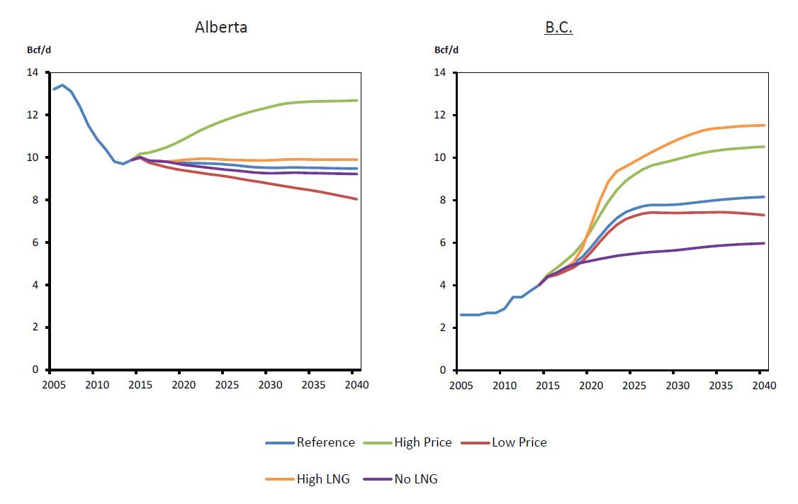

Figure 2.7
Figure 2.7 - Reference Case NGL Production by Province

 |  | Ethane |  | Propane |  | Butanes |  | Pentanes & Condenate
 |  | 2014 | 2040 | 2014 | 2040 | 2014 | 2040 | 2014 | 2040
 | BC | 17.258122877 | 24.2 | 15.424837753 | 35.827743322 | 11.838072959 | 25.957154173 | 27.921792521 | 54.520567469
 | SK | 0.57460856055 | 5.4408534755 | 4.1972001611 | 2.7498001057 | 2.4710601041 | 1.7052378838 | 1.2139724908 | 2.7991851323
 | NS | 0 | 0 | 1.6285240822 | 0.3629759211 | 1.1868695781 | 0.26453712477 | 2.8833825288 | 0.64266684214
 | AB | 217.0053638 | 172.25914652 | 147.7 | 144.1700113 | 81.9 | 74.495883132 | 157.35119601 | 165.99750577

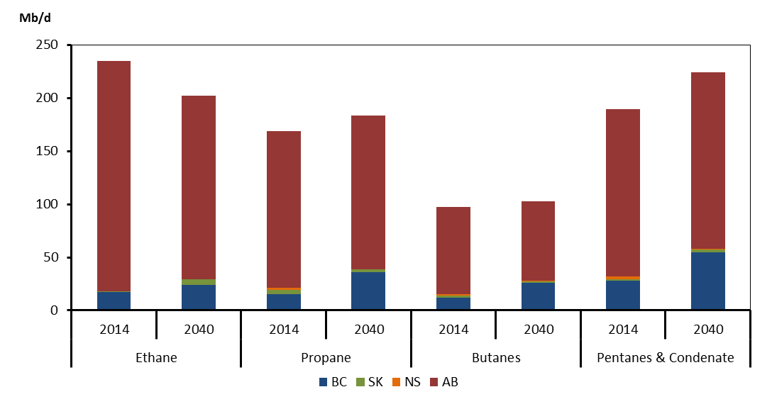

Figure 2.8
Figure 2.8 - Population and GDP Growth Comparison, 2014 to 2040

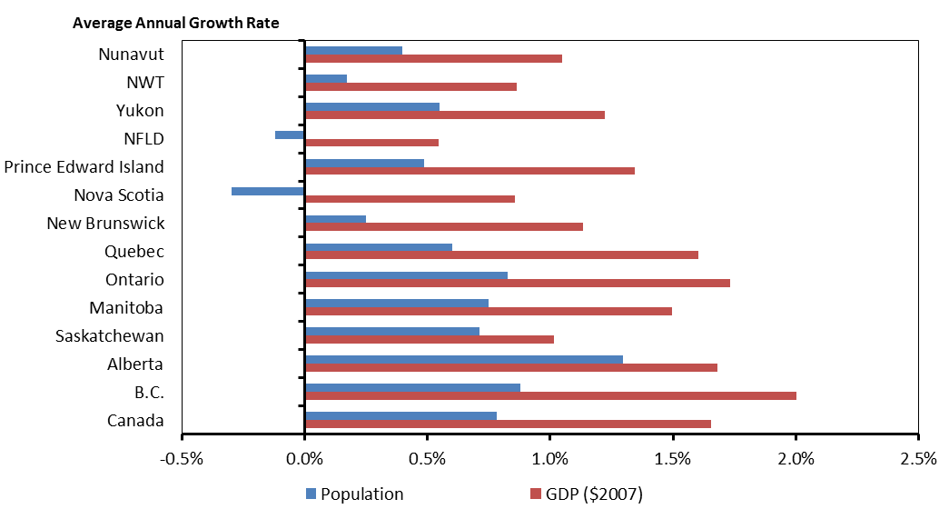
 | GDP ($2007) | Population
Canada | 1.7% | 0.8%
B.C. | 2.0% | 0.9%
Alberta | 1.7% | 1.3%
Saskatchewan | 1.0% | 0.7%
Manitoba | 1.5% | 0.7%
Ontario | 1.7% | 0.8%
Quebec | 1.6% | 0.6%
New Brunswick | 1.1% | 0.2%
Nova Scotia | 0.9% | -0.3%
Prince Edward Island | 1.3% | 0.5%
NFLD | 0.5% | -0.1%
Yukon | 1.2% | 0.6%
NWT | 0.9% | 0.2%
Nunavut | 1.0% | 0.4%

Figure 2.9
Figure 2.9 - Energy Demand, Reference Case

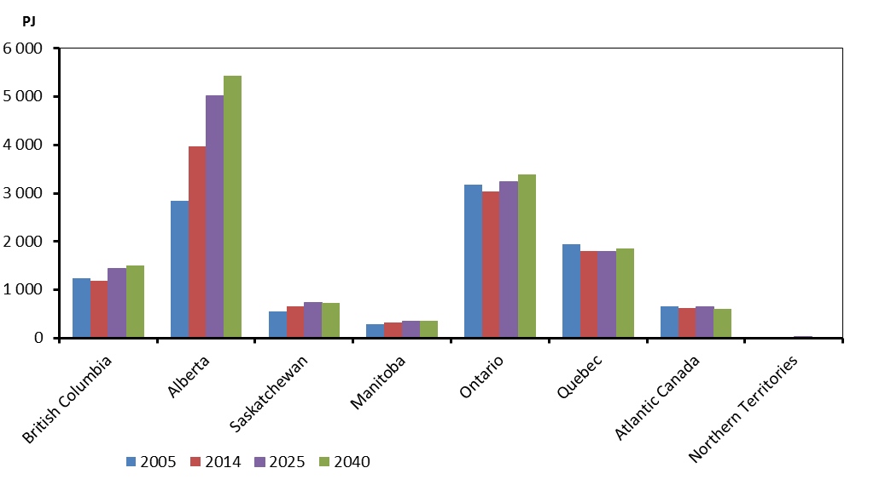
 |  | 2005 | 2014 | 2025 | 2040
 | British Columbia | 1231.3516 | 1179.7179 | 1433.0648 | 1494.6611
 | Alberta | 2850.6101 | 3977.514 | 5022.5506 | 5426.1185
 | Saskatchewan | 553.5741 | 663.7179 | 732.0686 | 732.0323
 | Manitoba | 291.3957 | 314.986 | 344.7213 | 358.1693
 | Ontario | 3178.7205 | 3044.4926 | 3239.3851 | 3380.0942
 | Quebec | 1940.5959 | 1802.7947 | 1795.4222 | 1846.9569
 | Atlantic Canada | 654.5326 | 615.8526 | 642.9932 | 603.8405
 | Northern Territories | 27.6796 | 26.9107 | 29.0202 | 26.0787

 |  | 2005 | 2014 | 2025 | 2040
 | New Brunswick | 259.8674 | 239.064 | 262.898 | 253.7383
 | Nova Scotia | 203.6416 | 200.17 | 192.4744 | 176.0922
 | Prince Edward Island | 25.9062 | 26.3661 | 28.0467 | 28.5318
 | Newfoundland and Labrador | 165.1174 | 150.2525 | 159.5741 | 145.4782
 | Yukon | 6.9425 | 5.2795 | 6.6853 | 5.9032
 | Northwest Territories | 18.3855 | 18.0083 | 18.3654 | 16.2086
 | Nunavut | 2.3516 | 3.6229 | 3.9695 | 3.9669
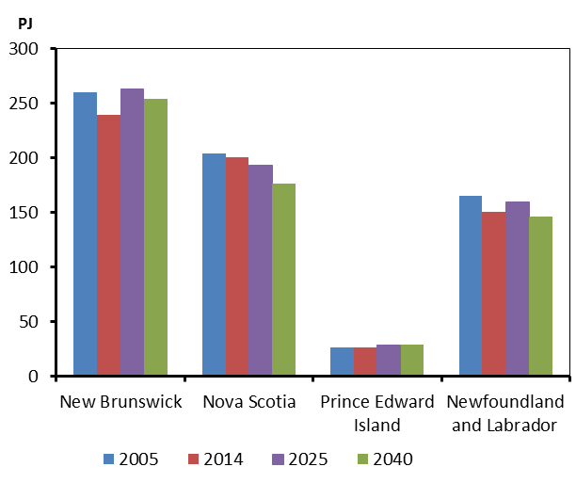
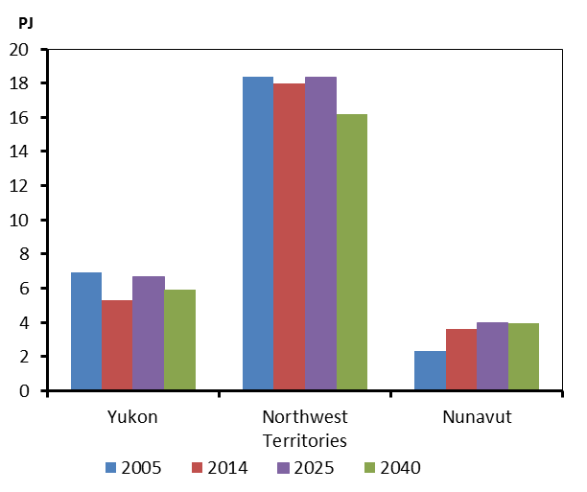

Figure 2.10
Figure 2.10 - Percentage Growth in Energy Demand, Reference Case and Price Cases, 2014 to 2040

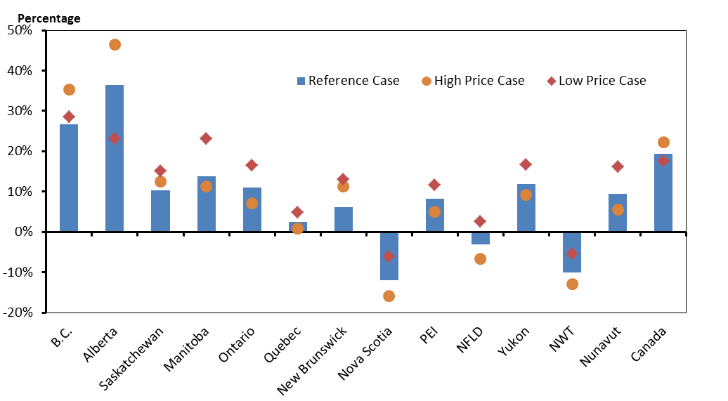
 | Reference Case | High Price Case | Low Price Case
B.C. | 27% | 35% | 29%
Alberta | 36% | 46% | 23%
Saskatchewan | 10% | 12% | 15%
Manitoba | 14% | 11% | 23%
Ontario | 11% | 7% | 16%
Quebec | 2% | 1% | 5%
New Brunswick | 6% | 11% | 13%
Nova Scotia | -12% | -16% | -6%
PEI | 8% | 5% | 12%
NFLD | -3% | -7% | 3%
Yukon | 12% | 9% | 17%
NWT | -10% | -13% | -5%
Nunavut | 9% | 5% | 16%
Canada | 19% | 22% | 18%

Figure 2.11
Figure 2.11 - Share of Energy Use by Fuel, 2014 and 2040
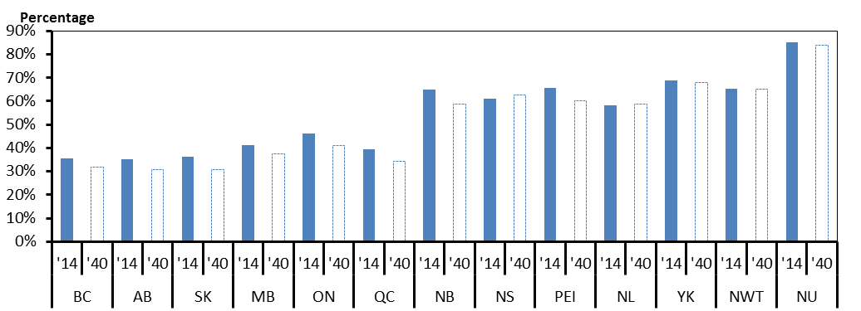

 |  | RPPs | Electricity | Natural Gas | Other
BC | '14 | 0.36 | 0.18 | 0.30 | 0.16
 | '40 | 0.32 | 0.18 | 0.37 | 0.12
AB | '14 | 0.35 | 0.07 | 0.55 | 0.03
 | '40 | 0.31 | 0.08 | 0.59 | 0.02
SK | '14 | 0.36 | 0.12 | 0.49 | 0.02
 | '40 | 0.31 | 0.15 | 0.53 | 0.02
MB | '14 | 0.41 | 0.26 | 0.27 | 0.05
 | '40 | 0.38 | 0.29 | 0.30 | 0.04
ON | '14 | 0.46 | 0.16 | 0.29 | 0.08
 | '40 | 0.41 | 0.17 | 0.36 | 0.06
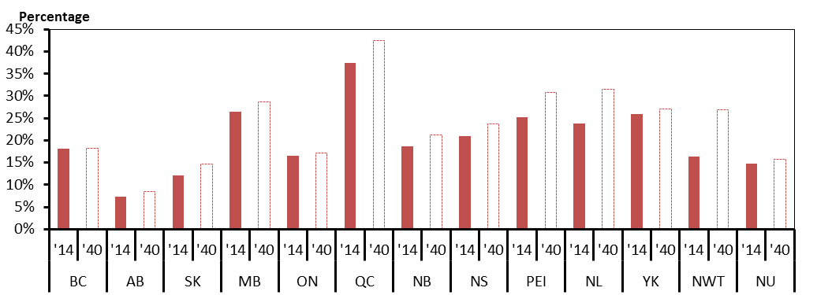
QC | '14 | 0.39 | 0.37 | 0.13 | 0.10
 | '40 | 0.34 | 0.43 | 0.15 | 0.08
NB | '14 | 0.65 | 0.19 | 0.10 | 0.07
 | '40 | 0.59 | 0.21 | 0.13 | 0.07
NS | '14 | 0.61 | 0.21 | 0.10 | 0.08
 | '40 | 0.63 | 0.24 | 0.06 | 0.08
PEI | '14 | 0.66 | 0.25 | 0.03 | 0.07
 | '40 | 0.60 | 0.31 | 0.03 | 0.06
NL | '14 | 0.58 | 0.24 | 0.12 | 0.06
 | '40 | 0.59 | 0.32 | 0.04 | 0.06
YK | '14 | 0.69 | 0.26 | 0.04 | 0.01
 | '40 | 0.68 | 0.27 | 0.03 | 0.02
NWT | '14 | 0.65 | 0.16 | 0.15 | 0.03
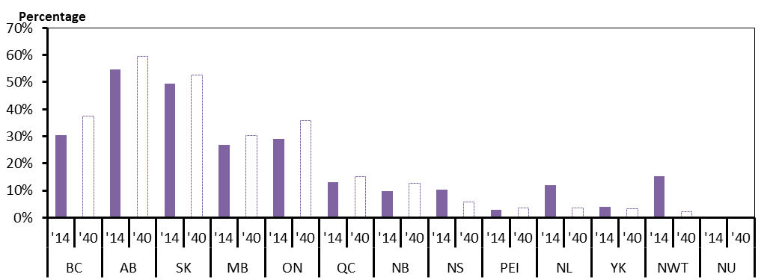
 | '40 | 0.65 | 0.27 | 0.02 | 0.06
NU | '14 | 0.85 | 0.15 | 0.00 | 0.00
 | '40 | 0.84 | 0.16 | 0.00 | 0.00

Figure 2.12
Figure 2.12 - Energy-related GHG Emissions by Province and Territory, 2005 and 2013

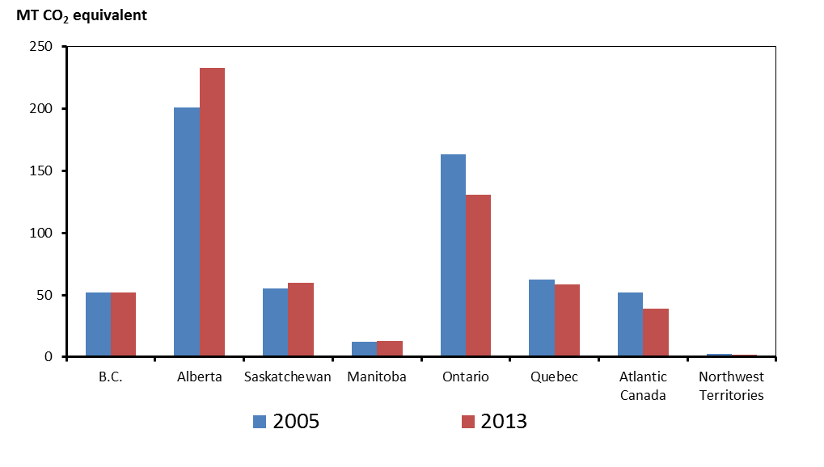

 | 2005 | 2013
B.C. | 52.1 | 52.2
Alberta | 201 | 233
Saskatchewan | 55.1 | 59.5
Manitoba | 12.5 | 13
Ontario | 163 | 131
Quebec | 62.7 | 58.8
Atlantic Canada | 51.88 | 38.77
Northwest Territories | 2.431 | 1.993

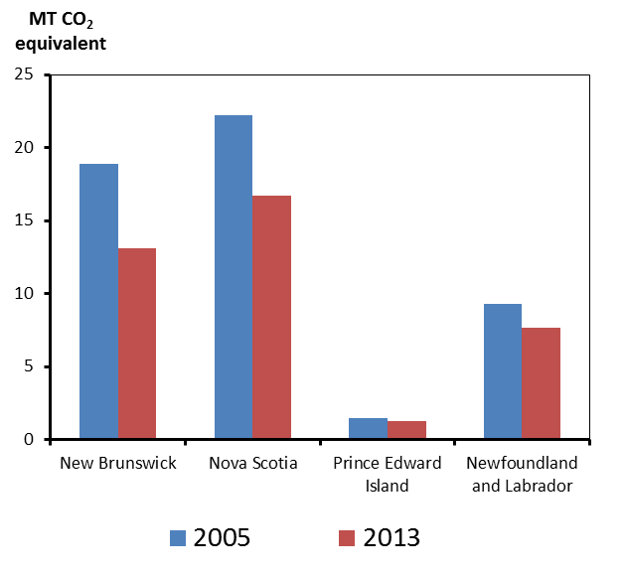
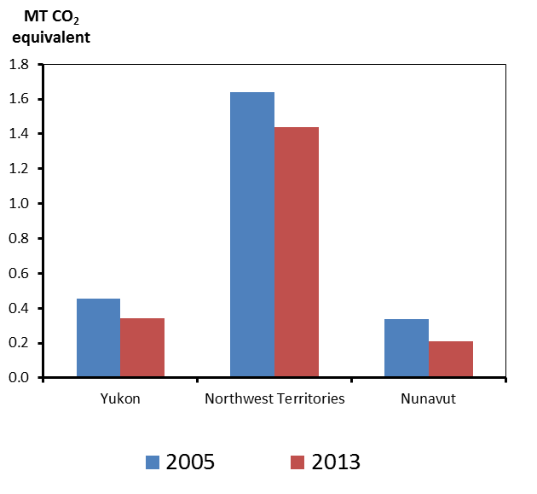
 | 2005 | 2013
New Brunswick | 18.9 | 13.1
Nova Scotia | 22.2 | 16.7
Prince Edward Island | 1.49 | 1.31
Newfoundland and Labrador | 9.29 | 7.66
Yukon | 0.453 | 0.341
Northwest Territories | 1.64 | 1.44
Nunavut | 0.338 | 0.212

Figure 2.13
Figure 2.13 - Percentage Growth in Total Demand for Fossil Fuels, 2014 to 2040, Reference Case

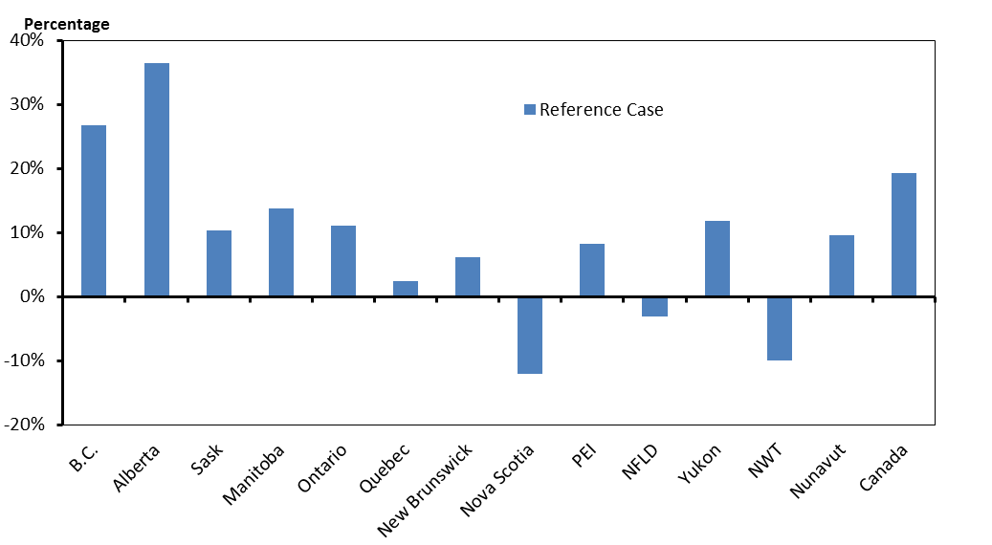
 | Reference Case
B.C. | 26.7%
Alberta | 36.4%
Sask | 10.3%
Manitoba | 13.7%
Ontario | 11.0%
Quebec | 2.4%
New Brunswick | 6.1%
Nova Scotia | -12.0%
PEI | 8.2%
NFLD | -3.2%
Yukon | 11.8%
NWT | -10.0%
Nunavut | 9.5%
Canada | 19.3%

Figure BC.1
Figure BC.1 - Natural Gas Production by Case

billion cubic feet per day
 | 2005 | 2006 | 2007 | 2008 | 2009 | 2010 | 2011 | 2012 | 2013 | 2014 | 2015 | 2016 | 2017 | 2018 | 2019 | 2020 | 2021 | 2022 | 2023 | 2024 | 2025 | 2026 | 2027 | 2028 | 2029 | 2030 | 2031 | 2032 | 2033 | 2034 | 2035 | 2036 | 2037 | 2038 | 2039 | 2040
Reference | 2.5999999459 | 2.5999999459 | 2.5999999459 | 2.6999999438 | 2.6999999438 | 2.8919999398 | 3.4389999284 | 3.4449999283 | 3.7389999222 | 4.0039999167 | 4.4069999083 | 4.5739999048 | 4.8039999 | 5.0179998956 | 5.333999889 | 5.7759998798 | 6.292999869 | 6.7729998591 | 7.1659998509 | 7.4409998452 | 7.5999998418 | 7.7199998393 | 7.7809998381 | 7.7759998382 | 7.7779998381 | 7.8029998376 | 7.8399998368 | 7.8889998358 | 7.9369998348 | 7.9819998339 | 8.022999833 | 8.0569998323 | 8.0879998317 | 8.1139998311 | 8.1349998307 | 8.1579998302
High Price |  |  |  |  |  |  |  |  |  | 4.0039999167 | 4.5049999063 | 4.7999999001 | 5.1259998933 | 5.475999886 | 5.9549998761 | 6.5769998631 | 7.2829998484 | 7.9439998347 | 8.4889998233 | 8.9029998147 | 9.2009998085 | 9.4519998033 | 9.6319997996 | 9.7369997974 | 9.8319997954 | 9.9379997932 | 10.044999791 | 10.142999789 | 10.232999787 | 10.304999786 | 10.360999784 | 10.404999783 | 10.438999783 | 10.469999782 | 10.497999782 | 10.522999781
Low Price |  |  |  |  |  |  |  |  |  | 4.0039999167 | 4.3839999088 | 4.4859999066 | 4.6569999031 | 4.8359998994 | 5.1329998932 | 5.5509998845 | 6.0369998744 | 6.486999865 | 6.8489998575 | 7.1079998521 | 7.2599998489 | 7.3709998466 | 7.4229998455 | 7.4139998457 | 7.401999846 | 7.400999846 | 7.4079998458 | 7.4209998456 | 7.4269998454 | 7.4329998453 | 7.4349998453 | 7.4219998455 | 7.399999846 | 7.3719998466 | 7.3379998473 | 7.2989998481
High LNG |  |  |  |  |  |  |  |  |  | 4.0039999167 | 4.4069999083 | 4.5739999048 | 4.8039999 | 5.093999894 | 5.7579998802 | 6.8329998578 | 7.9619998343 | 8.8839998151 | 9.3749998049 | 9.5819998006 | 9.8109997958 | 10.036999791 | 10.255999787 | 10.463999782 | 10.659999778 | 10.849999774 | 11.018999771 | 11.158999768 | 11.285999765 | 11.364999763 | 11.402999763 | 11.440999762 | 11.474999761 | 11.498999761 | 11.51199976 | 11.52899976
No LNG |  |  |  |  |  |  |  |  |  | 4.0039999167 | 4.4069999083 | 4.5739999048 | 4.8039999 | 4.9669998966 | 5.0679998945 | 5.1449998929 | 5.2319998911 | 5.3109998895 | 5.381999888 | 5.4369998869 | 5.4849998859 | 5.5299998849 | 5.5639998842 | 5.5879998837 | 5.6169998831 | 5.6549998823 | 5.6979998814 | 5.7459998804 | 5.7909998795 | 5.8299998787 | 5.8649998779 | 5.8939998773 | 5.9179998768 | 5.9389998764 | 5.9559998761 | 5.9739998757

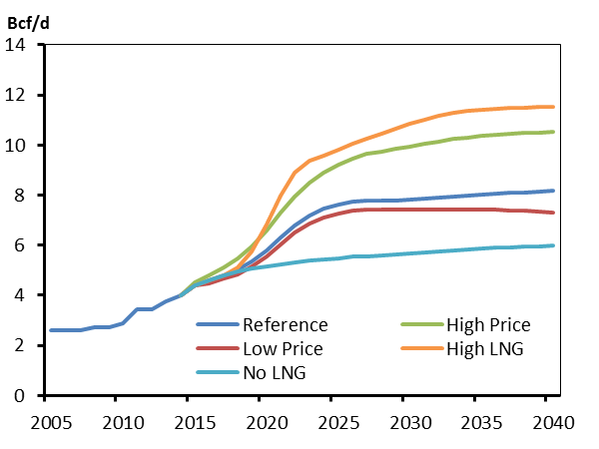

Figure BC.2
Figure BC.2 - Electricity Capacity Additions

 |  | 2010 | 2015 | 2020 | 2030 | 2035 | 2040
 | Hydro / Wave / Tidal | 13346.61 | 14814.37 | 15564.37 | 17252.37 | 17302.38 | 17302.38
 | Wind | 126.25 | 589.65 | 893.65 | 1013.65 | 1113.65 | 1133.65
 | Biomass / Geothermal | 856.4 | 810.67 | 890.67 | 1090.67 | 1210.67 | 1260.67
 | Solar | 0 | 3.281 | 7.281 | 15.281 | 19.281 | 23.281
 | Natural Gas | 1471.23 | 1472.23 | 532.2315 | 542.2337 | 552.2344 | 562.2349
 | Oil | 36.46 | 82.46 | 82.46 | 82.46 | 82.46 | 82.46

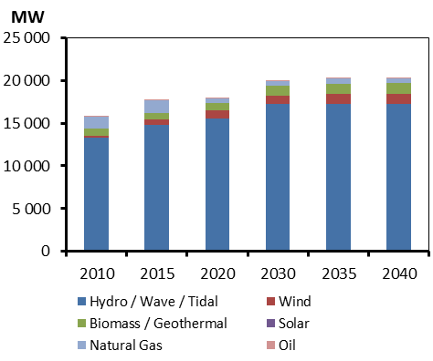

Figure AB.1
Figure AB.1 - Oil Production by Case

million barrels per day
 | 2005 | 2006 | 2007 | 2008 | 2009 | 2010 | 2011 | 2012 | 2013 | 2014 | 2015 | 2016 | 2017 | 2018 | 2019 | 2020 | 2021 | 2022 | 2023 | 2024 | 2025 | 2026 | 2027 | 2028 | 2029 | 2030 | 2031 | 2032 | 2033 | 2034 | 2035 | 2036 | 2037 | 2038 | 2039 | 2040
Reference | 1.7756565368 | 1.9436277927 | 1.9923247886 | 1.9491504087 | 2.0827481678 | 2.1994060198 | 2.3579797875 | 2.5991840833 | 2.7983917611 | 3.0517315677 | 3.2642534671 | 3.5032220693 | 3.75036293 | 3.8582445643 | 3.9386541192 | 4.0023048482 | 4.0596220098 | 4.1568524043 | 4.3179909376 | 4.4486996301 | 4.5424345629 | 4.6421145155 | 4.7405317842 | 4.8335538762 | 4.9112368754 | 4.9803727244 | 5.0517885145 | 5.1193853433 | 5.1720846579 | 5.2181344968 | 5.2671989342 | 5.3155082874 | 5.351927032 | 5.3833661562 | 5.4113351426 | 5.4376201628
High Price |  |  |  |  |  |  |  |  |  | 3.0517315677 | 3.2295857379 | 3.5231323606 | 3.7904063252 | 3.8883984428 | 4.0106496524 | 4.1620624427 | 4.3076010302 | 4.5144316931 | 4.7358700386 | 4.8994918859 | 5.0200395435 | 5.1608773308 | 5.2919889048 | 5.4028680517 | 5.501717427 | 5.6029414756 | 5.6987597905 | 5.7754114576 | 5.8409255859 | 5.9109123035 | 5.9766126113 | 6.0279423265 | 6.0720253747 | 6.1125079234 | 6.1485661912 | 6.1822307091
Low Price |  |  |  |  |  |  |  |  |  | 3.0517315677 | 3.2047457239 | 3.4638785471 | 3.6948381155 | 3.787830144 | 3.8446705893 | 3.8560303546 | 3.8575141398 | 3.8660296935 | 3.8819003946 | 3.8885483621 | 3.9052123462 | 3.964201978 | 4.0087337948 | 4.0471592694 | 4.0963300436 | 4.1530787229 | 4.1931692031 | 4.218878022 | 4.2395447019 | 4.2578419203 | 4.2726485445 | 4.2858396499 | 4.2975428018 | 4.3079367307 | 4.3162349893 | 4.3235463037
Constrained |  |  |  |  |  |  |  |  |  | 3.0517315677 | 3.2151207373 | 3.4817128792 | 3.7184733754 | 3.816018074 | 3.8788537626 | 3.8963113918 | 3.9049227651 | 3.922230611 | 3.9584573084 | 4.019723806 | 4.0949781809 | 4.2082976901 | 4.3029933833 | 4.3804940131 | 4.4496494891 | 4.521955746 | 4.5914855118 | 4.6472675546 | 4.694784164 | 4.7464074316 | 4.7949338676 | 4.832146907 | 4.864050436 | 4.9017028992 | 4.9382296062 | 4.9626139352

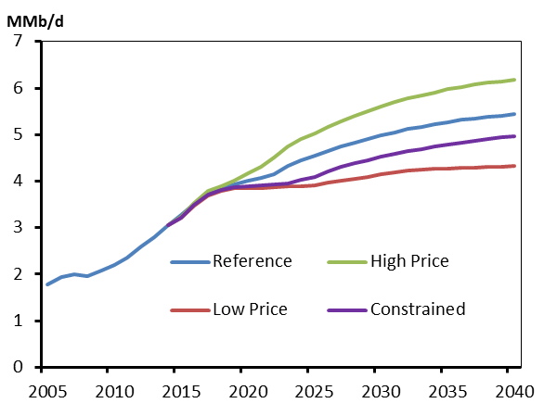

Figure AB.2
Figure AB.2 - Natural Gas Production by Case

billion cubic feet per day
 | 2005 | 2006 | 2007 | 2008 | 2009 | 2010 | 2011 | 2012 | 2013 | 2014 | 2015 | 2016 | 2017 | 2018 | 2019 | 2020 | 2021 | 2022 | 2023 | 2024 | 2025 | 2026 | 2027 | 2028 | 2029 | 2030 | 2031 | 2032 | 2033 | 2034 | 2035 | 2036 | 2037 | 2038 | 2039 | 2040
Reference | 13.199999725 | 13.399999721 | 13.099999727 | 12.399999742 | 11.499999761 | 10.848999774 | 10.380999784 | 9.803999796 | 9.6869997984 | 9.8779997944 | 10.001999792 | 9.8449997951 | 9.8249997955 | 9.7939997962 | 9.7669997967 | 9.7419997973 | 9.7279997976 | 9.7189997977 | 9.7109997979 | 9.6929997983 | 9.6639997989 | 9.6249997997 | 9.5829998006 | 9.5429998014 | 9.516999802 | 9.5069998022 | 9.5079998021 | 9.5219998018 | 9.5249998018 | 9.514999802 | 9.5059998022 | 9.4969998024 | 9.4889998025 | 9.4799998027 | 9.4749998028 | 9.4739998028
High Price |  |  |  |  |  |  |  |  |  | 9.8779997944 | 10.172999788 | 10.220999787 | 10.333999785 | 10.466999782 | 10.643999778 | 10.841999774 | 11.06199977 | 11.277999765 | 11.460999761 | 11.628999758 | 11.783999755 | 11.921999752 | 12.048999749 | 12.169999747 | 12.273999745 | 12.371999743 | 12.47199974 | 12.538999739 | 12.580999738 | 12.609999738 | 12.625999737 | 12.635999737 | 12.643999737 | 12.650999737 | 12.662999736 | 12.675999736
Low Price |  |  |  |  |  |  |  |  |  | 9.8779997944 | 9.9749997924 | 9.7489997971 | 9.6479997992 | 9.5419998014 | 9.4549998032 | 9.3849998047 | 9.3249998059 | 9.2659998072 | 9.2069998084 | 9.1539998095 | 9.0979998107 | 9.0269998121 | 8.9579998136 | 8.889999815 | 8.8269998163 | 8.7549998178 | 8.6849998193 | 8.6199998206 | 8.553999822 | 8.4929998233 | 8.4289998246 | 8.3569998261 | 8.2779998277 | 8.1969998294 | 8.1159998311 | 8.0309998329
High LNG |  |  |  |  |  |  |  |  |  | 9.8779997944 | 10.001999792 | 9.8449997951 | 9.8249997955 | 9.7959997961 | 9.8289997955 | 9.8769997945 | 9.9099997938 | 9.9359997932 | 9.9329997933 | 9.9079997938 | 9.8879997942 | 9.8749997945 | 9.8629997948 | 9.852999795 | 9.851999795 | 9.8649997947 | 9.8849997943 | 9.9019997939 | 9.9079997938 | 9.900999794 | 9.8949997941 | 9.8929997941 | 9.8939997941 | 9.8949997941 | 9.8949997941 | 9.896999794
No LNG |  |  |  |  |  |  |  |  |  | 9.8779997944 | 10.001999792 | 9.8449997951 | 9.8249997955 | 9.7929997962 | 9.7239997976 | 9.6499997992 | 9.5989998002 | 9.5539998012 | 9.5079998021 | 9.4579998032 | 9.4139998041 | 9.3779998048 | 9.3359998057 | 9.2929998066 | 9.2619998073 | 9.2529998074 | 9.2579998073 | 9.272999807 | 9.2769998069 | 9.2679998071 | 9.2589998073 | 9.2499998075 | 9.2379998078 | 9.2299998079 | 9.2229998081 | 9.2179998082

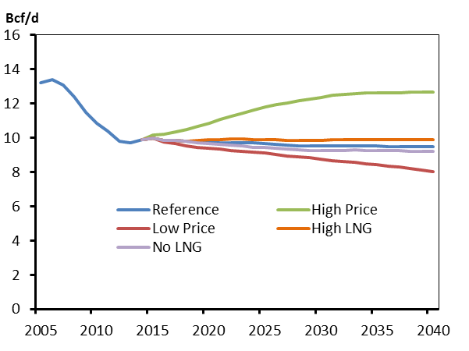

Figure SK.1
Figure SK.1 - Oil Production by Case

thousand barrels per day
 | 2005 | 2006 | 2007 | 2008 | 2009 | 2010 | 2011 | 2012 | 2013 | 2014 | 2015 | 2016 | 2017 | 2018 | 2019 | 2020 | 2021 | 2022 | 2023 | 2024 | 2025 | 2026 | 2027 | 2028 | 2029 | 2030 | 2031 | 2032 | 2033 | 2034 | 2035 | 2036 | 2037 | 2038 | 2039 | 2040
Reference | 419.88437601 | 428.9509994 | 428.47573695 | 440.36476568 | 425.55264466 | 423.82313569 | 428.88685241 | 471.01273954 | 485.79103952 | 509.20191137 | 508.27142245 | 507.38752898 | 504.70081298 | 502.05281584 | 498.68943747 | 496.18716092 | 494.25543506 | 493.75131036 | 494.09474221 | 495.33413664 | 497.42621197 | 499.70240674 | 501.77595101 | 502.7315497 | 501.90224 | 499.76980197 | 496.59341646 | 492.1727321 | 486.77909507 | 480.1428906 | 471.44236695 | 463.90120807 | 455.35590803 | 447.12470057 | 438.2408191 | 429.25061426
High Price |  |  |  |  |  |  |  |  |  | 509.20191137 | 514.68081951 | 522.60942134 | 527.29223976 | 531.82358541 | 535.18098019 | 539.53434264 | 544.43346814 | 551.10011352 | 558.69827756 | 565.85736746 | 573.06831962 | 579.98110411 | 586.2785918 | 591.20264392 | 593.73906128 | 594.80748135 | 594.2667447 | 591.81485578 | 587.87968945 | 582.22870805 | 574.59737583 | 567.68028779 | 559.0063036 | 550.58664986 | 541.25665043 | 531.56343066
Low Price |  |  |  |  |  |  |  |  |  | 509.20191137 | 504.71969161 | 498.20233846 | 489.02095096 | 480.4904457 | 471.60509513 | 463.81682481 | 456.93095011 | 451.09609274 | 446.56458722 | 442.22530173 | 439.4534741 | 437.32069467 | 435.34119129 | 432.83921112 | 429.11253106 | 423.86701292 | 417.79249694 | 411.73385796 | 404.88559829 | 397.08439007 | 387.12035131 | 378.54559066 | 369.58695972 | 361.02506616 | 351.9041115 | 342.86971958
Constrained |  |  |  |  |  |  |  |  |  | 510.90933017 | 510.29006072 | 506.99757077 | 502.30719642 | 497.94860578 | 493.05480645 | 489.15866206 | 484.6023511 | 481.70421244 | 479.86776971 | 478.96128591 | 479.07738114 | 479.57666171 | 480.10940079 | 479.8169236 | 477.8546639 | 475.10130092 | 471.647307 | 467.14443006 | 461.71919181 | 455.0720705 | 446.34552817 | 438.77782436 | 430.32061467 | 422.18625095 | 413.4275238 | 404.59033085

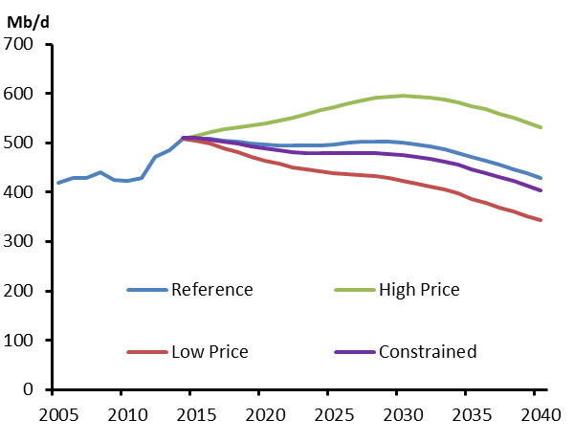

Figure SK.2
Figure SK.2 - Projected Electric Generation Capacity

 |  | 2010 | 2015 | 2020 | 2030 | 2035 | 2040
 | Hydro / Wave / Tidal | 855.31 | 855.31 | 855.31 | 930.31 | 955.31 | 955.31
 | Wind | 171.18 | 196.68 | 473.68 | 1373.68 | 1523.68 | 1623.68
 | Biomass / Geothermal | 0 | 0 | 161 | 161 | 161 | 161
 | Solar | 0 | 1.719 | 16.719 | 46.719 | 61.719 | 76.719
 | Coal | 1818.38 | 1651.38 | 1651.38 | 810 | 810 | 505
 | Natural Gas | 1393.95 | 1586.96 | 2141.965 | 3701.971 | 3901.974 | 3901.976
 | Oil | 1.17 | 1.17 | 1.17 | 1.17 | 1.17 | 1.17

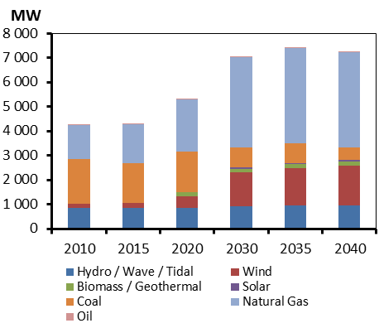

Figure MB.1
Figure MB.1 - Energy Use by Sector

 | 2005 | 2010 | 2015 | 2020 | 2025 | 2030 | 2035 | 2040
Residential and Commercial | 108.6666 | 103.1718 | 119.0939 | 126.1579 | 131.6746 | 135.8958 | 139.5992 | 141.8797
Industrial | 105.1969 | 89.8953 | 101.7404 | 106.4477 | 108.8879 | 109.9689 | 111.0447 | 111.4698
Transportation | 77.5322 | 91.2548 | 99.9176 | 101.7069 | 104.1589 | 105.0776 | 105.7528 | 104.82

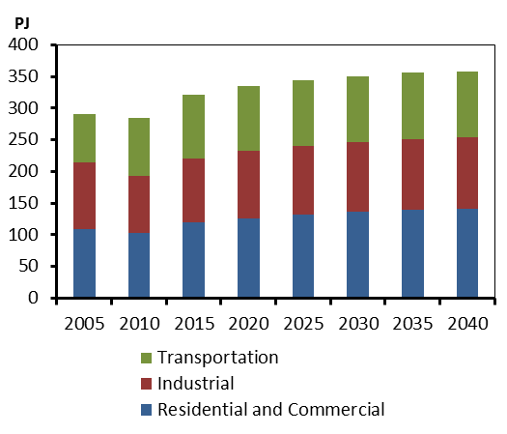

Figure MB.2
Figure MB.2 - Electric Capacity Additions

 | Total Capacity (left scale) | Additions over Projection Period (right scale)
Existing (2014) | 6009
Additions over the Projection Period | 2665
Keeyask |  | 700.00
Conawapa |  | 1485.00
Wind |  | 380.00
Natural Gas |  | 100.00

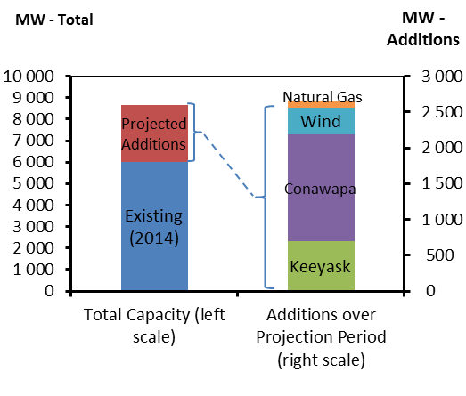

Figure ON.1
Figure ON.1 - Electricity Demand

 | 2005 | 2006 | 2007 | 2008 | 2009 | 2010 | 2011 | 2012 | 2013 | 2014 | 2015 | 2016 | 2017 | 2018 | 2019 | 2020 | 2021 | 2022 | 2023 | 2024 | 2025 | 2026 | 2027 | 2028 | 2029 | 2030 | 2031 | 2032 | 2033 | 2034 | 2035 | 2036 | 2037 | 2038 | 2039 | 2040
Total Electricity Demand | 520.033 | 525.9668 | 547.9469 | 586.4262 | 463.8685 | 475.1759 | 494.0561 | 495.3624 | 499.3752 | 502.2799 | 502.259 | 502.3348 | 502.3666 | 502.7498 | 514.4624 | 516.1752 | 517.3218 | 517.8413 | 518.9716 | 520.636 | 522.2811 | 524.6645 | 527.7546 | 531.1371 | 534.7197 | 538.6619 | 542.7845 | 546.8611 | 550.9026 | 555.0078 | 559.0527 | 562.697 | 566.5296 | 570.2731 | 573.7765 | 577.4429
2008 Peak | 586.4262 | 586.4262 | 586.4262 | 586.4262 | 586.4262 | 586.4262 | 586.4262 | 586.4262 | 586.4262 | 586.4262 | 586.4262 | 586.4262 | 586.4262 | 586.4262 | 586.4262 | 586.4262 | 586.4262 | 586.4262 | 586.4262 | 586.4262 | 586.4262 | 586.4262 | 586.4262 | 586.4262 | 586.4262 | 586.4262 | 586.4262 | 586.4262 | 586.4262 | 586.4262 | 586.4262 | 586.4262 | 586.4262 | 586.4262 | 586.4262 | 586.4262

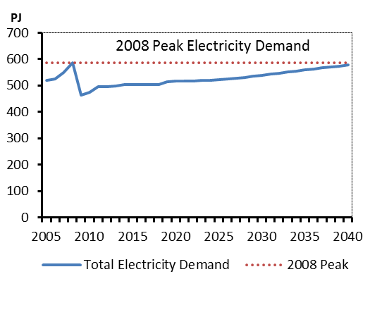

Figure ON.2
Figure ON.2 - Electric Capacity

 | 2005 | 2010 | 2015 | 2020 | 2025 | 2030 | 2035 | 2040
Hydro / Wave / Tidal | 8532.77 | 8470.49 | 8953.088 | 9058.088 | 9178.088 | 9258.088 | 9398.088 | 9498.088
Wind | 69.3 | 1395.8 | 3383.349 | 5413.35 | 5813.35 | 6213.35 | 6613.35 | 6833.35
Biomass | 349.8 | 338.52 | 762.12 | 1062.12 | 1062.12 | 1062.12 | 1062.12 | 1062.12
Solar | 0 | 491.15 | 1761.46 | 4601.46 | 4601.46 | 4601.46 | 4601.46 | 4601.46
Uranium | 11450 | 11990 | 13640 | 9720 | 7690 | 9560 | 10400 | 10400
Coal | 5854 | 6160 | 0 | 0 | 0 | 0 | 0 | 0
Natural Gas | 4991.74 | 9207.391 | 9949.901 | 10838.9 | 10838.9 | 11638.9 | 11638.9 | 11638.9
Oil | 437.04 | 131.04 | 131.04 | 131.04 | 131.04 | 131.04 | 131.04 | 131.04
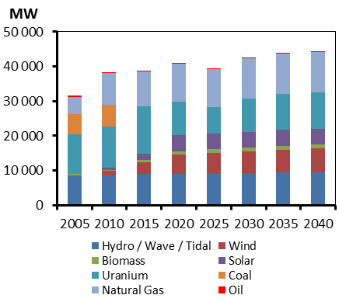

Figure QC.1
Figure QC.1 - End-use Demand by Sector

 | 2005 | 2006 | 2007 | 2008 | 2009 | 2010 | 2011 | 2012 | 2013 | 2014 | 2015 | 2016 | 2017 | 2018 | 2019 | 2020 | 2021 | 2022 | 2023 | 2024 | 2025 | 2026 | 2027 | 2028 | 2029 | 2030 | 2031 | 2032 | 2033 | 2034 | 2035 | 2036 | 2037 | 2038 | 2039 | 2040
Residential | 362.4356 | 353.2759 | 370.9613 | 363.5383 | 363.5729 | 345.7002 | 356.0658 | 350.6474 | 366.8596 | 359.2764 | 358.718 | 357.9995 | 357.1098 | 356.011 | 354.816 | 354.7532 | 354.7811 | 354.8098 | 354.8319 | 354.859 | 354.8966 | 354.941 | 354.9856 | 355.038 | 355.0768 | 355.133 | 355.2039 | 355.2627 | 355.3269 | 355.3986 | 355.475 | 355.5643 | 355.649 | 355.7329 | 355.817 | 355.8979
Commercial | 246.4421 | 231.4874 | 235.1473 | 236.1804 | 245.7202 | 239.7578 | 236.842 | 221.9253 | 230.8471 | 232.8666 | 234.8658 | 236.4615 | 237.5997 | 238.9458 | 243.0637 | 246.1132 | 248.774 | 251.4648 | 254.2093 | 256.8707 | 259.4301 | 262.3352 | 265.4369 | 268.8235 | 272.4893 | 276.4472 | 280.7108 | 285.1201 | 289.1209 | 292.9316 | 296.522 | 299.5749 | 302.4716 | 305.233 | 307.7222 | 310.0155
Industrial | 844.594 | 822.3918 | 813.8968 | 802.1122 | 750.7479 | 718.5063 | 724.5832 | 689.8429 | 705.807 | 704.6691 | 706.2169 | 712.3689 | 716.7698 | 720.1629 | 721.4545 | 719.3464 | 715.7412 | 712.0366 | 708.8625 | 707.4729 | 707.0048 | 706.8388 | 707.9646 | 709.2495 | 710.966 | 713.4059 | 715.7669 | 717.4885 | 718.9013 | 719.799 | 720.4694 | 721.0741 | 721.7325 | 722.4829 | 723.4747 | 725.0733
Transportation | 487.1242 | 505.7489 | 534.3933 | 520.3755 | 509.844 | 509.4183 | 529.5927 | 520.8151 | 505.739 | 505.9825 | 507.7881 | 507.4736 | 507.0037 | 503.848 | 499.5155 | 493.5236 | 490.3764 | 486.5311 | 482.0864 | 477.7595 | 474.0907 | 471.3104 | 469.7155 | 468.7563 | 468.7189 | 469.3676 | 470.0321 | 470.0302 | 469.4465 | 468.1571 | 466.541 | 464.719 | 462.5309 | 460.1749 | 457.908 | 455.9702
2007 Electricity Peak | 1954.3987 | 1954.3987 | 1954.3987 | 1954.3987 | 1954.3987 | 1954.3987 | 1954.3987 | 1954.3987 | 1954.3987 | 1954.3987 | 1954.3987 | 1954.3987 | 1954.3987 | 1954.3987 | 1954.3987 | 1954.3987 | 1954.3987 | 1954.3987 | 1954.3987 | 1954.3987 | 1954.3987 | 1954.3987 | 1954.3987 | 1954.3987 | 1954.3987 | 1954.3987 | 1954.3987 | 1954.3987 | 1954.3987 | 1954.3987 | 1954.3987 | 1954.3987 | 1954.3987 | 1954.3987 | 1954.3987 | 1954.3987

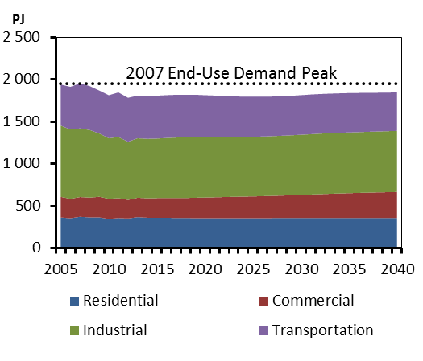

Figure QC.2
Figure QC.2 - Electric Capacity Additions

QC-Capacity by fuel
 | Total Capacity (left scale) | Additions over the Projection Period (right scale)
Existing (2014) | 43497
Additions | 6032
Biomass |  | 256
Wind |  | 2831
Petit Mecatina |  | 1200
Romaine |  | 1550
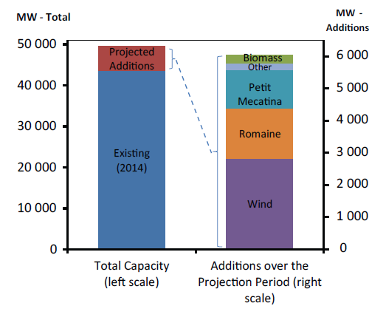
Other |  | 195

Figure NB.1
Figure NB.1 - Natural Gas Demand by Sector

 | 2005 | 2010 | 2015 | 2020 | 2025 | 2030 | 2035 | 2040
Residential and Commercial | 1.9431 | 3.339 | 4.2042 | 5.1158 | 5.6067 | 5.7983 | 5.8505 | 5.7639
Industrial | 8.6963 | 12.239 | 20.2679 | 23.9383 | 25.1254 | 25.6108 | 25.8168 | 25.7883
Transportation | 0 | 0 | 0 | 0 | 0.1279 | 0.2459 | 0.4819 | 0.7017
Electricity Generation | 18.4182 | 22.291 | 10.2918 | 11.1434 | 12.0626 | 5.1027 | 5.3787 | 1.2406

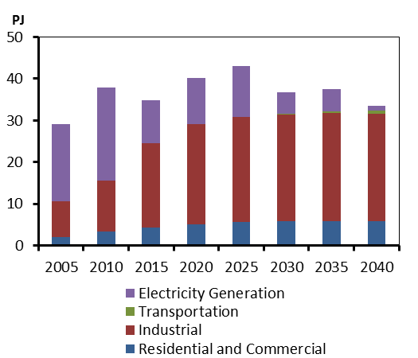

Figure NB.2
Figure NB.2 - Electric Capacity Mix

 |  | 2005 | 2010 | 2015 | 2020 | 2025 | 2030 | 2035 | 2040
 | Hydro | 948.95 | 948.95 | 956.8 | 991.8 | 991.8 | 991.8 | 991.8 | 991.8
 | Wind | 0 | 195 | 409 | 444 | 444 | 474 | 474 | 474
 | Biomass | 127.3 | 127.3 | 127.3 | 127.3 | 127.3 | 127.3 | 127.3 | 127.3
 | Solar | 0 | 0 | 0.162 | 0.162 | 30.162 | 30.162 | 30.162 | 30.162
 | Uranium | 680 | 680 | 680 | 680 | 680 | 680 | 680 | 680
 | Coal & Coke | 485 | 485 | 485 | 485 | 485 | 485 | 485 | 485
 | Natural Gas | 345 | 345 | 345 | 345 | 345 | 190 | 190 | 0
 | Oil | 1911.04 | 1911.04 | 1593.04 | 1593.04 | 1593.04 | 1564.34 | 1564.34 | 1564.34

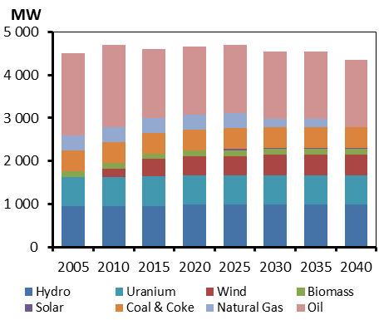

Figure NS.1
Figure NS.1 - End-use Demand by Sector

 | 2005 | 2010 | 2015 | 2020 | 2025 | 2030 | 2035 | 2040
Residential and Commercial | 70.1702 | 71.8948 | 69.4194 | 69.7959 | 70.1619 | 69.8821 | 68.9841 | 67.3075
Industrial | 49.8494 | 63.2274 | 59.4558 | 58.9496 | 55.8082 | 52.9336 | 50.891 | 49.5083
Transportation | 83.6219 | 70.441 | 68.6419 | 68.6955 | 66.5043 | 64.4968 | 62.3692 | 59.2766

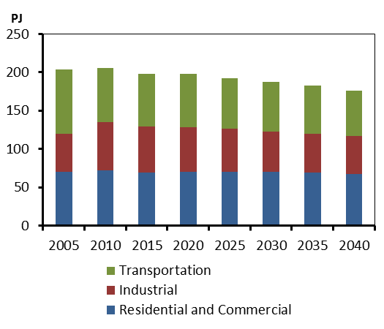

Figure NS.2
Figure NS.2 - Electric Capacity Mix

 | Fuel | 2005 | 2010 | 2015 | 2020 | 2025 | 2030 | 2035 | 2040
 | Hydro / Wave / Tidal | 401.2 | 401.2 | 405.2 | 451.2 | 451.2 | 451.2 | 451.2 | 451.2
 | Wind | 37.08 | 146.45 | 480.4 | 530.4 | 555.4 | 580.4 | 605.4 | 630.4
 | Biomass / Geothermal | 68.62 | 66.12 | 112.56 | 112.56 | 112.56 | 112.56 | 112.56 | 112.56
 | Coal | 1288 | 1288 | 1288 | 1133 | 1133 | 1133 | 977 | 822
 | Natural Gas | 430 | 430 | 482.01 | 482.0101 | 402.0101 | 802.0101 | 953.0101 | 1003.01
 | Oil | 222.3 | 222.3 | 222.3 | 222.3 | 222.3 | 222.3 | 222.3 | 222.3
 | Firm Capacity from Muskrat Falls |  |  |  | 165 | 165 | 165 | 165 | 165

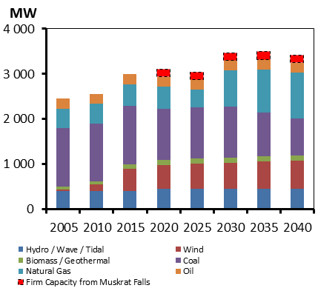

Figure PEI.1
Figure PEI.1 - Electricity Demand

 | 2005 | 2006 | 2007 | 2008 | 2009 | 2010 | 2011 | 2012 | 2013 | 2014 | 2015 | 2016 | 2017 | 2018 | 2019 | 2020 | 2021 | 2022 | 2023 | 2024 | 2025 | 2026 | 2027 | 2028 | 2029 | 2030 | 2031 | 2032 | 2033 | 2034 | 2035 | 2036 | 2037 | 2038 | 2039 | 2040
Total Electricity Demand | 1.1025 | 1.226 | 1.3866944444 | 1.3722777778 | 1.3340833333 | 1.4144722222 | 1.4085555556 | 1.6476111111 | 1.7558333333 | 1.8474444444 | 1.8583888889 | 1.8625555556 | 1.8916388889 | 1.9186388889 | 1.9254722222 | 1.9542777778 | 1.9524444444 | 1.9748611111 | 1.9976388889 | 1.9993611111 | 2.0334444444 | 2.0679166667 | 2.0809444444 | 2.11625 | 2.1520277778 | 2.1876111111 | 2.2211944444 | 2.2534722222 | 2.26375 | 2.2945 | 2.3249444444 | 2.3339166667 | 2.3643055556 | 2.3741111111 | 2.4043333333 | 2.4348055556

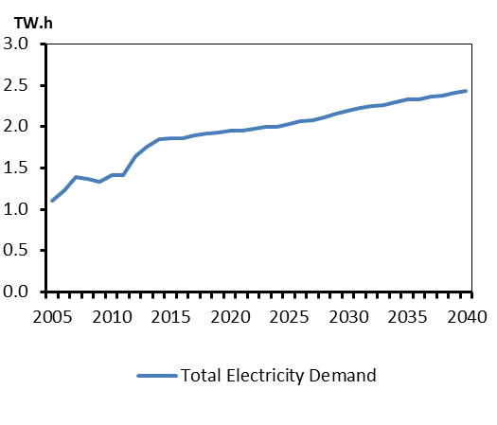

Figure PEI.2
Figure PEI.2 - Wind Capacity

 | Fuel | 2005 | 2006 | 2007 | 2008 | 2009 | 2010 | 2011 | 2012 | 2013 | 2014 | 2015 | 2016 | 2017 | 2018 | 2019 | 2020 | 2021 | 2022 | 2023 | 2024 | 2025 | 2026 | 2027 | 2028 | 2029 | 2030 | 2031 | 2032 | 2033 | 2034 | 2035 | 2036 | 2037 | 2038 | 2039 | 2040
 | Wind | 3 | 3 | 60.3 | 60.3 | 145.5 | 161.5 | 161.5 | 166.78 | 196.78 | 196.78 | 196.78 | 196.78 | 196.78 | 196.78 | 196.78 | 216.78 | 216.78 | 216.78 | 216.78 | 216.78 | 246.78 | 246.78 | 246.78 | 246.78 | 246.78 | 266.78 | 266.78 | 266.78 | 266.78 | 266.78 | 266.78 | 266.78 | 266.78 | 266.78 | 266.78 | 266.78

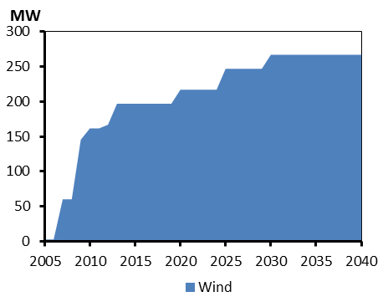

Figure NL&LB.1
Figure NL.1 - Oil Production by Case

thousand barrels per day
 | 2005 | 2006 | 2007 | 2008 | 2009 | 2010 | 2011 | 2012 | 2013 | 2014 | 2015 | 2016 | 2017 | 2018 | 2019 | 2020 | 2021 | 2022 | 2023 | 2024 | 2025 | 2026 | 2027 | 2028 | 2029 | 2030 | 2031 | 2032 | 2033 | 2034 | 2035 | 2036 | 2037 | 2038 | 2039 | 2040
Reference | 304.95362275 | 303.76421065 | 368.56639781 | 343.25704329 | 267.72890959 | 275.92314851 | 265.14488 | 197.75479392 | 232.001954 | 216.09608642 | 213.60103506 | 257.30033547 | 248.85184772 | 315.8666154 | 325.59179675 | 285.32581239 | 277.75817928 | 283.4705943 | 248.57890393 | 245.93362289 | 329.30167193 | 289.05944612 | 251.58208022 | 225.91269692 | 208.75454481 | 195.43190738 | 174.49411941 | 151.28465999 | 135.85682474 | 132.66348274 | 119.97497883 | 112.2754696 | 104.98576809 | 95.172165359 | 86.587207541 | 84.344986762
High Price |  |  |  |  |  |  |  |  |  | 216.09608642 | 215.66847038 | 262.36291995 | 256.23592908 | 328.3968613 | 341.76271799 | 302.34922466 | 297.10678226 | 306.05092835 | 294.98988093 | 358.59934901 | 353.45347249 | 310.13247883 | 269.59353631 | 241.23652773 | 223.05142811 | 208.20113321 | 186.15590202 | 161.5063543 | 144.99652209 | 141.93261247 | 128.56567433 | 120.39375904 | 112.62324955 | 102.09162188 | 93.026647794 | 90.529381572
Low Price |  |  |  |  |  |  |  |  |  | 216.09608642 | 213.60103506 | 254.7528074 | 243.97239972 | 306.66661689 | 310.08742547 | 271.73886895 | 264.53159931 | 269.97199457 | 236.74181327 | 234.22249799 | 213.928 | 187.70020505 | 144.59554861 | 127.04400575 | 117.95595214 | 130.28535813 | 183.70267584 | 197.54696651 | 176.95446883 | 160.54838124 | 155.25287182 | 140.1908569 | 137.12514636 | 119.44067671 | 103.63244515 | 93.655452369

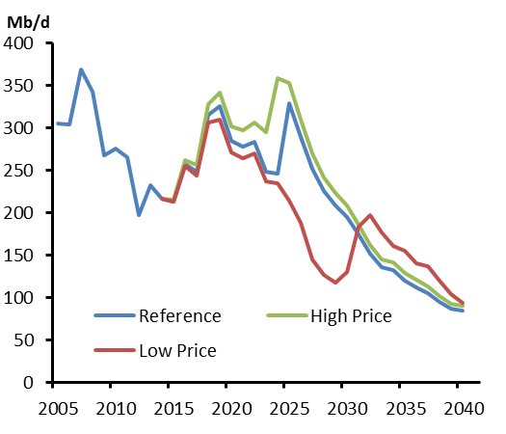

Figure NL&LB.2
Figure NL.2 - Electric Capacity Additions
 |  | 2005 | 2010 | 2015 | 2020 | 2025 | 2030 | 2035 | 2040
 | Wind | 0 | 54 | 54.3 | 54.3 | 54.3 | 54.3 | 54.3 | 54.3
 | Offshore platforms | 103 | 103 | 103 | 223 | 343 | 283 | 283 | 283
 | Oil | 690.59 | 690.59 | 690.59 | 186.44 | 186.44 | 186.44 | 186.44 | 186.44
 | Muskrat Falls |  |  |  | 824 | 824 | 824 | 824 | 824
 | Churchill Falls | 5428.5 | 5428.5 | 5428.5 | 5428.5 | 5428.5 | 5428.5 | 5428.5 | 5428.5
 | Other Hydro | 1351.561 | 1351.561 | 1354.561 | 1354.561 | 1354.561 | 1354.561 | 1354.561 | 1354.561

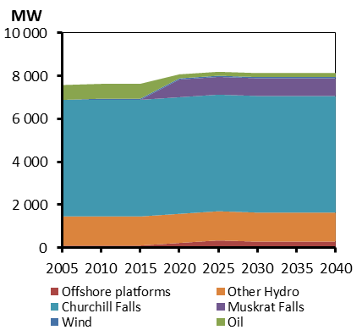

Figure YK.1
Figure YK.1 - End-use Demand

 | 2005 | 2006 | 2007 | 2008 | 2009 | 2010 | 2011 | 2012 | 2013 | 2014 | 2015 | 2016 | 2017 | 2018 | 2019 | 2020 | 2021 | 2022 | 2023 | 2024 | 2025 | 2026 | 2027 | 2028 | 2029 | 2030 | 2031 | 2032 | 2033 | 2034 | 2035 | 2036 | 2037 | 2038 | 2039 | 2040
Residential | 1.2852 | 1.3887 | 1.3059 | 1.4686 | 0.9728 | 1.0505 | 1.0845 | 1.0332 | 0.9632 | 0.9596 | 0.96 | 0.9637 | 0.9654 | 0.9668 | 0.9663 | 0.9721 | 0.976 | 0.9814 | 0.9865 | 0.9899 | 0.9943 | 0.9971 | 1.0012 | 1.0052 | 1.0079 | 1.0122 | 1.0207 | 1.0317 | 1.0412 | 1.0523 | 1.0621 | 1.0718 | 1.0831 | 1.093 | 1.104 | 1.1152
Commercial | 1.0298 | 1.3748 | 1.5205 | 1.5956 | 1.4311 | 1.2927 | 1.5346 | 1.6157 | 1.5047 | 1.514 | 1.5319 | 1.5361 | 1.5373 | 1.5355 | 1.5317 | 1.5632 | 1.6034 | 1.6302 | 1.6443 | 1.6468 | 1.6598 | 1.6723 | 1.6833 | 1.7042 | 1.7139 | 1.7328 | 1.7406 | 1.7481 | 1.745 | 1.7506 | 1.7457 | 1.7405 | 1.7349 | 1.7284 | 1.7218 | 1.7058
Industrial | 1.7761 | 1.8957 | 1.6416 | 1.2947 | 0.9876 | 1.0405 | 1.2322 | 1.5096 | 1.4815 | 1.0051 | 0.7339 | 1.0636 | 0.9672 | 1.0317 | 1.1429 | 2.3855 | 2.8163 | 2.594 | 2.2959 | 2.0635 | 2.0128 | 1.9983 | 1.9379 | 1.8563 | 1.8664 | 1.8929 | 1.7441 | 1.7103 | 1.7401 | 1.632 | 1.4142 | 1.4195 | 1.4994 | 1.3314 | 1.2991 | 1.2498
Transportation | 2.8516 | 2.681 | 2.5489 | 2.1809 | 2.2096 | 2.0328 | 2.111 | 1.8526 | 1.8038 | 1.8007 | 1.724 | 1.8267 | 1.906 | 1.9514 | 1.9709 | 2.1981 | 2.2635 | 2.1963 | 2.1057 | 2.0303 | 2.0182 | 2.0278 | 2.0295 | 2.0211 | 2.0268 | 2.0221 | 2.0052 | 1.9992 | 2.0045 | 1.9792 | 1.9283 | 1.9195 | 1.9156 | 1.8708 | 1.8535 | 1.8326

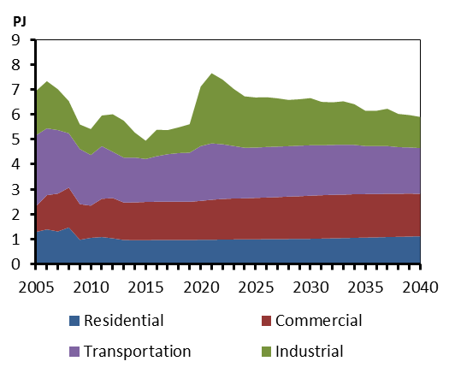

Figure YK.2
Figure YK.2 - Primary Fuel Shares

 | 2005 | 2010 | 2015 | 2020 | 2025 | 2030 | 2035 | 2040
Natural Gas | 0.14398373314 | 0.0614606564 | 0.051422936038 | 0.14847379727 | 0.060628388711 | 0.052751715446 | 0.051268049994 | 0.076395356056
Refined Petroleum Products and NGL | 0.67736927431 | 0.68379370292 | 0.71683925049 | 0.68256981566 | 0.70065341304 | 0.6976053774 | 0.67904380536 | 0.65249580928
Hydro | 0.16335559036 | 0.24024092577 | 0.21926951254 | 0.15550532048 | 0.19193660503 | 0.20408906316 | 0.21911782551 | 0.21805736636
Other Renewables | 0.015291402193 | 0.01450471491 | 0.01246830093 | 0.013451066593 | 0.046781593216 | 0.045553843999 | 0.050570319136 | 0.053051468306

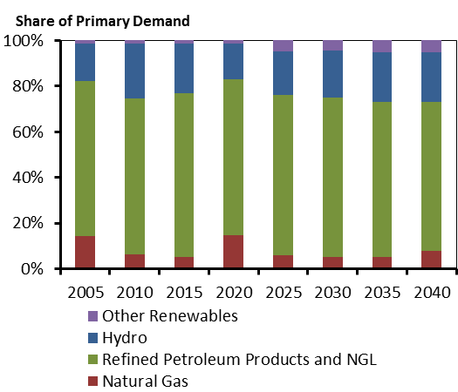

Figure NWT.1
Figure NWT.1 - Oil and Gas Production

 | 2005 | 2010 | 2015 | 2020 | 2025 | 2030 | 2035 | 2040
Gas Production (left axis) | 0 | 18.666666278 | 9.9999997919 | 4.999999896 | 1.9999999584 | 0.99999997919 | 0.99999997919 | 0
Oil Production (right axis) | 18.787205227 | 15.03788 | 10.13012 | 7.8384937506 | 6.0652770429 | 4.6931957565 | 3.6315054123 | 2.8099896625

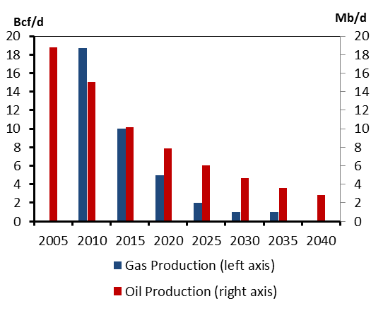

Figure NWT.2
Figure NWT.2 - End-use Demand by Fuel

 | 2005 | 2006 | 2007 | 2008 | 2009 | 2010 | 2011 | 2012 | 2013 | 2014 | 2015 | 2016 | 2017 | 2018 | 2019 | 2020 | 2021 | 2022 | 2023 | 2024 | 2025 | 2026 | 2027 | 2028 | 2029 | 2030 | 2031 | 2032 | 2033 | 2034 | 2035 | 2036 | 2037 | 2038 | 2039 | 2040
Refined Petroleum Products and NGL | 12.7699 | 13.1695 | 19.5691 | 15.4423 | 9.4725 | 10.89 | 13.56 | 11.81 | 12.11 | 11.78 | 11.62 | 11.45 | 11.49 | 11.30 | 13.00 | 12.76 | 12.53 | 12.32 | 12.17 | 11.99 | 11.85 | 11.73 | 11.63 | 11.52 | 11.44 | 11.36 | 11.28 | 10.98 | 10.93 | 10.87 | 10.81 | 10.74 | 10.68 | 10.63 | 10.58 | 10.53
Electric | 1.988 | 2.2743 | 2.3482 | 2.4775 | 2.2708 | 2.52 | 2.49 | 2.78 | 2.94 | 2.96 | 3.00 | 3.28 | 3.43 | 3.53 | 4.48 | 4.48 | 4.47 | 4.46 | 4.47 | 4.47 | 4.47 | 4.47 | 4.47 | 4.47 | 4.47 | 4.47 | 4.47 | 4.37 | 4.37 | 4.37 | 4.37 | 4.37 | 4.37 | 4.36 | 4.37 | 4.37
Natural Gas | 3.416 | 3.221 | 2.8441 | 4.0028 | 4.431 | 4.21 | 3.68 | 3.55 | 2.88 | 2.75 | 2.48 | 2.54 | 2.36 | 2.19 | 2.02 | 1.87 | 1.72 | 1.59 | 1.46 | 1.34 | 1.22 | 1.12 | 1.02 | 0.94 | 0.86 | 0.79 | 0.72 | 0.67 | 0.62 | 0.57 | 0.52 | 0.49 | 0.46 | 0.42 | 0.39 | 0.37
Biofuels & Emerging Energy | 0.2116 | 0.2548 | 0.2331 | 0.3389 | 0.4221 | 0.38 | 0.49 | 0.45 | 0.50 | 0.52 | 0.62 | 0.63 | 0.64 | 0.65 | 0.66 | 0.67 | 0.69 | 0.70 | 0.74 | 0.77 | 0.81 | 0.82 | 0.83 | 0.84 | 0.85 | 0.85 | 0.86 | 0.87 | 0.88 | 0.88 | 0.89 | 0.90 | 0.91 | 0.92 | 0.93 | 0.94

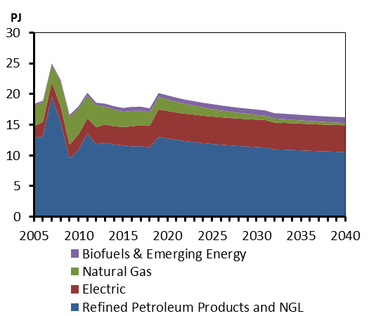

Figure NU.1
Figure NU.1 - End-use Demand by Sector

 | 2005 | 2006 | 2007 | 2008 | 2009 | 2010 | 2011 | 2012 | 2013 | 2014 | 2015 | 2016 | 2017 | 2018 | 2019 | 2020 | 2021 | 2022 | 2023 | 2024 | 2025 | 2026 | 2027 | 2028 | 2029 | 2030 | 2031 | 2032 | 2033 | 2034 | 2035 | 2036 | 2037 | 2038 | 2039 | 2040
Residential | 0.2173 | 0.2234 | 0.2271 | 0.2793 | 0.2492 | 0.248 | 0.1527 | 0.1522 | 0.1522 | 0.1532 | 0.1545 | 0.1565 | 0.1581 | 0.1597 | 0.1611 | 0.1628 | 0.1643 | 0.166 | 0.1677 | 0.1691 | 0.1707 | 0.1721 | 0.1736 | 0.1752 | 0.1765 | 0.1781 | 0.1805 | 0.1833 | 0.186 | 0.1888 | 0.1915 | 0.1941 | 0.1969 | 0.1996 | 0.2024 | 0.2052
Commercial | 0.4187 | 0.3967 | 0.4045 | 0.4684 | 0.4293 | 0.4295 | 0.3029 | 0.3027 | 0.3021 | 0.3006 | 0.3001 | 0.302 | 0.3036 | 0.3047 | 0.3055 | 0.3094 | 0.3102 | 0.3109 | 0.3144 | 0.315 | 0.3155 | 0.316 | 0.3191 | 0.3194 | 0.3196 | 0.3197 | 0.3198 | 0.3198 | 0.3198 | 0.3198 | 0.3196 | 0.3168 | 0.3165 | 0.3161 | 0.3156 | 0.3151
Industrial | 0.3114 | 1.607 | 2.878 | 2.5718 | 1.618 | 1.5526 | 1.5526 | 1.5526 | 1.5526 | 1.5376 | 1.5411 | 1.5503 | 1.7366 | 1.7424 | 1.7471 | 1.7501 | 1.7463 | 1.7456 | 1.7453 | 1.7419 | 1.743 | 1.7435 | 1.7436 | 1.7393 | 1.7379 | 1.7363 | 1.7346 | 1.7293 | 1.7284 | 1.7278 | 1.7274 | 1.7269 | 1.7229 | 1.7223 | 1.7182 | 1.718
Transportation | 1.4041 | 1.3503 | 1.392 | 1.4509 | 1.469 | 1.556 | 1.5427 | 1.5508 | 1.61 | 1.6317 | 1.7311 | 1.7562 | 1.6854 | 1.7003 | 1.7149 | 1.7251 | 1.7298 | 1.7332 | 1.7351 | 1.7368 | 1.7401 | 1.7437 | 1.7468 | 1.7475 | 1.748 | 1.7467 | 1.7463 | 1.7442 | 1.7442 | 1.7437 | 1.743 | 1.7429 | 1.7399 | 1.7362 | 1.7321 | 1.7286

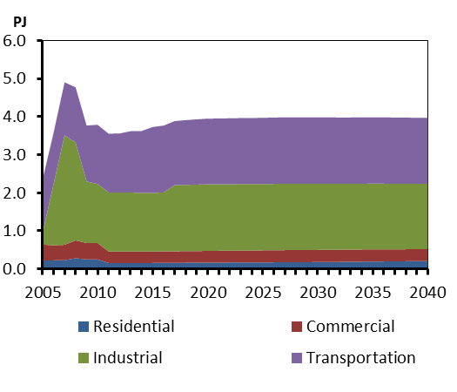

Figure NU.2
Figure NU.2 - Primary Fuel Mix of Nunavut

 | 2005 | 2010 | 2015 | 2020 | 2025 | 2030 | 2035 | 2040
Refined Petroleum Products | 0.99893431506 | 0.999051933 | 0.9993124427 | 0.94286700613 | 0.94365028717 | 0.94382498834 | 0.94427394266 | 0.94474320494
Hydro | 0 | 0 | 0 | 0.056313109519 | 0.055520102106 | 0.055327086955 | 0.054864205835 | 0.054381357345
Other Renewables | 0.0010656849448 | 0.00094806699673 | 0.00068755729644 | 0.00081988435315 | 0.00082961072112 | 0.00084792470429 | 0.00086185150929 | 0.00087543771886

