R1
Figure R.1 – Demande totale de combustibles fossiles selon le scénario de référence

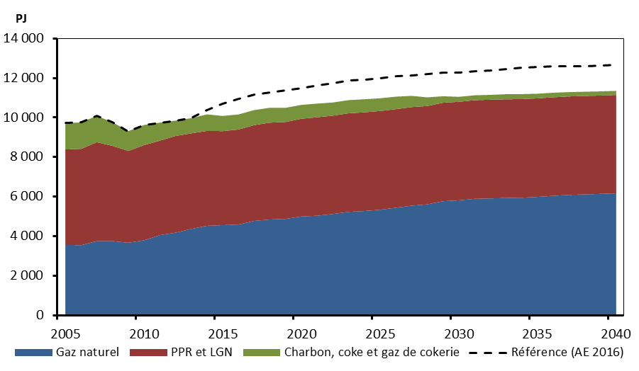
 | Gaz naturel | PPR et LGN | Charbon, coke et gaz de cokerie | Référence (AE 2016)
2005 | 3565 | 4822 | 1334 | 9720
2006 | 3547 | 4871 | 1334 | 9752
2007 | 3755 | 4999 | 1330 | 10084
2008 | 3753 | 4814 | 1193 | 9760
2009 | 3671 | 4641 | 1001 | 9313
2010 | 3795 | 4813 | 1019 | 9627
2011 | 4055 | 4777 | 907 | 9739
2012 | 4181 | 4889 | 773 | 9844
2013 | 4372 | 4828 | 771 | 9971
2014 | 4529 | 4798 | 834 | 10361
2015 | 4562 | 4753 | 768 | 10678
2016 | 4590 | 4805 | 765 | 10951
2017 | 4777 | 4841 | 758 | 11157
2018 | 4848 | 4894 | 754 | 11270
2019 | 4878 | 4898 | 718 | 11389
2020 | 5001 | 4940 | 699 | 11499
2021 | 5037 | 4978 | 692 | 11634
2022 | 5125 | 4972 | 664 | 11741
2023 | 5235 | 4980 | 665 | 11878
2024 | 5275 | 4988 | 663 | 11926
2025 | 5342 | 4991 | 640 | 12000
2026 | 5441 | 4983 | 634 | 12088
2027 | 5546 | 4984 | 565 | 12132
2028 | 5612 | 4971 | 438 | 12183
2029 | 5771 | 4979 | 328 | 12267
2030 | 5816 | 4980 | 253 | 12252
2031 | 5892 | 4985 | 247 | 12329
2032 | 5913 | 4987 | 247 | 12389
2033 | 5935 | 4987 | 258 | 12438
2034 | 5948 | 4985 | 251 | 12510
2035 | 5990 | 4981 | 234 | 12543
2036 | 6045 | 4980 | 232 | 12578
2037 | 6091 | 4977 | 218 | 12585
2038 | 6116 | 4974 | 215 | 12606
2039 | 6142 | 4971 | 211 | 12624
2040 | 6170 | 4970 | 211 | 12645

 |  | 2005 | 2006 | 2007 | 2008 | 2009 | 2010 | 2011 | 2012 | 2013 | 2014 | 2015 | 2016 | 2017 | 2018 | 2019 | 2020 | 2021 | 2022 | 2023 | 2024 | 2025 | 2026 | 2027 | 2028 | 2029 | 2030 | 2031 | 2032 | 2033 | 2034 | 2035 | 2036 | 2037 | 2038 | 2039 | 2040
 | Natural Gas | #SUM('F:\bucom\EF Report\2016\Figures\DMD figures\[TotFuelDemand-Ref.xls]cn'!R$89:R$90) | #SUM('F:\bucom\EF Report\2016\Figures\DMD figures\[TotFuelDemand-Ref.xls]cn'!S$89:S$90) | #SUM('F:\bucom\EF Report\2016\Figures\DMD figures\[TotFuelDemand-Ref.xls]cn'!T$89:T$90) | #SUM('F:\bucom\EF Report\2016\Figures\DMD figures\[TotFuelDemand-Ref.xls]cn'!U$89:U$90) | #SUM('F:\bucom\EF Report\2016\Figures\DMD figures\[TotFuelDemand-Ref.xls]cn'!V$89:V$90) | #SUM('F:\bucom\EF Report\2016\Figures\DMD figures\[TotFuelDemand-Ref.xls]cn'!W$89:W$90) | #SUM('F:\bucom\EF Report\2016\Figures\DMD figures\[TotFuelDemand-Ref.xls]cn'!X$89:X$90) | #SUM('F:\bucom\EF Report\2016\Figures\DMD figures\[TotFuelDemand-Ref.xls]cn'!Y$89:Y$90) | #SUM('F:\bucom\EF Report\2016\Figures\DMD figures\[TotFuelDemand-Ref.xls]cn'!Z$89:Z$90) | #SUM('F:\bucom\EF Report\2016\Figures\DMD figures\[TotFuelDemand-Ref.xls]cn'!AA$89:AA$90) | #SUM('F:\bucom\EF Report\2016\Figures\DMD figures\[TotFuelDemand-Ref.xls]cn'!AB$89:AB$90) | #SUM('F:\bucom\EF Report\2016\Figures\DMD figures\[TotFuelDemand-Ref.xls]cn'!AC$89:AC$90) | #SUM('F:\bucom\EF Report\2016\Figures\DMD figures\[TotFuelDemand-Ref.xls]cn'!AD$89:AD$90) | #SUM('F:\bucom\EF Report\2016\Figures\DMD figures\[TotFuelDemand-Ref.xls]cn'!AE$89:AE$90) | #SUM('F:\bucom\EF Report\2016\Figures\DMD figures\[TotFuelDemand-Ref.xls]cn'!AF$89:AF$90) | #SUM('F:\bucom\EF Report\2016\Figures\DMD figures\[TotFuelDemand-Ref.xls]cn'!AG$89:AG$90) | #SUM('F:\bucom\EF Report\2016\Figures\DMD figures\[TotFuelDemand-Ref.xls]cn'!AH$89:AH$90) | #SUM('F:\bucom\EF Report\2016\Figures\DMD figures\[TotFuelDemand-Ref.xls]cn'!AI$89:AI$90) | #SUM('F:\bucom\EF Report\2016\Figures\DMD figures\[TotFuelDemand-Ref.xls]cn'!AJ$89:AJ$90) | #SUM('F:\bucom\EF Report\2016\Figures\DMD figures\[TotFuelDemand-Ref.xls]cn'!AK$89:AK$90) | #SUM('F:\bucom\EF Report\2016\Figures\DMD figures\[TotFuelDemand-Ref.xls]cn'!AL$89:AL$90) | #SUM('F:\bucom\EF Report\2016\Figures\DMD figures\[TotFuelDemand-Ref.xls]cn'!AM$89:AM$90) | #SUM('F:\bucom\EF Report\2016\Figures\DMD figures\[TotFuelDemand-Ref.xls]cn'!AN$89:AN$90) | #SUM('F:\bucom\EF Report\2016\Figures\DMD figures\[TotFuelDemand-Ref.xls]cn'!AO$89:AO$90) | #SUM('F:\bucom\EF Report\2016\Figures\DMD figures\[TotFuelDemand-Ref.xls]cn'!AP$89:AP$90) | #SUM('F:\bucom\EF Report\2016\Figures\DMD figures\[TotFuelDemand-Ref.xls]cn'!AQ$89:AQ$90) | #SUM('F:\bucom\EF Report\2016\Figures\DMD figures\[TotFuelDemand-Ref.xls]cn'!AR$89:AR$90) | #SUM('F:\bucom\EF Report\2016\Figures\DMD figures\[TotFuelDemand-Ref.xls]cn'!AS$89:AS$90) | #SUM('F:\bucom\EF Report\2016\Figures\DMD figures\[TotFuelDemand-Ref.xls]cn'!AT$89:AT$90) | #SUM('F:\bucom\EF Report\2016\Figures\DMD figures\[TotFuelDemand-Ref.xls]cn'!AU$89:AU$90) | #SUM('F:\bucom\EF Report\2016\Figures\DMD figures\[TotFuelDemand-Ref.xls]cn'!AV$89:AV$90) | #SUM('F:\bucom\EF Report\2016\Figures\DMD figures\[TotFuelDemand-Ref.xls]cn'!AW$89:AW$90) | #SUM('F:\bucom\EF Report\2016\Figures\DMD figures\[TotFuelDemand-Ref.xls]cn'!AX$89:AX$90) | #SUM('F:\bucom\EF Report\2016\Figures\DMD figures\[TotFuelDemand-Ref.xls]cn'!AY$89:AY$90) | #SUM('F:\bucom\EF Report\2016\Figures\DMD figures\[TotFuelDemand-Ref.xls]cn'!AZ$89:AZ$90) | #SUM('F:\bucom\EF Report\2016\Figures\DMD figures\[TotFuelDemand-Ref.xls]cn'!BA$89:BA$90)
 | RPP and NGL | #SUM('F:\bucom\EF Report\2016\Figures\DMD figures\[TotFuelDemand-Ref.xls]cn'!R$66:R$68,'F:\bucom\EF Report\2016\Figures\DMD figures\[TotFuelDemand-Ref.xls]cn'!R$74,'F:\bucom\EF Report\2016\Figures\DMD figures\[TotFuelDemand-Ref.xls]cn'!R$77,'F:\bucom\EF Report\2016\Figures\DMD figures\[TotFuelDemand-Ref.xls]cn'!R$79,'F:\bucom\EF Report\2016\Figures\DMD figures\[TotFuelDemand-Ref.xls]cn'!R$82,'F:\bucom\EF Report\2016\Figures\DMD figures\[TotFuelDemand-Ref.xls]cn'!R$83,'F:\bucom\EF Report\2016\Figures\DMD figures\[TotFuelDemand-Ref.xls]cn'!R$85:R$87,'F:\bucom\EF Report\2016\Figures\DMD figures\[TotFuelDemand-Ref.xls]cn'!R$92:R$95,'F:\bucom\EF Report\2016\Figures\DMD figures\[TotFuelDemand-Ref.xls]cn'!R$88,'F:\bucom\EF Report\2016\Figures\DMD figures\[TotFuelDemand-Ref.xls]cn'!R$98,'F:\bucom\EF Report\2016\Figures\DMD figures\[TotFuelDemand-Ref.xls]cn'!R$101:R$102) | #SUM('F:\bucom\EF Report\2016\Figures\DMD figures\[TotFuelDemand-Ref.xls]cn'!S$66:S$68,'F:\bucom\EF Report\2016\Figures\DMD figures\[TotFuelDemand-Ref.xls]cn'!S$74,'F:\bucom\EF Report\2016\Figures\DMD figures\[TotFuelDemand-Ref.xls]cn'!S$77,'F:\bucom\EF Report\2016\Figures\DMD figures\[TotFuelDemand-Ref.xls]cn'!S$79,'F:\bucom\EF Report\2016\Figures\DMD figures\[TotFuelDemand-Ref.xls]cn'!S$82,'F:\bucom\EF Report\2016\Figures\DMD figures\[TotFuelDemand-Ref.xls]cn'!S$83,'F:\bucom\EF Report\2016\Figures\DMD figures\[TotFuelDemand-Ref.xls]cn'!S$85:S$87,'F:\bucom\EF Report\2016\Figures\DMD figures\[TotFuelDemand-Ref.xls]cn'!S$92:S$95,'F:\bucom\EF Report\2016\Figures\DMD figures\[TotFuelDemand-Ref.xls]cn'!S$88,'F:\bucom\EF Report\2016\Figures\DMD figures\[TotFuelDemand-Ref.xls]cn'!S$98,'F:\bucom\EF Report\2016\Figures\DMD figures\[TotFuelDemand-Ref.xls]cn'!S$101:S$102) | #SUM('F:\bucom\EF Report\2016\Figures\DMD figures\[TotFuelDemand-Ref.xls]cn'!T$66:T$68,'F:\bucom\EF Report\2016\Figures\DMD figures\[TotFuelDemand-Ref.xls]cn'!T$74,'F:\bucom\EF Report\2016\Figures\DMD figures\[TotFuelDemand-Ref.xls]cn'!T$77,'F:\bucom\EF Report\2016\Figures\DMD figures\[TotFuelDemand-Ref.xls]cn'!T$79,'F:\bucom\EF Report\2016\Figures\DMD figures\[TotFuelDemand-Ref.xls]cn'!T$82,'F:\bucom\EF Report\2016\Figures\DMD figures\[TotFuelDemand-Ref.xls]cn'!T$83,'F:\bucom\EF Report\2016\Figures\DMD figures\[TotFuelDemand-Ref.xls]cn'!T$85:T$87,'F:\bucom\EF Report\2016\Figures\DMD figures\[TotFuelDemand-Ref.xls]cn'!T$92:T$95,'F:\bucom\EF Report\2016\Figures\DMD figures\[TotFuelDemand-Ref.xls]cn'!T$88,'F:\bucom\EF Report\2016\Figures\DMD figures\[TotFuelDemand-Ref.xls]cn'!T$98,'F:\bucom\EF Report\2016\Figures\DMD figures\[TotFuelDemand-Ref.xls]cn'!T$101:T$102) | #SUM('F:\bucom\EF Report\2016\Figures\DMD figures\[TotFuelDemand-Ref.xls]cn'!U$66:U$68,'F:\bucom\EF Report\2016\Figures\DMD figures\[TotFuelDemand-Ref.xls]cn'!U$74,'F:\bucom\EF Report\2016\Figures\DMD figures\[TotFuelDemand-Ref.xls]cn'!U$77,'F:\bucom\EF Report\2016\Figures\DMD figures\[TotFuelDemand-Ref.xls]cn'!U$79,'F:\bucom\EF Report\2016\Figures\DMD figures\[TotFuelDemand-Ref.xls]cn'!U$82,'F:\bucom\EF Report\2016\Figures\DMD figures\[TotFuelDemand-Ref.xls]cn'!U$83,'F:\bucom\EF Report\2016\Figures\DMD figures\[TotFuelDemand-Ref.xls]cn'!U$85:U$87,'F:\bucom\EF Report\2016\Figures\DMD figures\[TotFuelDemand-Ref.xls]cn'!U$92:U$95,'F:\bucom\EF Report\2016\Figures\DMD figures\[TotFuelDemand-Ref.xls]cn'!U$88,'F:\bucom\EF Report\2016\Figures\DMD figures\[TotFuelDemand-Ref.xls]cn'!U$98,'F:\bucom\EF Report\2016\Figures\DMD figures\[TotFuelDemand-Ref.xls]cn'!U$101:U$102) | #SUM('F:\bucom\EF Report\2016\Figures\DMD figures\[TotFuelDemand-Ref.xls]cn'!V$66:V$68,'F:\bucom\EF Report\2016\Figures\DMD figures\[TotFuelDemand-Ref.xls]cn'!V$74,'F:\bucom\EF Report\2016\Figures\DMD figures\[TotFuelDemand-Ref.xls]cn'!V$77,'F:\bucom\EF Report\2016\Figures\DMD figures\[TotFuelDemand-Ref.xls]cn'!V$79,'F:\bucom\EF Report\2016\Figures\DMD figures\[TotFuelDemand-Ref.xls]cn'!V$82,'F:\bucom\EF Report\2016\Figures\DMD figures\[TotFuelDemand-Ref.xls]cn'!V$83,'F:\bucom\EF Report\2016\Figures\DMD figures\[TotFuelDemand-Ref.xls]cn'!V$85:V$87,'F:\bucom\EF Report\2016\Figures\DMD figures\[TotFuelDemand-Ref.xls]cn'!V$92:V$95,'F:\bucom\EF Report\2016\Figures\DMD figures\[TotFuelDemand-Ref.xls]cn'!V$88,'F:\bucom\EF Report\2016\Figures\DMD figures\[TotFuelDemand-Ref.xls]cn'!V$98,'F:\bucom\EF Report\2016\Figures\DMD figures\[TotFuelDemand-Ref.xls]cn'!V$101:V$102) | #SUM('F:\bucom\EF Report\2016\Figures\DMD figures\[TotFuelDemand-Ref.xls]cn'!W$66:W$68,'F:\bucom\EF Report\2016\Figures\DMD figures\[TotFuelDemand-Ref.xls]cn'!W$74,'F:\bucom\EF Report\2016\Figures\DMD figures\[TotFuelDemand-Ref.xls]cn'!W$77,'F:\bucom\EF Report\2016\Figures\DMD figures\[TotFuelDemand-Ref.xls]cn'!W$79,'F:\bucom\EF Report\2016\Figures\DMD figures\[TotFuelDemand-Ref.xls]cn'!W$82,'F:\bucom\EF Report\2016\Figures\DMD figures\[TotFuelDemand-Ref.xls]cn'!W$83,'F:\bucom\EF Report\2016\Figures\DMD figures\[TotFuelDemand-Ref.xls]cn'!W$85:W$87,'F:\bucom\EF Report\2016\Figures\DMD figures\[TotFuelDemand-Ref.xls]cn'!W$92:W$95,'F:\bucom\EF Report\2016\Figures\DMD figures\[TotFuelDemand-Ref.xls]cn'!W$88,'F:\bucom\EF Report\2016\Figures\DMD figures\[TotFuelDemand-Ref.xls]cn'!W$98,'F:\bucom\EF Report\2016\Figures\DMD figures\[TotFuelDemand-Ref.xls]cn'!W$101:W$102) | #SUM('F:\bucom\EF Report\2016\Figures\DMD figures\[TotFuelDemand-Ref.xls]cn'!X$66:X$68,'F:\bucom\EF Report\2016\Figures\DMD figures\[TotFuelDemand-Ref.xls]cn'!X$74,'F:\bucom\EF Report\2016\Figures\DMD figures\[TotFuelDemand-Ref.xls]cn'!X$77,'F:\bucom\EF Report\2016\Figures\DMD figures\[TotFuelDemand-Ref.xls]cn'!X$79,'F:\bucom\EF Report\2016\Figures\DMD figures\[TotFuelDemand-Ref.xls]cn'!X$82,'F:\bucom\EF Report\2016\Figures\DMD figures\[TotFuelDemand-Ref.xls]cn'!X$83,'F:\bucom\EF Report\2016\Figures\DMD figures\[TotFuelDemand-Ref.xls]cn'!X$85:X$87,'F:\bucom\EF Report\2016\Figures\DMD figures\[TotFuelDemand-Ref.xls]cn'!X$92:X$95,'F:\bucom\EF Report\2016\Figures\DMD figures\[TotFuelDemand-Ref.xls]cn'!X$88,'F:\bucom\EF Report\2016\Figures\DMD figures\[TotFuelDemand-Ref.xls]cn'!X$98,'F:\bucom\EF Report\2016\Figures\DMD figures\[TotFuelDemand-Ref.xls]cn'!X$101:X$102) | #SUM('F:\bucom\EF Report\2016\Figures\DMD figures\[TotFuelDemand-Ref.xls]cn'!Y$66:Y$68,'F:\bucom\EF Report\2016\Figures\DMD figures\[TotFuelDemand-Ref.xls]cn'!Y$74,'F:\bucom\EF Report\2016\Figures\DMD figures\[TotFuelDemand-Ref.xls]cn'!Y$77,'F:\bucom\EF Report\2016\Figures\DMD figures\[TotFuelDemand-Ref.xls]cn'!Y$79,'F:\bucom\EF Report\2016\Figures\DMD figures\[TotFuelDemand-Ref.xls]cn'!Y$82,'F:\bucom\EF Report\2016\Figures\DMD figures\[TotFuelDemand-Ref.xls]cn'!Y$83,'F:\bucom\EF Report\2016\Figures\DMD figures\[TotFuelDemand-Ref.xls]cn'!Y$85:Y$87,'F:\bucom\EF Report\2016\Figures\DMD figures\[TotFuelDemand-Ref.xls]cn'!Y$92:Y$95,'F:\bucom\EF Report\2016\Figures\DMD figures\[TotFuelDemand-Ref.xls]cn'!Y$88,'F:\bucom\EF Report\2016\Figures\DMD figures\[TotFuelDemand-Ref.xls]cn'!Y$98,'F:\bucom\EF Report\2016\Figures\DMD figures\[TotFuelDemand-Ref.xls]cn'!Y$101:Y$102) | #SUM('F:\bucom\EF Report\2016\Figures\DMD figures\[TotFuelDemand-Ref.xls]cn'!Z$66:Z$68,'F:\bucom\EF Report\2016\Figures\DMD figures\[TotFuelDemand-Ref.xls]cn'!Z$74,'F:\bucom\EF Report\2016\Figures\DMD figures\[TotFuelDemand-Ref.xls]cn'!Z$77,'F:\bucom\EF Report\2016\Figures\DMD figures\[TotFuelDemand-Ref.xls]cn'!Z$79,'F:\bucom\EF Report\2016\Figures\DMD figures\[TotFuelDemand-Ref.xls]cn'!Z$82,'F:\bucom\EF Report\2016\Figures\DMD figures\[TotFuelDemand-Ref.xls]cn'!Z$83,'F:\bucom\EF Report\2016\Figures\DMD figures\[TotFuelDemand-Ref.xls]cn'!Z$85:Z$87,'F:\bucom\EF Report\2016\Figures\DMD figures\[TotFuelDemand-Ref.xls]cn'!Z$92:Z$95,'F:\bucom\EF Report\2016\Figures\DMD figures\[TotFuelDemand-Ref.xls]cn'!Z$88,'F:\bucom\EF Report\2016\Figures\DMD figures\[TotFuelDemand-Ref.xls]cn'!Z$98,'F:\bucom\EF Report\2016\Figures\DMD figures\[TotFuelDemand-Ref.xls]cn'!Z$101:Z$102) | #SUM('F:\bucom\EF Report\2016\Figures\DMD figures\[TotFuelDemand-Ref.xls]cn'!AA$66:AA$68,'F:\bucom\EF Report\2016\Figures\DMD figures\[TotFuelDemand-Ref.xls]cn'!AA$74,'F:\bucom\EF Report\2016\Figures\DMD figures\[TotFuelDemand-Ref.xls]cn'!AA$77,'F:\bucom\EF Report\2016\Figures\DMD figures\[TotFuelDemand-Ref.xls]cn'!AA$79,'F:\bucom\EF Report\2016\Figures\DMD figures\[TotFuelDemand-Ref.xls]cn'!AA$82,'F:\bucom\EF Report\2016\Figures\DMD figures\[TotFuelDemand-Ref.xls]cn'!AA$83,'F:\bucom\EF Report\2016\Figures\DMD figures\[TotFuelDemand-Ref.xls]cn'!AA$85:AA$87,'F:\bucom\EF Report\2016\Figures\DMD figures\[TotFuelDemand-Ref.xls]cn'!AA$92:AA$95,'F:\bucom\EF Report\2016\Figures\DMD figures\[TotFuelDemand-Ref.xls]cn'!AA$88,'F:\bucom\EF Report\2016\Figures\DMD figures\[TotFuelDemand-Ref.xls]cn'!AA$98,'F:\bucom\EF Report\2016\Figures\DMD figures\[TotFuelDemand-Ref.xls]cn'!AA$101:AA$102) | #SUM('F:\bucom\EF Report\2016\Figures\DMD figures\[TotFuelDemand-Ref.xls]cn'!AB$66:AB$68,'F:\bucom\EF Report\2016\Figures\DMD figures\[TotFuelDemand-Ref.xls]cn'!AB$74,'F:\bucom\EF Report\2016\Figures\DMD figures\[TotFuelDemand-Ref.xls]cn'!AB$77,'F:\bucom\EF Report\2016\Figures\DMD figures\[TotFuelDemand-Ref.xls]cn'!AB$79,'F:\bucom\EF Report\2016\Figures\DMD figures\[TotFuelDemand-Ref.xls]cn'!AB$82,'F:\bucom\EF Report\2016\Figures\DMD figures\[TotFuelDemand-Ref.xls]cn'!AB$83,'F:\bucom\EF Report\2016\Figures\DMD figures\[TotFuelDemand-Ref.xls]cn'!AB$85:AB$87,'F:\bucom\EF Report\2016\Figures\DMD figures\[TotFuelDemand-Ref.xls]cn'!AB$92:AB$95,'F:\bucom\EF Report\2016\Figures\DMD figures\[TotFuelDemand-Ref.xls]cn'!AB$88,'F:\bucom\EF Report\2016\Figures\DMD figures\[TotFuelDemand-Ref.xls]cn'!AB$98,'F:\bucom\EF Report\2016\Figures\DMD figures\[TotFuelDemand-Ref.xls]cn'!AB$101:AB$102) | #SUM('F:\bucom\EF Report\2016\Figures\DMD figures\[TotFuelDemand-Ref.xls]cn'!AC$66:AC$68,'F:\bucom\EF Report\2016\Figures\DMD figures\[TotFuelDemand-Ref.xls]cn'!AC$74,'F:\bucom\EF Report\2016\Figures\DMD figures\[TotFuelDemand-Ref.xls]cn'!AC$77,'F:\bucom\EF Report\2016\Figures\DMD figures\[TotFuelDemand-Ref.xls]cn'!AC$79,'F:\bucom\EF Report\2016\Figures\DMD figures\[TotFuelDemand-Ref.xls]cn'!AC$82,'F:\bucom\EF Report\2016\Figures\DMD figures\[TotFuelDemand-Ref.xls]cn'!AC$83,'F:\bucom\EF Report\2016\Figures\DMD figures\[TotFuelDemand-Ref.xls]cn'!AC$85:AC$87,'F:\bucom\EF Report\2016\Figures\DMD figures\[TotFuelDemand-Ref.xls]cn'!AC$92:AC$95,'F:\bucom\EF Report\2016\Figures\DMD figures\[TotFuelDemand-Ref.xls]cn'!AC$88,'F:\bucom\EF Report\2016\Figures\DMD figures\[TotFuelDemand-Ref.xls]cn'!AC$98,'F:\bucom\EF Report\2016\Figures\DMD figures\[TotFuelDemand-Ref.xls]cn'!AC$101:AC$102) | #SUM('F:\bucom\EF Report\2016\Figures\DMD figures\[TotFuelDemand-Ref.xls]cn'!AD$66:AD$68,'F:\bucom\EF Report\2016\Figures\DMD figures\[TotFuelDemand-Ref.xls]cn'!AD$74,'F:\bucom\EF Report\2016\Figures\DMD figures\[TotFuelDemand-Ref.xls]cn'!AD$77,'F:\bucom\EF Report\2016\Figures\DMD figures\[TotFuelDemand-Ref.xls]cn'!AD$79,'F:\bucom\EF Report\2016\Figures\DMD figures\[TotFuelDemand-Ref.xls]cn'!AD$82,'F:\bucom\EF Report\2016\Figures\DMD figures\[TotFuelDemand-Ref.xls]cn'!AD$83,'F:\bucom\EF Report\2016\Figures\DMD figures\[TotFuelDemand-Ref.xls]cn'!AD$85:AD$87,'F:\bucom\EF Report\2016\Figures\DMD figures\[TotFuelDemand-Ref.xls]cn'!AD$92:AD$95,'F:\bucom\EF Report\2016\Figures\DMD figures\[TotFuelDemand-Ref.xls]cn'!AD$88,'F:\bucom\EF Report\2016\Figures\DMD figures\[TotFuelDemand-Ref.xls]cn'!AD$98,'F:\bucom\EF Report\2016\Figures\DMD figures\[TotFuelDemand-Ref.xls]cn'!AD$101:AD$102) | #SUM('F:\bucom\EF Report\2016\Figures\DMD figures\[TotFuelDemand-Ref.xls]cn'!AE$66:AE$68,'F:\bucom\EF Report\2016\Figures\DMD figures\[TotFuelDemand-Ref.xls]cn'!AE$74,'F:\bucom\EF Report\2016\Figures\DMD figures\[TotFuelDemand-Ref.xls]cn'!AE$77,'F:\bucom\EF Report\2016\Figures\DMD figures\[TotFuelDemand-Ref.xls]cn'!AE$79,'F:\bucom\EF Report\2016\Figures\DMD figures\[TotFuelDemand-Ref.xls]cn'!AE$82,'F:\bucom\EF Report\2016\Figures\DMD figures\[TotFuelDemand-Ref.xls]cn'!AE$83,'F:\bucom\EF Report\2016\Figures\DMD figures\[TotFuelDemand-Ref.xls]cn'!AE$85:AE$87,'F:\bucom\EF Report\2016\Figures\DMD figures\[TotFuelDemand-Ref.xls]cn'!AE$92:AE$95,'F:\bucom\EF Report\2016\Figures\DMD figures\[TotFuelDemand-Ref.xls]cn'!AE$88,'F:\bucom\EF Report\2016\Figures\DMD figures\[TotFuelDemand-Ref.xls]cn'!AE$98,'F:\bucom\EF Report\2016\Figures\DMD figures\[TotFuelDemand-Ref.xls]cn'!AE$101:AE$102) | #SUM('F:\bucom\EF Report\2016\Figures\DMD figures\[TotFuelDemand-Ref.xls]cn'!AF$66:AF$68,'F:\bucom\EF Report\2016\Figures\DMD figures\[TotFuelDemand-Ref.xls]cn'!AF$74,'F:\bucom\EF Report\2016\Figures\DMD figures\[TotFuelDemand-Ref.xls]cn'!AF$77,'F:\bucom\EF Report\2016\Figures\DMD figures\[TotFuelDemand-Ref.xls]cn'!AF$79,'F:\bucom\EF Report\2016\Figures\DMD figures\[TotFuelDemand-Ref.xls]cn'!AF$82,'F:\bucom\EF Report\2016\Figures\DMD figures\[TotFuelDemand-Ref.xls]cn'!AF$83,'F:\bucom\EF Report\2016\Figures\DMD figures\[TotFuelDemand-Ref.xls]cn'!AF$85:AF$87,'F:\bucom\EF Report\2016\Figures\DMD figures\[TotFuelDemand-Ref.xls]cn'!AF$92:AF$95,'F:\bucom\EF Report\2016\Figures\DMD figures\[TotFuelDemand-Ref.xls]cn'!AF$88,'F:\bucom\EF Report\2016\Figures\DMD figures\[TotFuelDemand-Ref.xls]cn'!AF$98,'F:\bucom\EF Report\2016\Figures\DMD figures\[TotFuelDemand-Ref.xls]cn'!AF$101:AF$102) | #SUM('F:\bucom\EF Report\2016\Figures\DMD figures\[TotFuelDemand-Ref.xls]cn'!AG$66:AG$68,'F:\bucom\EF Report\2016\Figures\DMD figures\[TotFuelDemand-Ref.xls]cn'!AG$74,'F:\bucom\EF Report\2016\Figures\DMD figures\[TotFuelDemand-Ref.xls]cn'!AG$77,'F:\bucom\EF Report\2016\Figures\DMD figures\[TotFuelDemand-Ref.xls]cn'!AG$79,'F:\bucom\EF Report\2016\Figures\DMD figures\[TotFuelDemand-Ref.xls]cn'!AG$82,'F:\bucom\EF Report\2016\Figures\DMD figures\[TotFuelDemand-Ref.xls]cn'!AG$83,'F:\bucom\EF Report\2016\Figures\DMD figures\[TotFuelDemand-Ref.xls]cn'!AG$85:AG$87,'F:\bucom\EF Report\2016\Figures\DMD figures\[TotFuelDemand-Ref.xls]cn'!AG$92:AG$95,'F:\bucom\EF Report\2016\Figures\DMD figures\[TotFuelDemand-Ref.xls]cn'!AG$88,'F:\bucom\EF Report\2016\Figures\DMD figures\[TotFuelDemand-Ref.xls]cn'!AG$98,'F:\bucom\EF Report\2016\Figures\DMD figures\[TotFuelDemand-Ref.xls]cn'!AG$101:AG$102) | #SUM('F:\bucom\EF Report\2016\Figures\DMD figures\[TotFuelDemand-Ref.xls]cn'!AH$66:AH$68,'F:\bucom\EF Report\2016\Figures\DMD figures\[TotFuelDemand-Ref.xls]cn'!AH$74,'F:\bucom\EF Report\2016\Figures\DMD figures\[TotFuelDemand-Ref.xls]cn'!AH$77,'F:\bucom\EF Report\2016\Figures\DMD figures\[TotFuelDemand-Ref.xls]cn'!AH$79,'F:\bucom\EF Report\2016\Figures\DMD figures\[TotFuelDemand-Ref.xls]cn'!AH$82,'F:\bucom\EF Report\2016\Figures\DMD figures\[TotFuelDemand-Ref.xls]cn'!AH$83,'F:\bucom\EF Report\2016\Figures\DMD figures\[TotFuelDemand-Ref.xls]cn'!AH$85:AH$87,'F:\bucom\EF Report\2016\Figures\DMD figures\[TotFuelDemand-Ref.xls]cn'!AH$92:AH$95,'F:\bucom\EF Report\2016\Figures\DMD figures\[TotFuelDemand-Ref.xls]cn'!AH$88,'F:\bucom\EF Report\2016\Figures\DMD figures\[TotFuelDemand-Ref.xls]cn'!AH$98,'F:\bucom\EF Report\2016\Figures\DMD figures\[TotFuelDemand-Ref.xls]cn'!AH$101:AH$102) | #SUM('F:\bucom\EF Report\2016\Figures\DMD figures\[TotFuelDemand-Ref.xls]cn'!AI$66:AI$68,'F:\bucom\EF Report\2016\Figures\DMD figures\[TotFuelDemand-Ref.xls]cn'!AI$74,'F:\bucom\EF Report\2016\Figures\DMD figures\[TotFuelDemand-Ref.xls]cn'!AI$77,'F:\bucom\EF Report\2016\Figures\DMD figures\[TotFuelDemand-Ref.xls]cn'!AI$79,'F:\bucom\EF Report\2016\Figures\DMD figures\[TotFuelDemand-Ref.xls]cn'!AI$82,'F:\bucom\EF Report\2016\Figures\DMD figures\[TotFuelDemand-Ref.xls]cn'!AI$83,'F:\bucom\EF Report\2016\Figures\DMD figures\[TotFuelDemand-Ref.xls]cn'!AI$85:AI$87,'F:\bucom\EF Report\2016\Figures\DMD figures\[TotFuelDemand-Ref.xls]cn'!AI$92:AI$95,'F:\bucom\EF Report\2016\Figures\DMD figures\[TotFuelDemand-Ref.xls]cn'!AI$88,'F:\bucom\EF Report\2016\Figures\DMD figures\[TotFuelDemand-Ref.xls]cn'!AI$98,'F:\bucom\EF Report\2016\Figures\DMD figures\[TotFuelDemand-Ref.xls]cn'!AI$101:AI$102) | #SUM('F:\bucom\EF Report\2016\Figures\DMD figures\[TotFuelDemand-Ref.xls]cn'!AJ$66:AJ$68,'F:\bucom\EF Report\2016\Figures\DMD figures\[TotFuelDemand-Ref.xls]cn'!AJ$74,'F:\bucom\EF Report\2016\Figures\DMD figures\[TotFuelDemand-Ref.xls]cn'!AJ$77,'F:\bucom\EF Report\2016\Figures\DMD figures\[TotFuelDemand-Ref.xls]cn'!AJ$79,'F:\bucom\EF Report\2016\Figures\DMD figures\[TotFuelDemand-Ref.xls]cn'!AJ$82,'F:\bucom\EF Report\2016\Figures\DMD figures\[TotFuelDemand-Ref.xls]cn'!AJ$83,'F:\bucom\EF Report\2016\Figures\DMD figures\[TotFuelDemand-Ref.xls]cn'!AJ$85:AJ$87,'F:\bucom\EF Report\2016\Figures\DMD figures\[TotFuelDemand-Ref.xls]cn'!AJ$92:AJ$95,'F:\bucom\EF Report\2016\Figures\DMD figures\[TotFuelDemand-Ref.xls]cn'!AJ$88,'F:\bucom\EF Report\2016\Figures\DMD figures\[TotFuelDemand-Ref.xls]cn'!AJ$98,'F:\bucom\EF Report\2016\Figures\DMD figures\[TotFuelDemand-Ref.xls]cn'!AJ$101:AJ$102) | #SUM('F:\bucom\EF Report\2016\Figures\DMD figures\[TotFuelDemand-Ref.xls]cn'!AK$66:AK$68,'F:\bucom\EF Report\2016\Figures\DMD figures\[TotFuelDemand-Ref.xls]cn'!AK$74,'F:\bucom\EF Report\2016\Figures\DMD figures\[TotFuelDemand-Ref.xls]cn'!AK$77,'F:\bucom\EF Report\2016\Figures\DMD figures\[TotFuelDemand-Ref.xls]cn'!AK$79,'F:\bucom\EF Report\2016\Figures\DMD figures\[TotFuelDemand-Ref.xls]cn'!AK$82,'F:\bucom\EF Report\2016\Figures\DMD figures\[TotFuelDemand-Ref.xls]cn'!AK$83,'F:\bucom\EF Report\2016\Figures\DMD figures\[TotFuelDemand-Ref.xls]cn'!AK$85:AK$87,'F:\bucom\EF Report\2016\Figures\DMD figures\[TotFuelDemand-Ref.xls]cn'!AK$92:AK$95,'F:\bucom\EF Report\2016\Figures\DMD figures\[TotFuelDemand-Ref.xls]cn'!AK$88,'F:\bucom\EF Report\2016\Figures\DMD figures\[TotFuelDemand-Ref.xls]cn'!AK$98,'F:\bucom\EF Report\2016\Figures\DMD figures\[TotFuelDemand-Ref.xls]cn'!AK$101:AK$102) | #SUM('F:\bucom\EF Report\2016\Figures\DMD figures\[TotFuelDemand-Ref.xls]cn'!AL$66:AL$68,'F:\bucom\EF Report\2016\Figures\DMD figures\[TotFuelDemand-Ref.xls]cn'!AL$74,'F:\bucom\EF Report\2016\Figures\DMD figures\[TotFuelDemand-Ref.xls]cn'!AL$77,'F:\bucom\EF Report\2016\Figures\DMD figures\[TotFuelDemand-Ref.xls]cn'!AL$79,'F:\bucom\EF Report\2016\Figures\DMD figures\[TotFuelDemand-Ref.xls]cn'!AL$82,'F:\bucom\EF Report\2016\Figures\DMD figures\[TotFuelDemand-Ref.xls]cn'!AL$83,'F:\bucom\EF Report\2016\Figures\DMD figures\[TotFuelDemand-Ref.xls]cn'!AL$85:AL$87,'F:\bucom\EF Report\2016\Figures\DMD figures\[TotFuelDemand-Ref.xls]cn'!AL$92:AL$95,'F:\bucom\EF Report\2016\Figures\DMD figures\[TotFuelDemand-Ref.xls]cn'!AL$88,'F:\bucom\EF Report\2016\Figures\DMD figures\[TotFuelDemand-Ref.xls]cn'!AL$98,'F:\bucom\EF Report\2016\Figures\DMD figures\[TotFuelDemand-Ref.xls]cn'!AL$101:AL$102) | #SUM('F:\bucom\EF Report\2016\Figures\DMD figures\[TotFuelDemand-Ref.xls]cn'!AM$66:AM$68,'F:\bucom\EF Report\2016\Figures\DMD figures\[TotFuelDemand-Ref.xls]cn'!AM$74,'F:\bucom\EF Report\2016\Figures\DMD figures\[TotFuelDemand-Ref.xls]cn'!AM$77,'F:\bucom\EF Report\2016\Figures\DMD figures\[TotFuelDemand-Ref.xls]cn'!AM$79,'F:\bucom\EF Report\2016\Figures\DMD figures\[TotFuelDemand-Ref.xls]cn'!AM$82,'F:\bucom\EF Report\2016\Figures\DMD figures\[TotFuelDemand-Ref.xls]cn'!AM$83,'F:\bucom\EF Report\2016\Figures\DMD figures\[TotFuelDemand-Ref.xls]cn'!AM$85:AM$87,'F:\bucom\EF Report\2016\Figures\DMD figures\[TotFuelDemand-Ref.xls]cn'!AM$92:AM$95,'F:\bucom\EF Report\2016\Figures\DMD figures\[TotFuelDemand-Ref.xls]cn'!AM$88,'F:\bucom\EF Report\2016\Figures\DMD figures\[TotFuelDemand-Ref.xls]cn'!AM$98,'F:\bucom\EF Report\2016\Figures\DMD figures\[TotFuelDemand-Ref.xls]cn'!AM$101:AM$102) | #SUM('F:\bucom\EF Report\2016\Figures\DMD figures\[TotFuelDemand-Ref.xls]cn'!AN$66:AN$68,'F:\bucom\EF Report\2016\Figures\DMD figures\[TotFuelDemand-Ref.xls]cn'!AN$74,'F:\bucom\EF Report\2016\Figures\DMD figures\[TotFuelDemand-Ref.xls]cn'!AN$77,'F:\bucom\EF Report\2016\Figures\DMD figures\[TotFuelDemand-Ref.xls]cn'!AN$79,'F:\bucom\EF Report\2016\Figures\DMD figures\[TotFuelDemand-Ref.xls]cn'!AN$82,'F:\bucom\EF Report\2016\Figures\DMD figures\[TotFuelDemand-Ref.xls]cn'!AN$83,'F:\bucom\EF Report\2016\Figures\DMD figures\[TotFuelDemand-Ref.xls]cn'!AN$85:AN$87,'F:\bucom\EF Report\2016\Figures\DMD figures\[TotFuelDemand-Ref.xls]cn'!AN$92:AN$95,'F:\bucom\EF Report\2016\Figures\DMD figures\[TotFuelDemand-Ref.xls]cn'!AN$88,'F:\bucom\EF Report\2016\Figures\DMD figures\[TotFuelDemand-Ref.xls]cn'!AN$98,'F:\bucom\EF Report\2016\Figures\DMD figures\[TotFuelDemand-Ref.xls]cn'!AN$101:AN$102) | #SUM('F:\bucom\EF Report\2016\Figures\DMD figures\[TotFuelDemand-Ref.xls]cn'!AO$66:AO$68,'F:\bucom\EF Report\2016\Figures\DMD figures\[TotFuelDemand-Ref.xls]cn'!AO$74,'F:\bucom\EF Report\2016\Figures\DMD figures\[TotFuelDemand-Ref.xls]cn'!AO$77,'F:\bucom\EF Report\2016\Figures\DMD figures\[TotFuelDemand-Ref.xls]cn'!AO$79,'F:\bucom\EF Report\2016\Figures\DMD figures\[TotFuelDemand-Ref.xls]cn'!AO$82,'F:\bucom\EF Report\2016\Figures\DMD figures\[TotFuelDemand-Ref.xls]cn'!AO$83,'F:\bucom\EF Report\2016\Figures\DMD figures\[TotFuelDemand-Ref.xls]cn'!AO$85:AO$87,'F:\bucom\EF Report\2016\Figures\DMD figures\[TotFuelDemand-Ref.xls]cn'!AO$92:AO$95,'F:\bucom\EF Report\2016\Figures\DMD figures\[TotFuelDemand-Ref.xls]cn'!AO$88,'F:\bucom\EF Report\2016\Figures\DMD figures\[TotFuelDemand-Ref.xls]cn'!AO$98,'F:\bucom\EF Report\2016\Figures\DMD figures\[TotFuelDemand-Ref.xls]cn'!AO$101:AO$102) | #SUM('F:\bucom\EF Report\2016\Figures\DMD figures\[TotFuelDemand-Ref.xls]cn'!AP$66:AP$68,'F:\bucom\EF Report\2016\Figures\DMD figures\[TotFuelDemand-Ref.xls]cn'!AP$74,'F:\bucom\EF Report\2016\Figures\DMD figures\[TotFuelDemand-Ref.xls]cn'!AP$77,'F:\bucom\EF Report\2016\Figures\DMD figures\[TotFuelDemand-Ref.xls]cn'!AP$79,'F:\bucom\EF Report\2016\Figures\DMD figures\[TotFuelDemand-Ref.xls]cn'!AP$82,'F:\bucom\EF Report\2016\Figures\DMD figures\[TotFuelDemand-Ref.xls]cn'!AP$83,'F:\bucom\EF Report\2016\Figures\DMD figures\[TotFuelDemand-Ref.xls]cn'!AP$85:AP$87,'F:\bucom\EF Report\2016\Figures\DMD figures\[TotFuelDemand-Ref.xls]cn'!AP$92:AP$95,'F:\bucom\EF Report\2016\Figures\DMD figures\[TotFuelDemand-Ref.xls]cn'!AP$88,'F:\bucom\EF Report\2016\Figures\DMD figures\[TotFuelDemand-Ref.xls]cn'!AP$98,'F:\bucom\EF Report\2016\Figures\DMD figures\[TotFuelDemand-Ref.xls]cn'!AP$101:AP$102) | #SUM('F:\bucom\EF Report\2016\Figures\DMD figures\[TotFuelDemand-Ref.xls]cn'!AQ$66:AQ$68,'F:\bucom\EF Report\2016\Figures\DMD figures\[TotFuelDemand-Ref.xls]cn'!AQ$74,'F:\bucom\EF Report\2016\Figures\DMD figures\[TotFuelDemand-Ref.xls]cn'!AQ$77,'F:\bucom\EF Report\2016\Figures\DMD figures\[TotFuelDemand-Ref.xls]cn'!AQ$79,'F:\bucom\EF Report\2016\Figures\DMD figures\[TotFuelDemand-Ref.xls]cn'!AQ$82,'F:\bucom\EF Report\2016\Figures\DMD figures\[TotFuelDemand-Ref.xls]cn'!AQ$83,'F:\bucom\EF Report\2016\Figures\DMD figures\[TotFuelDemand-Ref.xls]cn'!AQ$85:AQ$87,'F:\bucom\EF Report\2016\Figures\DMD figures\[TotFuelDemand-Ref.xls]cn'!AQ$92:AQ$95,'F:\bucom\EF Report\2016\Figures\DMD figures\[TotFuelDemand-Ref.xls]cn'!AQ$88,'F:\bucom\EF Report\2016\Figures\DMD figures\[TotFuelDemand-Ref.xls]cn'!AQ$98,'F:\bucom\EF Report\2016\Figures\DMD figures\[TotFuelDemand-Ref.xls]cn'!AQ$101:AQ$102) | #SUM('F:\bucom\EF Report\2016\Figures\DMD figures\[TotFuelDemand-Ref.xls]cn'!AR$66:AR$68,'F:\bucom\EF Report\2016\Figures\DMD figures\[TotFuelDemand-Ref.xls]cn'!AR$74,'F:\bucom\EF Report\2016\Figures\DMD figures\[TotFuelDemand-Ref.xls]cn'!AR$77,'F:\bucom\EF Report\2016\Figures\DMD figures\[TotFuelDemand-Ref.xls]cn'!AR$79,'F:\bucom\EF Report\2016\Figures\DMD figures\[TotFuelDemand-Ref.xls]cn'!AR$82,'F:\bucom\EF Report\2016\Figures\DMD figures\[TotFuelDemand-Ref.xls]cn'!AR$83,'F:\bucom\EF Report\2016\Figures\DMD figures\[TotFuelDemand-Ref.xls]cn'!AR$85:AR$87,'F:\bucom\EF Report\2016\Figures\DMD figures\[TotFuelDemand-Ref.xls]cn'!AR$92:AR$95,'F:\bucom\EF Report\2016\Figures\DMD figures\[TotFuelDemand-Ref.xls]cn'!AR$88,'F:\bucom\EF Report\2016\Figures\DMD figures\[TotFuelDemand-Ref.xls]cn'!AR$98,'F:\bucom\EF Report\2016\Figures\DMD figures\[TotFuelDemand-Ref.xls]cn'!AR$101:AR$102) | #SUM('F:\bucom\EF Report\2016\Figures\DMD figures\[TotFuelDemand-Ref.xls]cn'!AS$66:AS$68,'F:\bucom\EF Report\2016\Figures\DMD figures\[TotFuelDemand-Ref.xls]cn'!AS$74,'F:\bucom\EF Report\2016\Figures\DMD figures\[TotFuelDemand-Ref.xls]cn'!AS$77,'F:\bucom\EF Report\2016\Figures\DMD figures\[TotFuelDemand-Ref.xls]cn'!AS$79,'F:\bucom\EF Report\2016\Figures\DMD figures\[TotFuelDemand-Ref.xls]cn'!AS$82,'F:\bucom\EF Report\2016\Figures\DMD figures\[TotFuelDemand-Ref.xls]cn'!AS$83,'F:\bucom\EF Report\2016\Figures\DMD figures\[TotFuelDemand-Ref.xls]cn'!AS$85:AS$87,'F:\bucom\EF Report\2016\Figures\DMD figures\[TotFuelDemand-Ref.xls]cn'!AS$92:AS$95,'F:\bucom\EF Report\2016\Figures\DMD figures\[TotFuelDemand-Ref.xls]cn'!AS$88,'F:\bucom\EF Report\2016\Figures\DMD figures\[TotFuelDemand-Ref.xls]cn'!AS$98,'F:\bucom\EF Report\2016\Figures\DMD figures\[TotFuelDemand-Ref.xls]cn'!AS$101:AS$102) | #SUM('F:\bucom\EF Report\2016\Figures\DMD figures\[TotFuelDemand-Ref.xls]cn'!AT$66:AT$68,'F:\bucom\EF Report\2016\Figures\DMD figures\[TotFuelDemand-Ref.xls]cn'!AT$74,'F:\bucom\EF Report\2016\Figures\DMD figures\[TotFuelDemand-Ref.xls]cn'!AT$77,'F:\bucom\EF Report\2016\Figures\DMD figures\[TotFuelDemand-Ref.xls]cn'!AT$79,'F:\bucom\EF Report\2016\Figures\DMD figures\[TotFuelDemand-Ref.xls]cn'!AT$82,'F:\bucom\EF Report\2016\Figures\DMD figures\[TotFuelDemand-Ref.xls]cn'!AT$83,'F:\bucom\EF Report\2016\Figures\DMD figures\[TotFuelDemand-Ref.xls]cn'!AT$85:AT$87,'F:\bucom\EF Report\2016\Figures\DMD figures\[TotFuelDemand-Ref.xls]cn'!AT$92:AT$95,'F:\bucom\EF Report\2016\Figures\DMD figures\[TotFuelDemand-Ref.xls]cn'!AT$88,'F:\bucom\EF Report\2016\Figures\DMD figures\[TotFuelDemand-Ref.xls]cn'!AT$98,'F:\bucom\EF Report\2016\Figures\DMD figures\[TotFuelDemand-Ref.xls]cn'!AT$101:AT$102) | #SUM('F:\bucom\EF Report\2016\Figures\DMD figures\[TotFuelDemand-Ref.xls]cn'!AU$66:AU$68,'F:\bucom\EF Report\2016\Figures\DMD figures\[TotFuelDemand-Ref.xls]cn'!AU$74,'F:\bucom\EF Report\2016\Figures\DMD figures\[TotFuelDemand-Ref.xls]cn'!AU$77,'F:\bucom\EF Report\2016\Figures\DMD figures\[TotFuelDemand-Ref.xls]cn'!AU$79,'F:\bucom\EF Report\2016\Figures\DMD figures\[TotFuelDemand-Ref.xls]cn'!AU$82,'F:\bucom\EF Report\2016\Figures\DMD figures\[TotFuelDemand-Ref.xls]cn'!AU$83,'F:\bucom\EF Report\2016\Figures\DMD figures\[TotFuelDemand-Ref.xls]cn'!AU$85:AU$87,'F:\bucom\EF Report\2016\Figures\DMD figures\[TotFuelDemand-Ref.xls]cn'!AU$92:AU$95,'F:\bucom\EF Report\2016\Figures\DMD figures\[TotFuelDemand-Ref.xls]cn'!AU$88,'F:\bucom\EF Report\2016\Figures\DMD figures\[TotFuelDemand-Ref.xls]cn'!AU$98,'F:\bucom\EF Report\2016\Figures\DMD figures\[TotFuelDemand-Ref.xls]cn'!AU$101:AU$102) | #SUM('F:\bucom\EF Report\2016\Figures\DMD figures\[TotFuelDemand-Ref.xls]cn'!AV$66:AV$68,'F:\bucom\EF Report\2016\Figures\DMD figures\[TotFuelDemand-Ref.xls]cn'!AV$74,'F:\bucom\EF Report\2016\Figures\DMD figures\[TotFuelDemand-Ref.xls]cn'!AV$77,'F:\bucom\EF Report\2016\Figures\DMD figures\[TotFuelDemand-Ref.xls]cn'!AV$79,'F:\bucom\EF Report\2016\Figures\DMD figures\[TotFuelDemand-Ref.xls]cn'!AV$82,'F:\bucom\EF Report\2016\Figures\DMD figures\[TotFuelDemand-Ref.xls]cn'!AV$83,'F:\bucom\EF Report\2016\Figures\DMD figures\[TotFuelDemand-Ref.xls]cn'!AV$85:AV$87,'F:\bucom\EF Report\2016\Figures\DMD figures\[TotFuelDemand-Ref.xls]cn'!AV$92:AV$95,'F:\bucom\EF Report\2016\Figures\DMD figures\[TotFuelDemand-Ref.xls]cn'!AV$88,'F:\bucom\EF Report\2016\Figures\DMD figures\[TotFuelDemand-Ref.xls]cn'!AV$98,'F:\bucom\EF Report\2016\Figures\DMD figures\[TotFuelDemand-Ref.xls]cn'!AV$101:AV$102) | #SUM('F:\bucom\EF Report\2016\Figures\DMD figures\[TotFuelDemand-Ref.xls]cn'!AW$66:AW$68,'F:\bucom\EF Report\2016\Figures\DMD figures\[TotFuelDemand-Ref.xls]cn'!AW$74,'F:\bucom\EF Report\2016\Figures\DMD figures\[TotFuelDemand-Ref.xls]cn'!AW$77,'F:\bucom\EF Report\2016\Figures\DMD figures\[TotFuelDemand-Ref.xls]cn'!AW$79,'F:\bucom\EF Report\2016\Figures\DMD figures\[TotFuelDemand-Ref.xls]cn'!AW$82,'F:\bucom\EF Report\2016\Figures\DMD figures\[TotFuelDemand-Ref.xls]cn'!AW$83,'F:\bucom\EF Report\2016\Figures\DMD figures\[TotFuelDemand-Ref.xls]cn'!AW$85:AW$87,'F:\bucom\EF Report\2016\Figures\DMD figures\[TotFuelDemand-Ref.xls]cn'!AW$92:AW$95,'F:\bucom\EF Report\2016\Figures\DMD figures\[TotFuelDemand-Ref.xls]cn'!AW$88,'F:\bucom\EF Report\2016\Figures\DMD figures\[TotFuelDemand-Ref.xls]cn'!AW$98,'F:\bucom\EF Report\2016\Figures\DMD figures\[TotFuelDemand-Ref.xls]cn'!AW$101:AW$102) | #SUM('F:\bucom\EF Report\2016\Figures\DMD figures\[TotFuelDemand-Ref.xls]cn'!AX$66:AX$68,'F:\bucom\EF Report\2016\Figures\DMD figures\[TotFuelDemand-Ref.xls]cn'!AX$74,'F:\bucom\EF Report\2016\Figures\DMD figures\[TotFuelDemand-Ref.xls]cn'!AX$77,'F:\bucom\EF Report\2016\Figures\DMD figures\[TotFuelDemand-Ref.xls]cn'!AX$79,'F:\bucom\EF Report\2016\Figures\DMD figures\[TotFuelDemand-Ref.xls]cn'!AX$82,'F:\bucom\EF Report\2016\Figures\DMD figures\[TotFuelDemand-Ref.xls]cn'!AX$83,'F:\bucom\EF Report\2016\Figures\DMD figures\[TotFuelDemand-Ref.xls]cn'!AX$85:AX$87,'F:\bucom\EF Report\2016\Figures\DMD figures\[TotFuelDemand-Ref.xls]cn'!AX$92:AX$95,'F:\bucom\EF Report\2016\Figures\DMD figures\[TotFuelDemand-Ref.xls]cn'!AX$88,'F:\bucom\EF Report\2016\Figures\DMD figures\[TotFuelDemand-Ref.xls]cn'!AX$98,'F:\bucom\EF Report\2016\Figures\DMD figures\[TotFuelDemand-Ref.xls]cn'!AX$101:AX$102) | #SUM('F:\bucom\EF Report\2016\Figures\DMD figures\[TotFuelDemand-Ref.xls]cn'!AY$66:AY$68,'F:\bucom\EF Report\2016\Figures\DMD figures\[TotFuelDemand-Ref.xls]cn'!AY$74,'F:\bucom\EF Report\2016\Figures\DMD figures\[TotFuelDemand-Ref.xls]cn'!AY$77,'F:\bucom\EF Report\2016\Figures\DMD figures\[TotFuelDemand-Ref.xls]cn'!AY$79,'F:\bucom\EF Report\2016\Figures\DMD figures\[TotFuelDemand-Ref.xls]cn'!AY$82,'F:\bucom\EF Report\2016\Figures\DMD figures\[TotFuelDemand-Ref.xls]cn'!AY$83,'F:\bucom\EF Report\2016\Figures\DMD figures\[TotFuelDemand-Ref.xls]cn'!AY$85:AY$87,'F:\bucom\EF Report\2016\Figures\DMD figures\[TotFuelDemand-Ref.xls]cn'!AY$92:AY$95,'F:\bucom\EF Report\2016\Figures\DMD figures\[TotFuelDemand-Ref.xls]cn'!AY$88,'F:\bucom\EF Report\2016\Figures\DMD figures\[TotFuelDemand-Ref.xls]cn'!AY$98,'F:\bucom\EF Report\2016\Figures\DMD figures\[TotFuelDemand-Ref.xls]cn'!AY$101:AY$102) | #SUM('F:\bucom\EF Report\2016\Figures\DMD figures\[TotFuelDemand-Ref.xls]cn'!AZ$66:AZ$68,'F:\bucom\EF Report\2016\Figures\DMD figures\[TotFuelDemand-Ref.xls]cn'!AZ$74,'F:\bucom\EF Report\2016\Figures\DMD figures\[TotFuelDemand-Ref.xls]cn'!AZ$77,'F:\bucom\EF Report\2016\Figures\DMD figures\[TotFuelDemand-Ref.xls]cn'!AZ$79,'F:\bucom\EF Report\2016\Figures\DMD figures\[TotFuelDemand-Ref.xls]cn'!AZ$82,'F:\bucom\EF Report\2016\Figures\DMD figures\[TotFuelDemand-Ref.xls]cn'!AZ$83,'F:\bucom\EF Report\2016\Figures\DMD figures\[TotFuelDemand-Ref.xls]cn'!AZ$85:AZ$87,'F:\bucom\EF Report\2016\Figures\DMD figures\[TotFuelDemand-Ref.xls]cn'!AZ$92:AZ$95,'F:\bucom\EF Report\2016\Figures\DMD figures\[TotFuelDemand-Ref.xls]cn'!AZ$88,'F:\bucom\EF Report\2016\Figures\DMD figures\[TotFuelDemand-Ref.xls]cn'!AZ$98,'F:\bucom\EF Report\2016\Figures\DMD figures\[TotFuelDemand-Ref.xls]cn'!AZ$101:AZ$102) | #SUM('F:\bucom\EF Report\2016\Figures\DMD figures\[TotFuelDemand-Ref.xls]cn'!BA$66:BA$68,'F:\bucom\EF Report\2016\Figures\DMD figures\[TotFuelDemand-Ref.xls]cn'!BA$74,'F:\bucom\EF Report\2016\Figures\DMD figures\[TotFuelDemand-Ref.xls]cn'!BA$77,'F:\bucom\EF Report\2016\Figures\DMD figures\[TotFuelDemand-Ref.xls]cn'!BA$79,'F:\bucom\EF Report\2016\Figures\DMD figures\[TotFuelDemand-Ref.xls]cn'!BA$82,'F:\bucom\EF Report\2016\Figures\DMD figures\[TotFuelDemand-Ref.xls]cn'!BA$83,'F:\bucom\EF Report\2016\Figures\DMD figures\[TotFuelDemand-Ref.xls]cn'!BA$85:BA$87,'F:\bucom\EF Report\2016\Figures\DMD figures\[TotFuelDemand-Ref.xls]cn'!BA$92:BA$95,'F:\bucom\EF Report\2016\Figures\DMD figures\[TotFuelDemand-Ref.xls]cn'!BA$88,'F:\bucom\EF Report\2016\Figures\DMD figures\[TotFuelDemand-Ref.xls]cn'!BA$98,'F:\bucom\EF Report\2016\Figures\DMD figures\[TotFuelDemand-Ref.xls]cn'!BA$101:BA$102)
...

R2
...
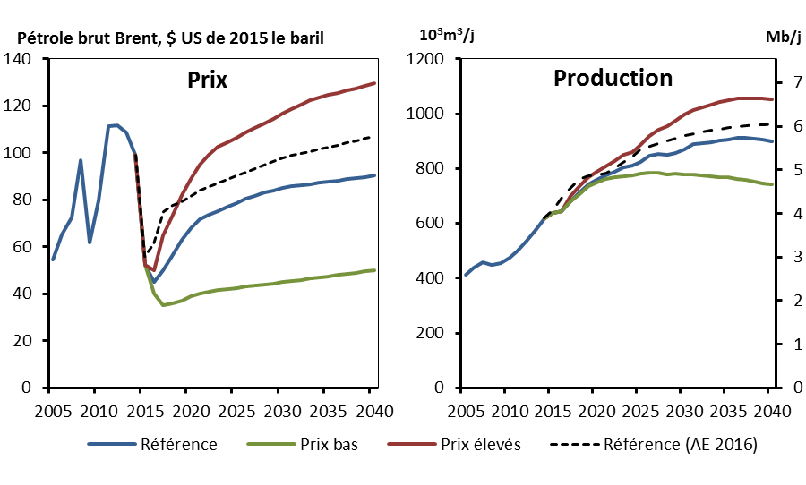
Référence (AE 2016) | Reference | High Price | Low Price | Reference (EF 2016) | dummy
 | 411.7 |  |  |  | 3.0
 | 440.2 |  |  |  | 3.0
 | 457.8 |  |  |  | 3.0
 | 448.2 |  |  |  | 3.0
 | 454.6 |  |  |  | 3.0
 | 474.6 |  |  |  | 3.0
 | 500.2 |  |  |  | 3.0
 | 536.6 |  |  |  | 3.0
 | 576.7 |  |  |  | 3.0
99.0 | 617.8 | 617.8 | 617.8 | 619.0 | 3.0
56.0 | 639.1 | 639.1 | 639.1 | 650.5 | 3.0
61.4 | 643.7 | 643.8 | 643.6 | 694.9 | 3.0
75.0 | 681.4 | 700.9 | 681.0 | 732.2 | 3.0
77.8 | 712.9 | 735.7 | 707.7 | 759.4 | 3.0
79.2 | 743.4 | 769.1 | 734.7 | 772.9 | 3.0
81.6 | 759.2 | 788.7 | 747.5 | 776.0 | 3.0
83.9 | 775.2 | 807.5 | 761.2 | 783.7 | 3.0
85.7 | 788.3 | 828.5 | 767.8 | 800.4 | 3.0
87.3 | 802.7 | 850.3 | 771.4 | 820.8 | 3.0
88.8 | 809.2 | 859.0 | 774.6 | 841.6 | 3.0
90.3 | 825.3 | 885.0 | 782.9 | 870.3 | 3.0
91.8 | 847.0 | 918.9 | 786.2 | 880.3 | 3.0
93.3 | 853.6 | 939.8 | 783.6 | 890.5 | 3.0
94.8 | 849.8 | 953.2 | 779.3 | 901.5 | 3.0
96.4 | 856.4 | 973.7 | 780.8 | 911.1 | 3.0
98.0 | 870.9 | 996.5 | 777.8 | 919.7 | 3.0
98.8 | 888.2 | 1014.2 | 777.9 | 927.2 | 3.0
99.7 | 892.2 | 1022.8 | 773.5 | 933.5 | 3.0
100.6 | 896.9 | 1033.3 | 770.4 | 938.6 | 3.0
...

R3
Figure R3 – Ajouts de capacité de production et équipements réformés d’ici 2040 selon le scénario de référence

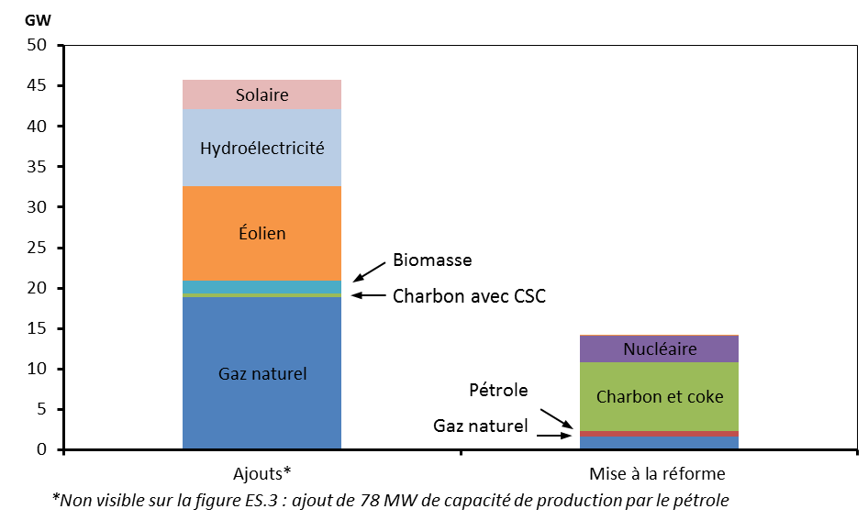
 | Ajouts* | Mise à la réforme
Gaz naturel | 18.9 | 1.6
Pétrole | 0.1 | 0.7
Charbon et coke | 0.4 | 8.5
Nucléaire | 0.0 | 3.2
Biomasse/géothermique | 1.7 | 0.0
Éolien | 11.6 | 0.0
Hydroélectricité | 9.6 | 0.0
Solaire | 3.6 | 0.0

2.1
Figure 2.1 – Prix du pétrole brut sur les marchés mondiaux

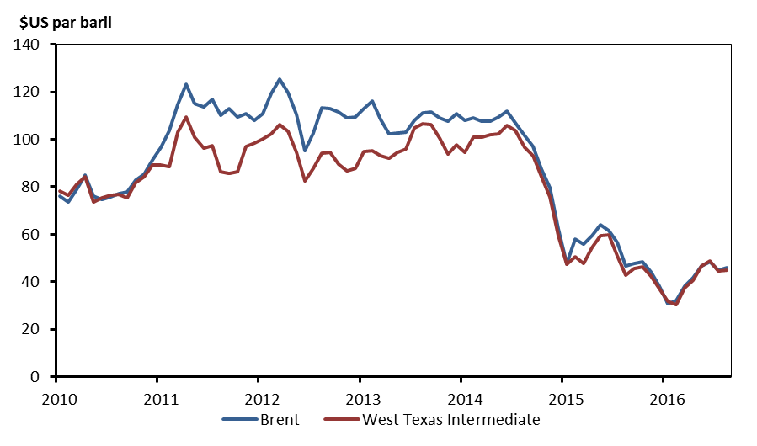
 | Brent | West Texas Intermediate
Jan-10 | 76.2 | 78.3
Feb-10 | 73.8 | 76.4
Mar-10 | 78.8 | 81.2
Apr-10 | 84.8 | 84.3
May-10 | 76.0 | 73.7
Jun-10 | 74.8 | 75.3
Jul-10 | 75.6 | 76.3
Aug-10 | 77.0 | 76.6
Sep-10 | 77.8 | 75.2
Oct-10 | 82.7 | 81.9
Nov-10 | 85.3 | 84.3
Dec-10 | 91.5 | 89.2
Jan-11 | 96.5 | 89.2
Feb-11 | 103.7 | 88.6
Mar-11 | 114.6 | 102.9
Apr-11 | 123.3 | 109.5
May-11 | 115.0 | 100.9
Jun-11 | 113.8 | 96.3
Jul-11 | 117.0 | 97.3
Aug-11 | 110.2 | 86.3
Sep-11 | 112.8 | 85.5
Oct-11 | 109.6 | 86.3
Nov-11 | 110.8 | 97.2
Dec-11 | 107.9 | 98.6
Jan-12 | 110.7 | 100.3
Feb-12 | 119.3 | 102.2
Mar-12 | 125.5 | 106.2
Apr-12 | 119.8 | 103.3
...

2.2
...
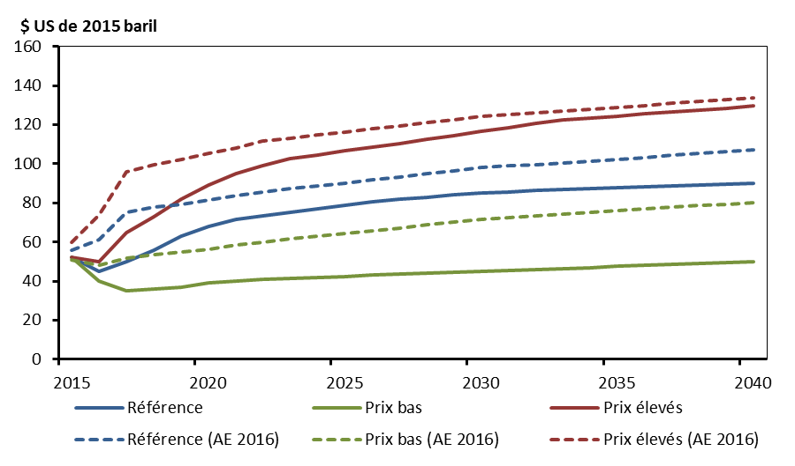
Référence | Prix bas | Prix élevés | Référence (AE 2016) | Prix bas (AE 2016) | Prix élevés (AE 2016)
52.32 | 52.32 | 52.32 | 56.00 | 51.00 | 60.00
45.00 | 40.00 | 50.00 | 61.43 | 47.92 | 73.72
50.00 | 35.00 | 65.00 | 75.00 | 51.80 | 96.00
56.00 | 36.00 | 73.00 | 77.83 | 53.76 | 99.62
63.00 | 37.00 | 82.00 | 79.22 | 54.72 | 102.20
68.00 | 39.00 | 89.00 | 81.62 | 56.38 | 105.29
71.75 | 40.00 | 95.00 | 83.93 | 58.34 | 108.26
73.50 | 41.00 | 99.00 | 85.73 | 59.96 | 111.49
75.25 | 41.50 | 102.50 | 87.33 | 61.45 | 113.20
77.00 | 42.00 | 104.50 | 88.79 | 62.86 | 114.72
78.75 | 42.50 | 106.50 | 90.26 | 64.28 | 116.25
80.50 | 43.00 | 108.50 | 91.77 | 65.72 | 117.81
81.75 | 43.50 | 110.50 | 93.28 | 67.18 | 119.38
83.00 | 44.00 | 112.50 | 94.82 | 68.67 | 120.98
84.00 | 44.50 | 114.50 | 96.40 | 70.19 | 122.61
85.00 | 45.00 | 116.50 | 97.99 | 71.72 | 124.26
85.75 | 45.50 | 118.50 | 98.84 | 72.54 | 125.15
86.25 | 46.00 | 120.50 | 99.72 | 73.37 | 126.07
86.75 | 46.50 | 122.50 | 100.60 | 74.21 | 126.99
87.25 | 47.00 | 123.50 | 101.49 | 75.06 | 127.93
87.75 | 47.50 | 124.50 | 102.40 | 75.92 | 128.88
88.25 | 48.00 | 125.50 | 103.33 | 76.79 | 129.86
88.75 | 48.50 | 126.50 | 104.25 | 77.67 | 130.83
89.25 | 49.00 | 127.50 | 105.19 | 78.56 | 131.82
89.75 | 49.50 | 128.50 | 106.12 | 79.44 | 132.79
90.25 | 50.00 | 129.50 | 107.04 | 80.33 | 133.75

2.3
...
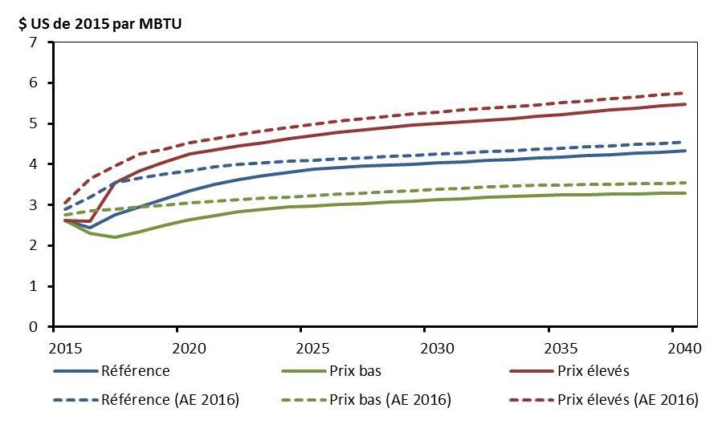
Prix élevés | Prix bas | Référence (AE 2016) | Prix élevés (AE 2016) | Prix bas (AE 2016)
2.62 | 2.62 | 2.9 | 3.05 | 2.75
2.60 | 2.30 | 3.2 | 3.65 | 2.85
3.55 | 2.20 | 3.55 | 3.95 | 2.9
3.85 | 2.35 | 3.67 | 4.25 | 2.95
4.05 | 2.50 | 3.77 | 4.38 | 3
4.25 | 2.63 | 3.85 | 4.53 | 3.05
4.36 | 2.73 | 3.93 | 4.63 | 3.1
4.45 | 2.84 | 3.99 | 4.73 | 3.14
4.54 | 2.90 | 4.04 | 4.82 | 3.17
4.63 | 2.95 | 4.07 | 4.91 | 3.2
4.71 | 2.98 | 4.1 | 4.99 | 3.23
4.78 | 3.01 | 4.13 | 5.06 | 3.26
4.84 | 3.04 | 4.16 | 5.12 | 3.29
4.90 | 3.07 | 4.19 | 5.18 | 3.32
4.96 | 3.10 | 4.22 | 5.24 | 3.35
5.01 | 3.13 | 4.25 | 5.29 | 3.38
5.05 | 3.16 | 4.28 | 5.33 | 3.41
5.09 | 3.19 | 4.31 | 5.37 | 3.44
5.13 | 3.21 | 4.34 | 5.41 | 3.46
5.18 | 3.23 | 4.37 | 5.46 | 3.48
5.23 | 3.24 | 4.4 | 5.51 | 3.49
5.28 | 3.25 | 4.43 | 5.56 | 3.5
5.33 | 3.26 | 4.46 | 5.61 | 3.51
5.38 | 3.27 | 4.49 | 5.66 | 3.52
5.43 | 3.28 | 4.52 | 5.71 | 3.53
5.48 | 3.29 | 4.55 | 5.76 | 3.54

3.1
Figure 3.1 – Croissances historique et projetée de la demande d’énergie pour utilisation finale, par secteur, selon le scénario de référence

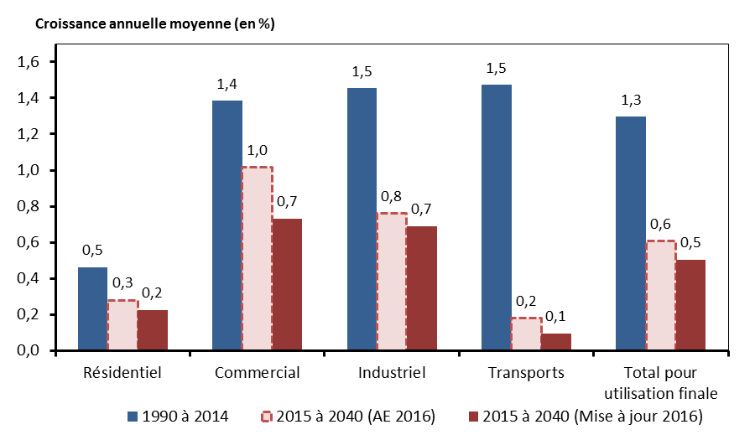
 | 1990 à 2014 | 2015 à 2040 (Mise à jour 2016) | 2015 à 2040 (AE 2016)
Résidentiel | 0.5 | 0.2 | 0.3
Commercial | 1.4 | 0.7 | 1.0
Industriel | 1.5 | 0.7 | 0.8
Transports | 1.5 | 0.1 | 0.2
Total pour utilisation finale | 1.3 | 0.5 | 0.6

3.2
...
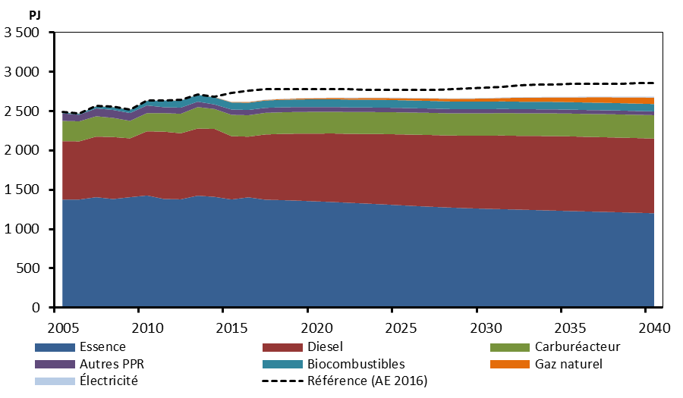
Électricité | Biocombustibles | Essence | Gaz naturel | Autres PPR | Référence (AE 2016)
3 | 11 | 1375 | 2 | 96 | 2489
3 | 12 | 1376 | 2 | 83 | 2473
2 | 28 | 1406 | 2 | 100 | 2567
2 | 37 | 1383 | 2 | 101 | 2557
2 | 42 | 1406 | 2 | 99 | 2523
2 | 58 | 1428 | 2 | 98 | 2636
2 | 85 | 1384 | 1 | 75 | 2640
4 | 90 | 1379 | 1 | 78 | 2641
4 | 87 | 1425 | 1 | 69 | 2715
4 | 90 | 1410 | 3 | 58 | 2684
4 | 90 | 1377 | 6 | 67 | 2732
4 | 92 | 1404 | 8 | 67 | 2765
4 | 93 | 1374 | 7 | 64 | 2783
4 | 95 | 1369 | 10 | 63 | 2782
4 | 97 | 1362 | 12 | 62 | 2781
5 | 99 | 1353 | 14 | 61 | 2782
5 | 99 | 1344 | 16 | 60 | 2783
5 | 99 | 1334 | 20 | 59 | 2780
5 | 98 | 1325 | 22 | 58 | 2774
5 | 98 | 1314 | 24 | 57 | 2771
6 | 98 | 1303 | 26 | 57 | 2770
6 | 97 | 1292 | 28 | 56 | 2769
6 | 97 | 1282 | 31 | 55 | 2773
6 | 97 | 1273 | 35 | 54 | 2779
6 | 96 | 1265 | 38 | 53 | 2789
7 | 96 | 1259 | 40 | 53 | 2801
7 | 96 | 1253 | 43 | 52 | 2814
7 | 96 | 1248 | 50 | 52 | 2824
...

3.3
Figure 3.3 – Projection de la croissance de la demande d’énergie pour utilisation finale selon les scénario de référence, de prix élevés et de prix bas

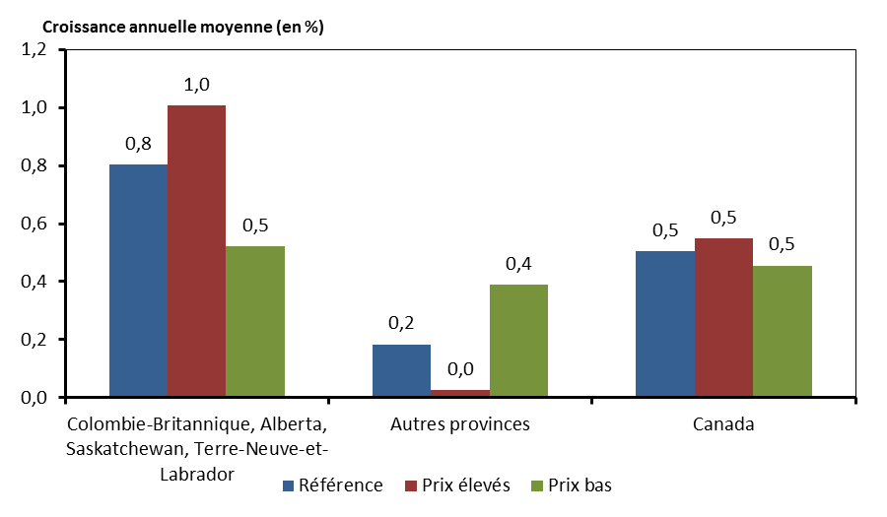
 | Référence | Prix élevés | Prix bas
Colombie-Britannique, Alberta, Saskatchewan, Terre-Neuve-et-Labrador | 0.8 | 1.0 | 0.5
Autres provinces | 0.2 | 0.0 | 0.4
Canada | 0.5 | 0.5 | 0.5

3.4
Figure 3.4 - Part des combustibles dans la demande d’énergie primaire selon le scénario de référence

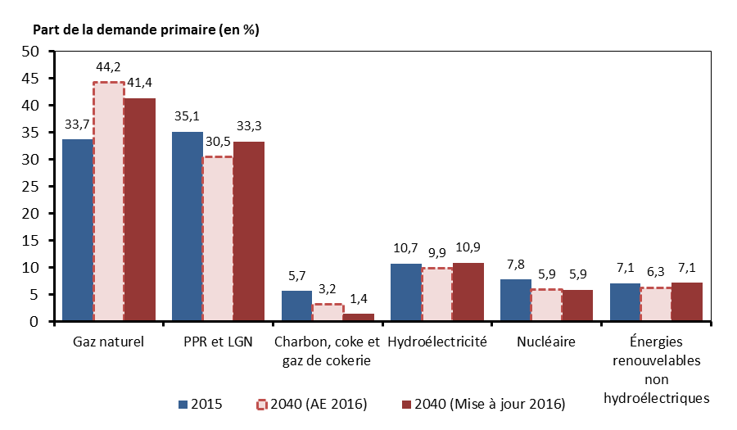
 | 2015 | 2040 (Mise à jour 2016) | 2040 (AE 2016)
Gaz naturel | 33.7 | 41.4 | 44.2
PPR et LGN | 35.1 | 33.3 | 30.5
Charbon, coke et gaz de cokerie | 5.7 | 1.4 | 3.2
Hydroélectricité | 10.7 | 10.9 | 9.9
Nucléaire | 7.8 | 5.9 | 5.9
Énergies renouvelables non hydroélectriques | 7.1 | 7.1 | 6.3

3.5
...
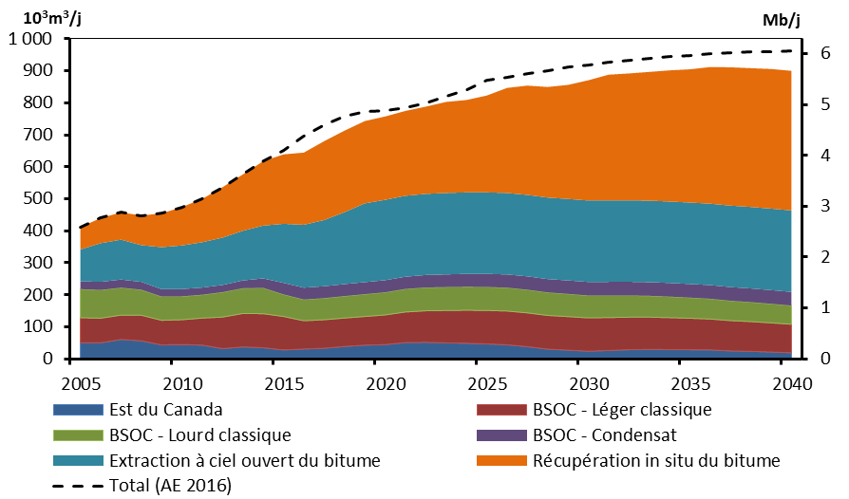
BSOC - Léger classique | BSOC - Lourd classique | BSOC - Condensat | Extraction à ciel ouvert du bitume | Récupération in situ du bitume | Total (AE 2016)
77.8 | 89.5 | 24.2 | 99.6 | 69.7 | 411.7
76.7 | 88.3 | 25.3 | 120.9 | 78.5 | 440.2
76.0 | 85.8 | 25.4 | 124.7 | 85.2 | 457.8
79.9 | 79.8 | 24.5 | 114.7 | 92.7 | 448.2
76.5 | 74.3 | 23.2 | 131.2 | 105.5 | 454.6
77.3 | 73.2 | 22.6 | 136.2 | 120.1 | 474.6
84.3 | 72.9 | 22.5 | 141.8 | 135.4 | 500.2
98.4 | 78.1 | 22.4 | 147.8 | 157.7 | 536.6
104.6 | 78.9 | 24.4 | 155.2 | 176.2 | 576.7
106.3 | 80.7 | 29.6 | 165.0 | 201.2 | 617.8
104.6 | 69.1 | 35.9 | 184.7 | 216.9 | 650.5
88.1 | 66.3 | 37.2 | 196.5 | 225.6 | 694.9
88.9 | 67.3 | 37.4 | 206.9 | 246.5 | 732.2
88.7 | 68.6 | 37.5 | 224.7 | 254.9 | 759.4
89.5 | 69.7 | 37.6 | 246.3 | 257.2 | 772.9
92.4 | 70.9 | 37.7 | 251.4 | 260.4 | 776.0
95.7 | 72.0 | 38.2 | 252.9 | 265.2 | 783.7
98.5 | 72.7 | 39.0 | 253.5 | 272.7 | 800.4
100.9 | 73.2 | 39.8 | 254.5 | 284.6 | 820.8
103.0 | 73.4 | 40.3 | 254.7 | 288.7 | 841.6
104.5 | 73.3 | 40.9 | 254.7 | 302.6 | 870.3
105.3 | 73.0 | 41.3 | 254.7 | 328.4 | 880.3
105.5 | 72.5 | 41.6 | 254.7 | 341.5 | 890.5
105.3 | 71.8 | 41.9 | 254.7 | 345.6 | 901.5
104.8 | 71.0 | 42.1 | 254.7 | 356.5 | 911.1
104.0 | 70.1 | 42.3 | 254.7 | 375.8 | 919.7
102.9 | 69.0 | 42.5 | 254.7 | 392.8 | 927.2
101.7 | 67.9 | 42.6 | 254.7 | 396.6 | 933.5
...

3.6
Figure 3.6 – Production tirée des sables bitumineux selon le scénario de référence

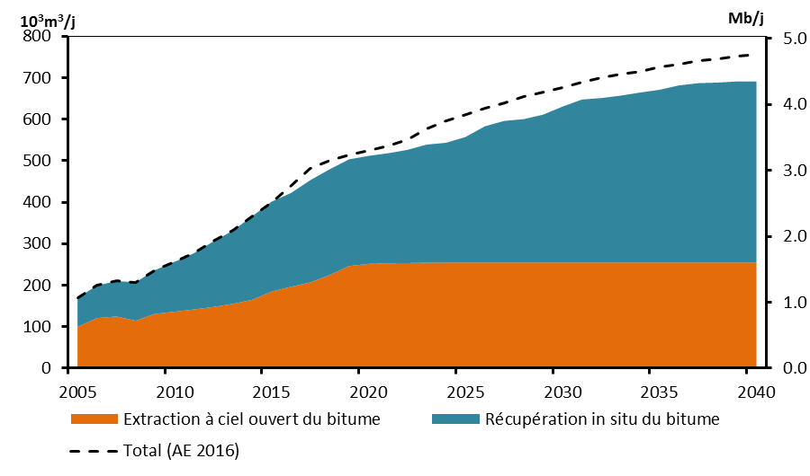
 | Extraction à ciel ouvert du bitume | Récupération in situ du bitume | Total (AE 2016)
2005 | 99.6 | 69.7 | 169.3
2006 | 120.9 | 78.5 | 199.4
2007 | 124.7 | 85.2 | 209.9
2008 | 114.7 | 92.7 | 207.4
2009 | 131.2 | 105.5 | 236.7
2010 | 136.2 | 120.1 | 256.3
2011 | 141.8 | 135.4 | 277.2
2012 | 147.8 | 157.7 | 305.5
2013 | 155.2 | 176.2 | 331.4
2014 | 165.0 | 201.2 | 366.3
2015 | 184.7 | 216.9 | 399.8
2016 | 196.5 | 225.6 | 440.9
2017 | 206.9 | 246.5 | 482.0
2018 | 224.7 | 254.9 | 500.8
2019 | 246.3 | 257.2 | 514.7
2020 | 251.4 | 260.4 | 525.6
2021 | 252.9 | 265.2 | 535.1
2022 | 253.5 | 272.7 | 550.6
2023 | 254.5 | 284.6 | 576.0
2024 | 254.7 | 288.7 | 596.3
2025 | 254.7 | 302.6 | 610.4
2026 | 254.7 | 328.4 | 625.5
2027 | 254.7 | 341.5 | 640.3
2028 | 254.7 | 345.6 | 654.3
2029 | 254.7 | 356.5 | 666.2
2030 | 254.7 | 375.8 | 676.9
2031 | 254.7 | 392.8 | 688.2
2032 | 254.7 | 396.6 | 699.1
...

3.7
Figure 3.7 – Production annuelle moyenne – Gains réalisés dans le RCV pondéré pour l’exploitation des sables bitumineux par des procédés thermiques selon les scénarios de référence, de prix élevés et de prix bas

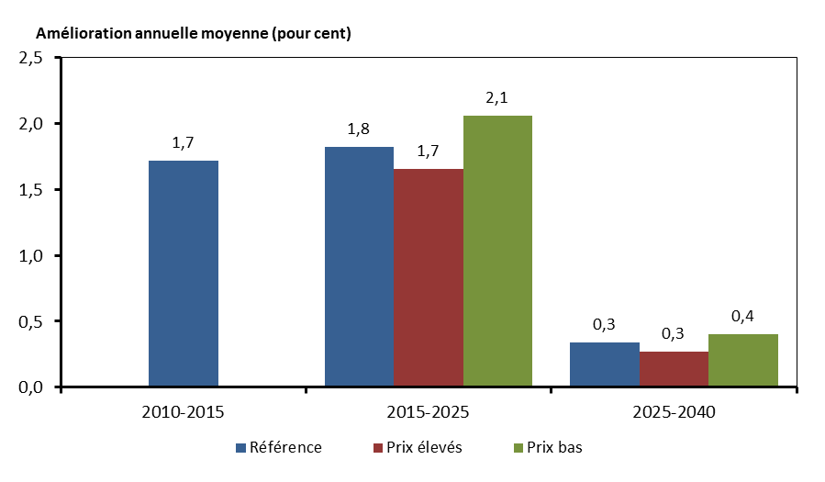
 | Référence | Prix élevés | Prix bas
2010-2015 | 1.72
2015-2025 | 1.82 | 1.65 | 2.06
2025-2040 | 0.34 | 0.27 | 0.40

3.8
Figure 3.8 – Production totale de pétrole au Canada selon les scénarios de référence, de prix élevés et de prix bas

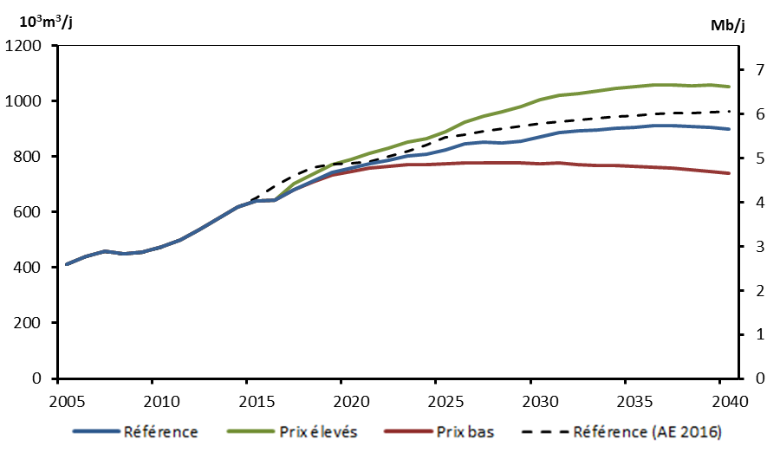
 | Référence | Prix élevés | Prix bas | Référence (AE 2016)
2005 | 411.7 | 411.7 | 411.7 | 411.7
2006 | 440.2 | 440.2 | 440.2 | 440.2
2007 | 457.8 | 457.8 | 457.8 | 457.8
2008 | 448.2 | 448.2 | 448.2 | 448.2
2009 | 454.6 | 454.6 | 454.6 | 454.6
2010 | 474.6 | 474.6 | 474.6 | 474.6
2011 | 500.2 | 500.2 | 500.2 | 500.2
2012 | 536.6 | 536.6 | 536.6 | 536.6
2013 | 576.7 | 576.7 | 576.7 | 576.7
2014 | 617.8 | 617.8 | 617.8 | 617.8
2015 | 639.1 | 639.1 | 639.1 | 650.5
2016 | 644.8 | 644.9 | 644.7 | 694.9
2017 | 680.5 | 701.3 | 679.5 | 732.2
2018 | 713.3 | 737.5 | 707.7 | 759.4
2019 | 743.3 | 770.1 | 734.3 | 772.9
2020 | 757.7 | 790.2 | 744.9 | 776.0
2021 | 775.0 | 810.6 | 759.2 | 783.7
2022 | 788.4 | 832.0 | 766.0 | 800.4
2023 | 803.2 | 854.1 | 770.3 | 820.8
2024 | 809.2 | 864.3 | 770.9 | 841.6
2025 | 823.0 | 889.3 | 773.6 | 870.3
2026 | 846.9 | 922.9 | 779.1 | 880.3
2027 | 854.1 | 945.1 | 778.5 | 890.5
2028 | 849.8 | 961.2 | 777.3 | 901.5
2029 | 856.4 | 980.3 | 776.1 | 911.1
2030 | 870.9 | 1005.3 | 776.0 | 919.7
2031 | 888.2 | 1020.3 | 776.4 | 927.2
2032 | 892.2 | 1026.0 | 772.1 | 933.5
...

3.9
...
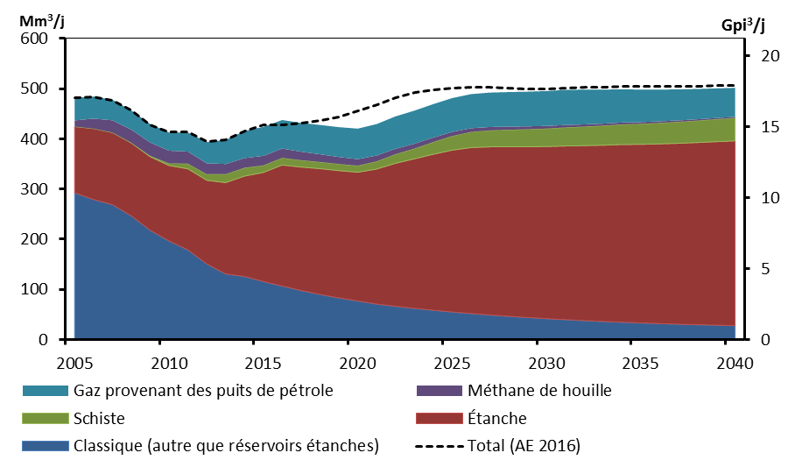
Classique (autre que réservoirs étanches) | Étanche | Schiste | Méthane de houille | Gaz provenant des puits de pétrole | Total (AE 2016)
292.5 | 132.1 | 0.0 | 12.2 | 45.3 | 482.1
279.2 | 141.4 | 0.0 | 19.9 | 44.0 | 484.6
269.1 | 143.6 | 0.0 | 24.5 | 41.0 | 476.8
246.7 | 145.3 | 0.5 | 26.1 | 38.3 | 457.0
218.0 | 146.6 | 1.6 | 26.8 | 36.7 | 428.0
196.7 | 150.3 | 4.4 | 25.2 | 36.4 | 413.3
178.9 | 161.5 | 10.4 | 24.0 | 38.0 | 413.1
150.8 | 166.7 | 12.1 | 21.8 | 42.5 | 394.1
130.9 | 181.9 | 16.8 | 20.3 | 47.9 | 397.9
125.8 | 200.1 | 16.8 | 19.1 | 54.0 | 415.5
115.7 | 217.3 | 14.3 | 19.0 | 57.8 | 427.2
106.7 | 241.2 | 14.4 | 18.5 | 56.9 | 427.0
97.7 | 246.2 | 13.8 | 16.9 | 57.4 | 432.1
90.0 | 250.7 | 13.4 | 15.4 | 58.4 | 436.5
83.0 | 253.8 | 13.2 | 14.1 | 59.5 | 443.9
76.8 | 256.8 | 13.1 | 12.8 | 61.0 | 455.1
70.7 | 269.2 | 15.3 | 11.7 | 62.8 | 468.7
66.2 | 285.1 | 18.3 | 10.7 | 64.6 | 481.4
62.1 | 298.1 | 20.5 | 9.8 | 65.9 | 491.7
58.4 | 311.0 | 24.4 | 8.9 | 66.7 | 498.4
55.0 | 322.6 | 28.2 | 8.1 | 67.5 | 501.5
51.8 | 330.9 | 31.1 | 7.4 | 68.1 | 503.2
49.0 | 335.3 | 32.8 | 6.8 | 68.6 | 503.1
46.3 | 338.0 | 33.9 | 6.2 | 69.0 | 501.3
43.9 | 340.5 | 34.9 | 5.7 | 69.3 | 500.1
41.6 | 343.1 | 35.9 | 5.2 | 69.7 | 500.1
39.6 | 346.3 | 37.0 | 4.8 | 70.1 | 500.8
37.7 | 348.9 | 38.0 | 4.4 | 69.4 | 502.1
...

3.10
Figure 3.10 – Production canadienne totale de gaz naturel commercialisable au Canada selon les scénarios de référence, de prix élevés et de prix bas

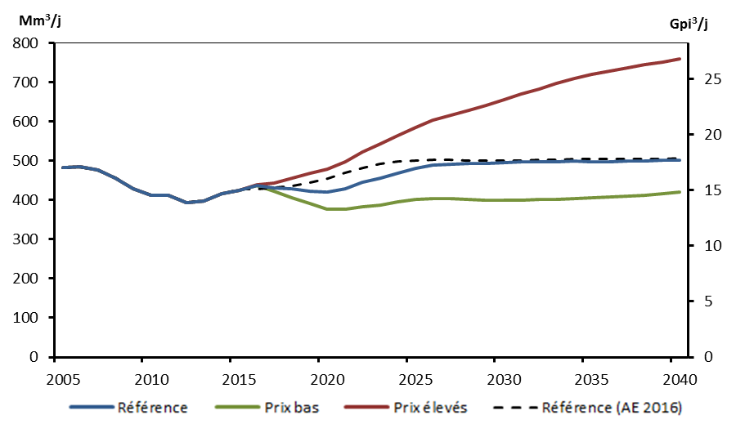
 | Référence | Prix élevés | Prix bas | Référence (AE 2016)
2005 | 482.2 | 482.2 | 482.2 | 482.2
2006 | 484.6 | 484.6 | 484.6 | 484.6
2007 | 476.8 | 476.8 | 476.8 | 476.8
2008 | 457.0 | 457.0 | 457.0 | 457.0
2009 | 428.0 | 428.0 | 428.0 | 428.0
2010 | 413.0 | 413.0 | 413.0 | 413.3
2011 | 412.8 | 412.8 | 412.8 | 413.1
2012 | 393.9 | 393.9 | 393.9 | 394.1
2013 | 397.7 | 397.7 | 397.7 | 397.9
2014 | 415.5 | 415.5 | 415.5 | 415.5
2015 | 424.2 | 424.2 | 424.2 | 427.2
2016 | 437.6 | 439.3 | 436.9 | 427.0
2017 | 432.0 | 444.1 | 422.9 | 432.1
2018 | 427.9 | 456.5 | 406.6 | 436.5
2019 | 423.6 | 468.0 | 391.5 | 443.9
2020 | 420.5 | 478.1 | 377.9 | 455.1
2021 | 429.6 | 498.1 | 377.0 | 468.7
2022 | 444.9 | 522.6 | 383.3 | 481.4
2023 | 456.4 | 542.4 | 387.3 | 491.7
2024 | 469.4 | 564.5 | 394.7 | 498.4
2025 | 481.4 | 586.0 | 401.5 | 501.5
2026 | 489.4 | 603.6 | 404.5 | 503.2
2027 | 492.4 | 617.1 | 403.8 | 503.1
2028 | 493.5 | 629.1 | 401.7 | 501.3
2029 | 494.3 | 641.6 | 400.6 | 500.1
2030 | 495.6 | 654.8 | 400.4 | 500.1
2031 | 497.8 | 669.7 | 400.7 | 500.8
2032 | 498.3 | 683.9 | 401.1 | 502.1
...

3.11
Figure 3.11 – Production de liquides de gaz naturel selon le scénario de référence

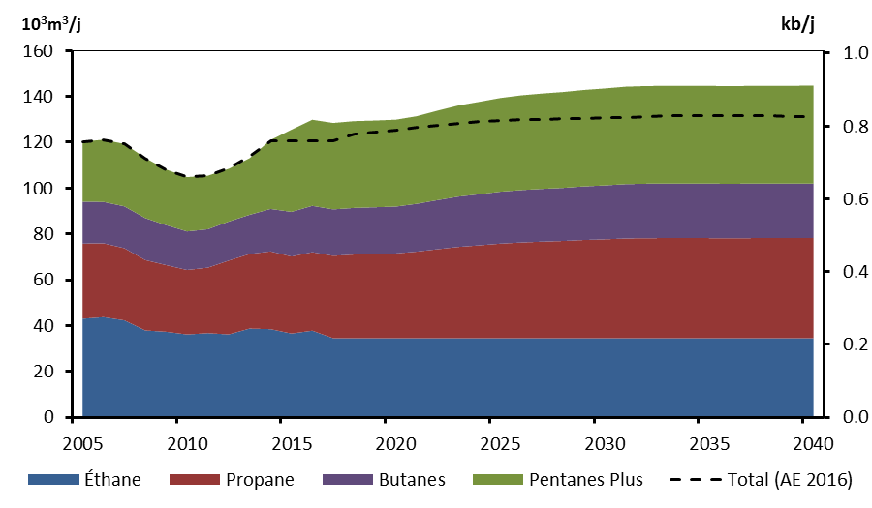
 | Éthane | Propane | Butanes | Pentanes Plus | Total (AE 2016)
2005 | 43.0 | 32.8 | 18.3 | 26.2 | 120.3
2006 | 43.7 | 32.2 | 18.1 | 27.2 | 121.2
2007 | 42.3 | 31.5 | 18.3 | 27.3 | 119.3
2008 | 37.9 | 30.7 | 18.3 | 26.2 | 113.2
2009 | 37.3 | 29.1 | 17.4 | 24.3 | 108.1
2010 | 36.2 | 28.2 | 16.8 | 23.7 | 104.8
2011 | 36.7 | 28.6 | 16.8 | 23.4 | 105.5
2012 | 36.2 | 32.2 | 17.1 | 23.0 | 108.7
2013 | 38.7 | 32.6 | 17.1 | 24.7 | 113.9
2014 | 38.5 | 34.0 | 18.5 | 30.1 | 120.6
2015 | 36.6 | 33.6 | 19.5 | 35.9 | 120.6
2016 | 37.8 | 34.3 | 20.2 | 37.6 | 120.5
2017 | 34.5 | 36.0 | 20.3 | 37.7 | 120.5
2018 | 34.5 | 36.5 | 20.4 | 37.9 | 123.6
2019 | 34.5 | 36.8 | 20.4 | 37.9 | 124.5
2020 | 34.5 | 37.0 | 20.5 | 37.9 | 125.3
2021 | 34.5 | 37.8 | 20.9 | 38.2 | 126.4
2022 | 34.5 | 38.8 | 21.4 | 39.0 | 127.5
2023 | 34.5 | 39.8 | 22.0 | 39.8 | 128.3
2024 | 34.5 | 40.5 | 22.3 | 40.3 | 128.9
2025 | 34.5 | 41.3 | 22.7 | 40.9 | 129.3
2026 | 34.5 | 41.8 | 22.9 | 41.3 | 129.8
2027 | 34.5 | 42.1 | 23.1 | 41.6 | 130.0
2028 | 34.5 | 42.4 | 23.2 | 41.9 | 130.1
2029 | 34.5 | 42.9 | 23.4 | 42.1 | 130.3
2030 | 34.5 | 43.2 | 23.6 | 42.3 | 130.6
2031 | 34.5 | 43.5 | 23.7 | 42.5 | 131.0
2032 | 34.5 | 43.6 | 23.8 | 42.6 | 131.3
...

3.12
Figure 3.12 – Composition de la capacité selon les combustibles primaires en 2015 et 2040 selon le scénario de référence

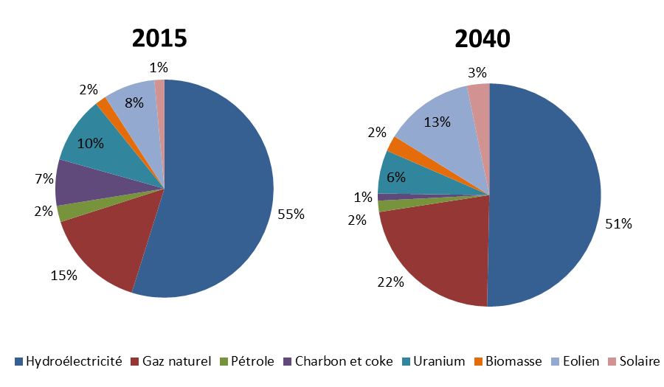
 | 2015 | 2040
Hydroélectricité | 79313 | 88825
Gaz naturel | 21974 | 39255
Pétrole | 3498 | 2875
Charbon et coke | 9944 | 1817
Uranium | 14273 | 11105
Biomasse | 2399 | 4084
Éolien | 11072 | 22832
Solaire | 2135 | 5717

3.13
Figure 3.13 – Capacité de production des ressources renouvelables autres que l’hydroélectricité selon le scénario de référence

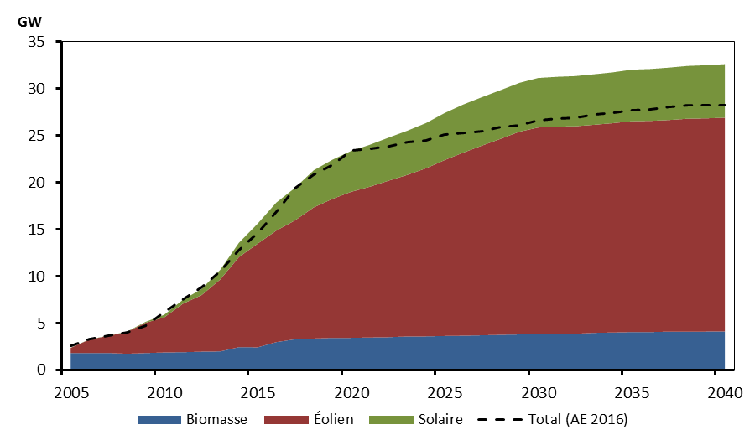
 | Biomasse | Éolien | Solaire | Total (AE 2016)
2005 | 1.8 | 0.6 | 0.0 | 2.6
2006 | 1.8 | 1.4 | 0.0 | 3.3
2007 | 1.8 | 1.8 | 0.0 | 3.6
2008 | 1.7 | 2.3 | 0.0 | 4
2009 | 1.8 | 3.2 | 0.1 | 4.7
2010 | 1.9 | 3.7 | 0.3 | 6.1
2011 | 1.9 | 5.2 | 0.4 | 7.5
2012 | 1.9 | 6.0 | 0.6 | 8.8
2013 | 2.0 | 7.7 | 1.0 | 10.5
2014 | 2.4 | 9.6 | 1.5 | 12.8
2015 | 2.4 | 11.1 | 2.1 | 14.6
2016 | 3.0 | 11.9 | 3.0 | 16.9
2017 | 3.3 | 12.7 | 3.5 | 19.4
2018 | 3.3 | 14.0 | 4.0 | 20.8
2019 | 3.4 | 14.8 | 4.2 | 21.9
2020 | 3.4 | 15.6 | 4.4 | 23.4
2021 | 3.5 | 16.1 | 4.5 | 23.6
2022 | 3.5 | 16.7 | 4.6 | 23.9
2023 | 3.6 | 17.2 | 4.7 | 24.3
2024 | 3.6 | 17.9 | 4.8 | 24.5
2025 | 3.6 | 18.8 | 5.0 | 25.1
2026 | 3.6 | 19.5 | 5.1 | 25.3
2027 | 3.7 | 20.3 | 5.2 | 25.5
2028 | 3.7 | 20.9 | 5.2 | 25.9
2029 | 3.8 | 21.6 | 5.2 | 26.1
2030 | 3.8 | 22.1 | 5.3 | 26.6
2031 | 3.9 | 22.1 | 5.3 | 26.8
2032 | 3.9 | 22.1 | 5.4 | 26.9
...

3.14
Figure 3.14 – Production d’électricité, par combustible, selon le scénario de référence

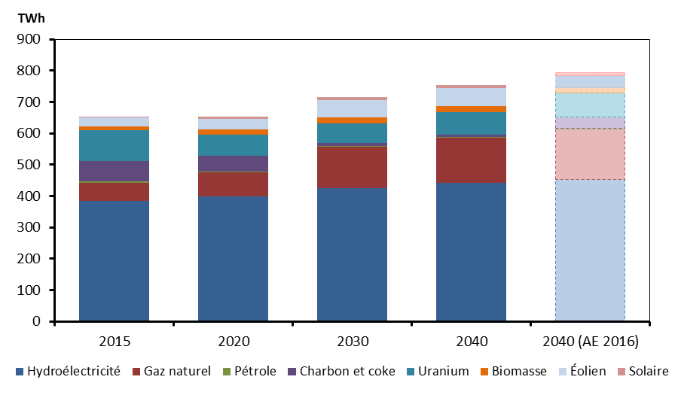
 | 2015 | 2020 | 2030 | 2040 | 2040 (AE 2016)
Hydroélectricité | 385 | 398 | 426 | 441 | 452
Gaz naturel | 57 | 77 | 131 | 145 | 162
Pétrole | 5 | 2 | 3 | 3 | 2
Charbon et coke | 63 | 52 | 9 | 7 | 37
Uranium | 99 | 67 | 64 | 72 | 77
Biomasse | 12 | 16 | 19 | 21 | 17
Éolien | 29 | 35 | 55 | 57 | 37
Solaire | 3 | 8 | 10 | 10 | 10

3.15
Figure 3.15 – Demande totale de combustibles fossiles selon le scénario de référence

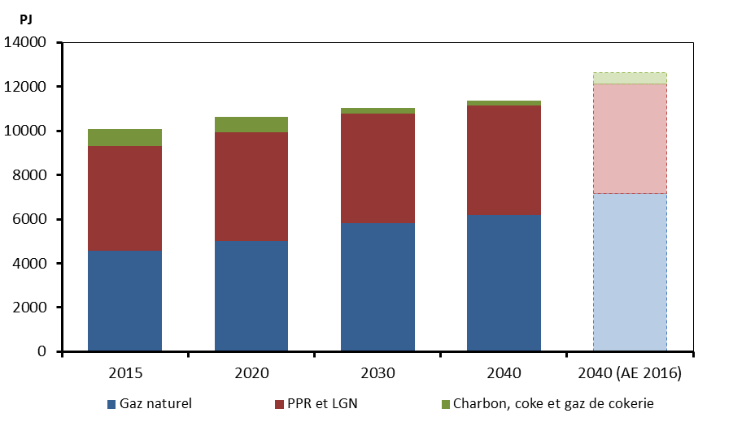
 | Gaz naturel | PPR et LGN | Charbon, coke et gaz de cokerie
2015 | 4562 | 4753 | 768
2020 | 5001 | 4940 | 699
2030 | 5816 | 4980 | 253
2040 | 6170 | 4970 | 211
2040 (AE 2016) | 7177 | 4945 | 523
...

3.16
Figure 3.16 – Intensité moyenne pondérée estimative des émissions des combustibles fossiles selon le scénario de référence

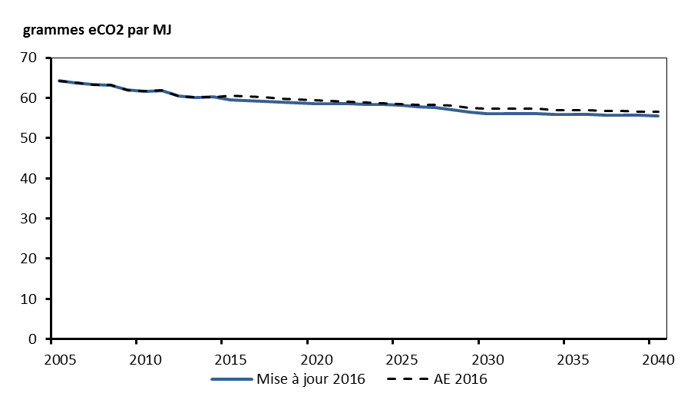
 | Mise à jour 2016 | AE 2016
2005 | 64.2 | 64.2
2006 | 63.7 | 63.7
2007 | 63.3 | 63.3
2008 | 63.1 | 63.1
2009 | 61.9 | 61.9
2010 | 61.7 | 61.7
2011 | 61.8 | 61.8
2012 | 60.4 | 60.4
2013 | 60.2 | 60.2
2014 | 60.2 | 60.2
2015 | 59.5 | 60.5
2016 | 59.4 | 60.3
2017 | 59.1 | 60.2
2018 | 59.0 | 59.7
2019 | 58.8 | 59.7
2020 | 58.6 | 59.5
2021 | 58.6 | 59.2
2022 | 58.5 | 59.1
2023 | 58.4 | 58.8
2024 | 58.3 | 58.6
2025 | 58.2 | 58.5
2026 | 57.8 | 58.3
2027 | 57.5 | 58.2
2028 | 57.0 | 58.1
2029 | 56.4 | 57.4
2030 | 56.1 | 57.3
2031 | 56.1 | 57.3
2032 | 56.0 | 57.3
...

