ES.1
Figure ES.1 - Total Demand for Fossil Fuels, Reference Case

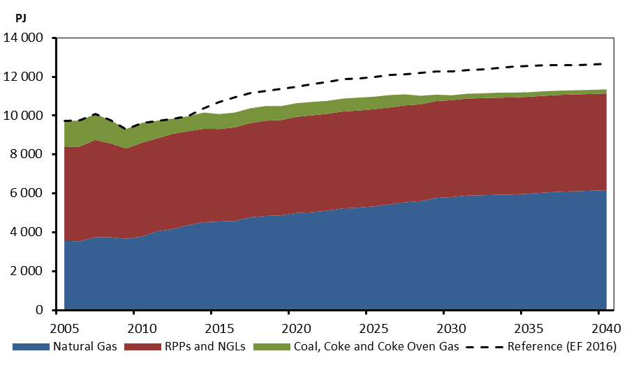
 | Natural Gas | RPPs and NGLs | Coal, Coke and Coke Oven Gas | Reference (EF 2016)
2005 | 3565 | 4822 | 1334 | 9720
2006 | 3547 | 4871 | 1334 | 9752
2007 | 3755 | 4999 | 1330 | 10084
2008 | 3753 | 4814 | 1193 | 9760
2009 | 3671 | 4641 | 1001 | 9313
2010 | 3795 | 4813 | 1019 | 9627
2011 | 4055 | 4777 | 907 | 9739
2012 | 4181 | 4889 | 773 | 9844
2013 | 4372 | 4828 | 771 | 9971
2014 | 4529 | 4798 | 834 | 10361
2015 | 4562 | 4753 | 768 | 10678
2016 | 4590 | 4805 | 765 | 10951
2017 | 4777 | 4841 | 758 | 11157
2018 | 4848 | 4894 | 754 | 11270
2019 | 4878 | 4898 | 718 | 11389
2020 | 5001 | 4940 | 699 | 11499
2021 | 5037 | 4978 | 692 | 11634
2022 | 5125 | 4972 | 664 | 11741
2023 | 5235 | 4980 | 665 | 11878
2024 | 5275 | 4988 | 663 | 11926
2025 | 5342 | 4991 | 640 | 12000
2026 | 5441 | 4983 | 634 | 12088
2027 | 5546 | 4984 | 565 | 12132
2028 | 5612 | 4971 | 438 | 12183
2029 | 5771 | 4979 | 328 | 12267
2030 | 5816 | 4980 | 253 | 12252
2031 | 5892 | 4985 | 247 | 12329
2032 | 5913 | 4987 | 247 | 12389
2033 | 5935 | 4987 | 258 | 12438
2034 | 5948 | 4985 | 251 | 12510
2035 | 5990 | 4981 | 234 | 12543
2036 | 6045 | 4980 | 232 | 12578
2037 | 6091 | 4977 | 218 | 12585
2038 | 6116 | 4974 | 215 | 12606
2039 | 6142 | 4971 | 211 | 12624
2040 | 6170 | 4970 | 211 | 12645

ES.2
Figure ES.2 – Crude oil Price Assumptions and Total Oil Production, Reference, High and Low Price Cases
 | Price |  |  |  | Production
 | Reference | Low Price | High Price | Reference (EF 2016) | Reference | High Price | Low Price | Reference (EF 2016)
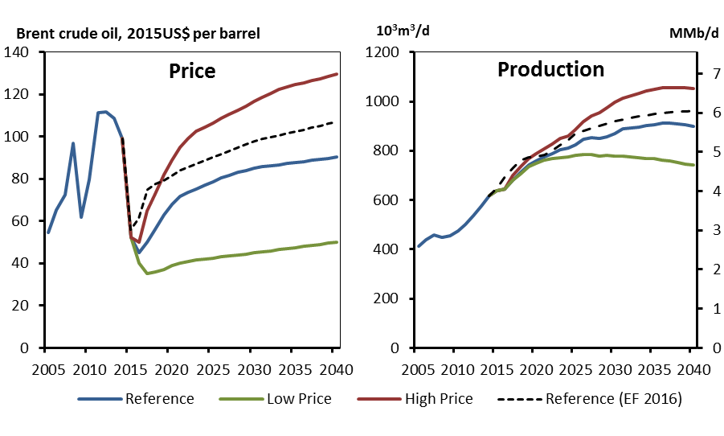
2005 | 54.6 |  |  |  | 411.7
2006 | 65.2 |  |  |  | 440.2
2007 | 72.4 |  |  |  | 457.8
2008 | 96.9 |  |  |  | 448.2
2009 | 61.7 |  |  |  | 454.6
2010 | 79.6 |  |  |  | 474.6
2011 | 111.3 |  |  |  | 500.2
2012 | 111.6 |  |  |  | 536.6
2013 | 108.6 |  |  |  | 576.7
2014 | 99.0 | 99.0 | 99.0 | 99.0 | 617.8 | 617.8 | 617.8 | 617.8
2015 | 52.3 | 52.3 | 52.3 | 56.0 | 639.1 | 639.1 | 639.1 | 650.5
2016 | 45.0 | 40.0 | 50.0 | 61.4 | 643.7 | 643.8 | 643.6 | 694.9
2017 | 50.0 | 35.0 | 65.0 | 75.0 | 681.4 | 700.9 | 681.0 | 732.2
2018 | 56.0 | 36.0 | 73.0 | 77.8 | 712.9 | 735.7 | 707.7 | 759.4
2019 | 63.0 | 37.0 | 82.0 | 79.2 | 743.4 | 769.1 | 734.7 | 772.9
2020 | 68.0 | 39.0 | 89.0 | 81.6 | 759.2 | 788.7 | 747.5 | 776.0
2021 | 71.8 | 40.0 | 95.0 | 83.9 | 775.2 | 807.5 | 761.2 | 783.7
2022 | 73.5 | 41.0 | 99.0 | 85.7 | 788.3 | 828.5 | 767.8 | 800.4
2023 | 75.3 | 41.5 | 102.5 | 87.3 | 802.7 | 850.3 | 771.4 | 820.8
2024 | 77.0 | 42.0 | 104.5 | 88.8 | 809.2 | 859.0 | 774.6 | 841.6
2025 | 78.8 | 42.5 | 106.5 | 90.3 | 825.3 | 885.0 | 782.9 | 870.3
2026 | 80.5 | 43.0 | 108.5 | 91.8 | 847.0 | 918.9 | 786.2 | 880.3
2027 | 81.8 | 43.5 | 110.5 | 93.3 | 853.6 | 939.8 | 783.6 | 890.5
2028 | 83.0 | 44.0 | 112.5 | 94.8 | 849.8 | 953.2 | 779.3 | 901.5
2029 | 84.0 | 44.5 | 114.5 | 96.4 | 856.4 | 973.7 | 780.8 | 911.1
2030 | 85.0 | 45.0 | 116.5 | 98.0 | 870.9 | 996.5 | 777.8 | 919.7
2031 | 85.8 | 45.5 | 118.5 | 98.8 | 888.2 | 1014.2 | 777.9 | 927.2
2032 | 86.3 | 46.0 | 120.5 | 99.7 | 892.2 | 1022.8 | 773.5 | 933.5
2033 | 86.8 | 46.5 | 122.5 | 100.6 | 896.9 | 1033.3 | 770.4 | 938.6
2034 | 87.3 | 47.0 | 123.5 | 101.5 | 901.7 | 1042.0 | 769.7 | 944.3
2035 | 87.8 | 47.5 | 124.5 | 102.4 | 905.1 | 1049.3 | 766.7 | 948.5
2036 | 88.3 | 48.0 | 125.5 | 103.3 | 912.2 | 1055.4 | 763.4 | 953.6
2037 | 88.8 | 48.5 | 126.5 | 104.3 | 913.1 | 1055.7 | 758.2 | 956.7
2038 | 89.3 | 49.0 | 127.5 | 105.2 | 908.7 | 1054.4 | 752.0 | 958.7
2039 | 89.8 | 49.5 | 128.5 | 106.1 | 906.0 | 1056.2 | 746.5 | 960.3
2040 | 90.3 | 50.0 | 129.5 | 107.0 | 900.3 | 1051.7 | 741.6 | 962.5

ES.3
Figure ES.3 - Generating Capacity Additions and Retirements by 2040, Reference Case

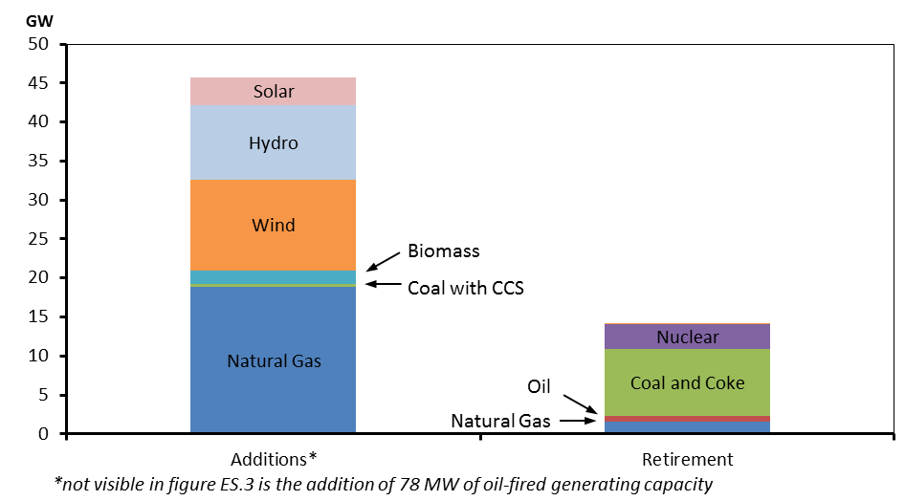
 | Additions* | Retirement
Natural Gas | 18.9 | 1.6
Oil | 0.1 | 0.7
Coal and Coke | 0.4 | 8.5
Nuclear | 0.0 | 3.2
Biomass /Geothermal | 1.7 | 0.0
Wind | 11.6 | 0.0
Hydro | 9.6 | 0.0
Solar | 3.6 | 0.0

2.1
Figure 2.1 - Global Crude Oil Prices

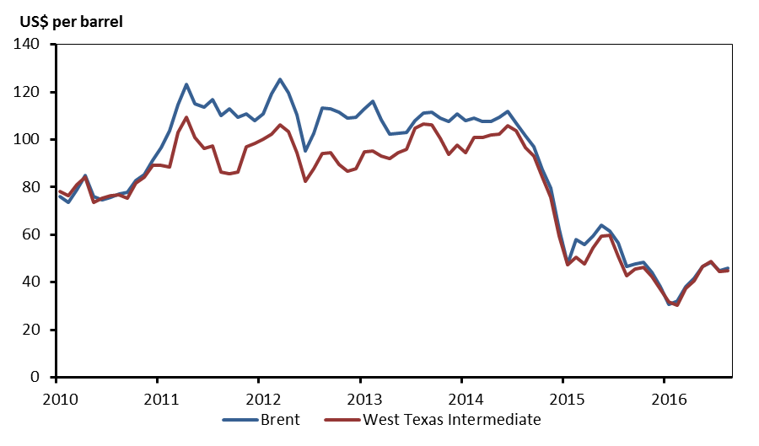
 | Brent | West Texas Intermediate
Jan-10 | 76.2 | 78.3
Feb-10 | 73.8 | 76.4
Mar-10 | 78.8 | 81.2
Apr-10 | 84.8 | 84.3
May-10 | 76.0 | 73.7
Jun-10 | 74.8 | 75.3
Jul-10 | 75.6 | 76.3
Aug-10 | 77.0 | 76.6
Sep-10 | 77.8 | 75.2
Oct-10 | 82.7 | 81.9
Nov-10 | 85.3 | 84.3
Dec-10 | 91.5 | 89.2
Jan-11 | 96.5 | 89.2
Feb-11 | 103.7 | 88.6
Mar-11 | 114.6 | 102.9
Apr-11 | 123.3 | 109.5
May-11 | 115.0 | 100.9
Jun-11 | 113.8 | 96.3
Jul-11 | 117.0 | 97.3
Aug-11 | 110.2 | 86.3
Sep-11 | 112.8 | 85.5
Oct-11 | 109.6 | 86.3
Nov-11 | 110.8 | 97.2
Dec-11 | 107.9 | 98.6
Jan-12 | 110.7 | 100.3
Feb-12 | 119.3 | 102.2
Mar-12 | 125.5 | 106.2
Apr-12 | 119.8 | 103.3
May-12 | 110.3 | 94.7
Jun-12 | 95.2 | 82.3
Jul-12 | 102.6 | 87.9
Aug-12 | 113.4 | 94.1
Sep-12 | 112.9 | 94.5
Oct-12 | 111.7 | 89.5
Nov-12 | 109.1 | 86.5
Dec-12 | 109.5 | 87.9
Jan-13 | 113.0 | 94.8
Feb-13 | 116.1 | 95.3
Mar-13 | 108.5 | 92.9
Apr-13 | 102.3 | 92.0
May-13 | 102.6 | 94.5
Jun-13 | 102.9 | 95.8
Jul-13 | 107.9 | 104.7
Aug-13 | 111.3 | 106.6
Sep-13 | 111.6 | 106.3
Oct-13 | 109.1 | 100.5
Nov-13 | 107.8 | 93.9
Dec-13 | 110.8 | 97.6
Jan-14 | 108.1 | 94.6
Feb-14 | 108.9 | 100.8
Mar-14 | 107.5 | 100.8
Apr-14 | 107.8 | 102.1
May-14 | 109.5 | 102.2
Jun-14 | 111.8 | 105.8
Jul-14 | 106.8 | 103.6
Aug-14 | 101.6 | 96.5
Sep-14 | 97.1 | 93.2
Oct-14 | 87.4 | 84.4
Nov-14 | 79.4 | 75.8
Dec-14 | 62.3 | 59.3
Jan-15 | 47.8 | 47.2
Feb-15 | 58.1 | 50.6
Mar-15 | 55.9 | 47.8
Apr-15 | 59.5 | 54.5
May-15 | 64.1 | 59.3
Jun-15 | 61.5 | 59.8
Jul-15 | 56.6 | 50.9
Aug-15 | 46.5 | 42.9
Sep-15 | 47.6 | 45.5
Oct-15 | 48.4 | 46.2
Nov-15 | 44.3 | 42.4
Dec-15 | 38.0 | 37.2
Jan-16 | 30.7 | 31.7
Feb-16 | 32.2 | 30.3
Mar-16 | 38.2 | 37.6
Apr-16 | 41.6 | 40.8
May-16 | 46.7 | 46.7
Jun-16 | 48.3 | 48.8
Jul-16 | 45.0 | 44.7
Aug-16 | 45.8 | 44.7

2.2
Figure 2.2 - Brent Crude Oil Price, Reference, High and Low Price Cases

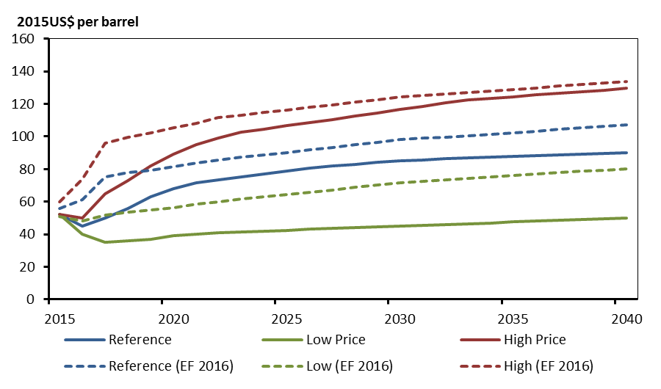
 | Reference | Low Price | High Price | Reference (EF 2016) | Low (EF 2016) | High (EF 2016)
2015 | 52.3 | 52.3 | 52.3 | 56.0 | 51.0 | 60.0
2016 | 45.0 | 40.0 | 50.0 | 61.4 | 47.9 | 73.7
2017 | 50.0 | 35.0 | 65.0 | 75.0 | 51.8 | 96.0
2018 | 56.0 | 36.0 | 73.0 | 77.8 | 53.8 | 99.6
2019 | 63.0 | 37.0 | 82.0 | 79.2 | 54.7 | 102.2
2020 | 68.0 | 39.0 | 89.0 | 81.6 | 56.4 | 105.3
2021 | 71.8 | 40.0 | 95.0 | 83.9 | 58.3 | 108.3
2022 | 73.5 | 41.0 | 99.0 | 85.7 | 60.0 | 111.5
2023 | 75.3 | 41.5 | 102.5 | 87.3 | 61.5 | 113.2
2024 | 77.0 | 42.0 | 104.5 | 88.8 | 62.9 | 114.7
2025 | 78.8 | 42.5 | 106.5 | 90.3 | 64.3 | 116.3
2026 | 80.5 | 43.0 | 108.5 | 91.8 | 65.7 | 117.8
2027 | 81.8 | 43.5 | 110.5 | 93.3 | 67.2 | 119.4
2028 | 83.0 | 44.0 | 112.5 | 94.8 | 68.7 | 121.0
2029 | 84.0 | 44.5 | 114.5 | 96.4 | 70.2 | 122.6
2030 | 85.0 | 45.0 | 116.5 | 98.0 | 71.7 | 124.3
2031 | 85.8 | 45.5 | 118.5 | 98.8 | 72.5 | 125.1
2032 | 86.3 | 46.0 | 120.5 | 99.7 | 73.4 | 126.1
2033 | 86.8 | 46.5 | 122.5 | 100.6 | 74.2 | 127.0
2034 | 87.3 | 47.0 | 123.5 | 101.5 | 75.1 | 127.9
2035 | 87.8 | 47.5 | 124.5 | 102.4 | 75.9 | 128.9
2036 | 88.3 | 48.0 | 125.5 | 103.3 | 76.8 | 129.9
2037 | 88.8 | 48.5 | 126.5 | 104.3 | 77.7 | 130.8
2038 | 89.3 | 49.0 | 127.5 | 105.2 | 78.6 | 131.8
2039 | 89.8 | 49.5 | 128.5 | 106.1 | 79.4 | 132.8
2040 | 90.3 | 50.0 | 129.5 | 107.0 | 80.3 | 133.8

2.3
Figure 2.3 - Henry Hub Natural Gas Price, Reference, High and Low Price Cases

 | Reference | High Price | Low Price | Reference (EF 2016) | High (EF 2016) | Low (EF 2016)
2015 | 2.62 | 2.62 | 2.62 | 2.9 | 3.05 | 2.75
2016 | 2.45 | 2.60 | 2.30 | 3.2 | 3.65 | 2.85
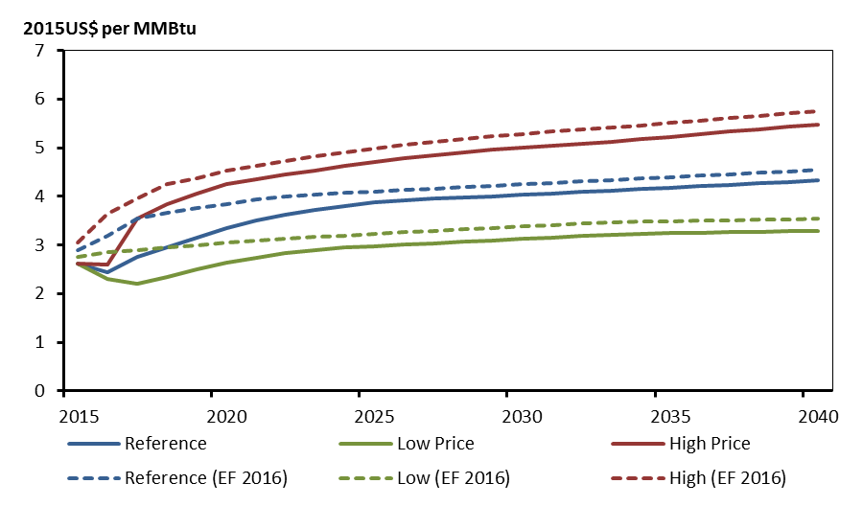
2017 | 2.75 | 3.55 | 2.20 | 3.55 | 3.95 | 2.9
2018 | 2.95 | 3.85 | 2.35 | 3.67 | 4.25 | 2.95
2019 | 3.15 | 4.05 | 2.50 | 3.77 | 4.38 | 3
2020 | 3.35 | 4.25 | 2.63 | 3.85 | 4.53 | 3.05
2021 | 3.50 | 4.36 | 2.73 | 3.93 | 4.63 | 3.1
2022 | 3.62 | 4.45 | 2.84 | 3.99 | 4.73 | 3.14
2023 | 3.72 | 4.54 | 2.90 | 4.04 | 4.82 | 3.17
2024 | 3.80 | 4.63 | 2.95 | 4.07 | 4.91 | 3.2
2025 | 3.88 | 4.71 | 2.98 | 4.1 | 4.99 | 3.23
2026 | 3.92 | 4.78 | 3.01 | 4.13 | 5.06 | 3.26
2027 | 3.95 | 4.84 | 3.04 | 4.16 | 5.12 | 3.29
2028 | 3.97 | 4.90 | 3.07 | 4.19 | 5.18 | 3.32
2029 | 4.00 | 4.96 | 3.10 | 4.22 | 5.24 | 3.35
2030 | 4.03 | 5.01 | 3.13 | 4.25 | 5.29 | 3.38
2031 | 4.06 | 5.05 | 3.16 | 4.28 | 5.33 | 3.41
2032 | 4.09 | 5.09 | 3.19 | 4.31 | 5.37 | 3.44
2033 | 4.12 | 5.13 | 3.21 | 4.34 | 5.41 | 3.46
2034 | 4.15 | 5.18 | 3.23 | 4.37 | 5.46 | 3.48
2035 | 4.18 | 5.23 | 3.24 | 4.4 | 5.51 | 3.49
2036 | 4.21 | 5.28 | 3.25 | 4.43 | 5.56 | 3.5
2037 | 4.24 | 5.33 | 3.26 | 4.46 | 5.61 | 3.51
2038 | 4.27 | 5.38 | 3.27 | 4.49 | 5.66 | 3.52
2039 | 4.30 | 5.43 | 3.28 | 4.52 | 5.71 | 3.53
2040 | 4.33 | 5.48 | 3.29 | 4.55 | 5.76 | 3.54

3.1
Figure 3.1 - Historical and Projected Growth in End-Use Energy Demand by Sector, Reference Case

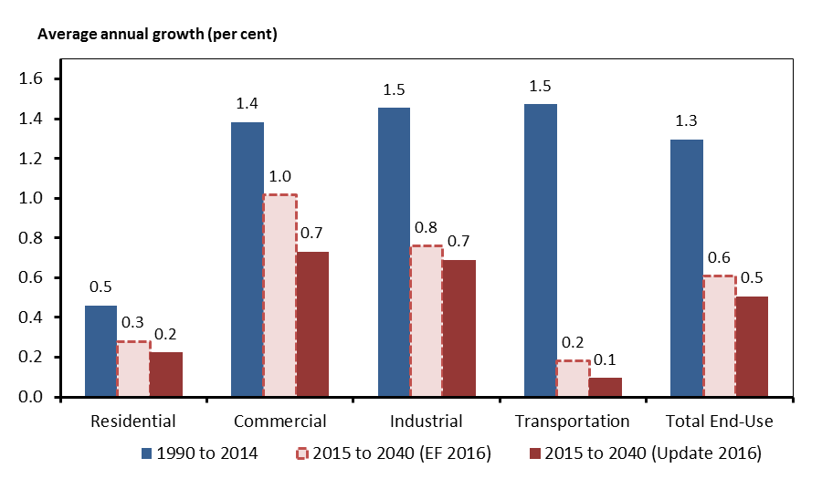
 | 1990 to 2014 | 2015 to 2040 (Update 2016) | 2015 to 2040 (EF 2016)
Residential | 0.5 | 0.2 | 0.3
Commercial | 1.4 | 0.7 | 1.0
Industrial | 1.5 | 0.7 | 0.8
Transportation | 1.5 | 0.1 | 0.2
Total End-Use | 1.3 | 0.5 | 0.6

3.2
Figure 3.2 - Transportation Energy Demand by Fuel, Reference Case

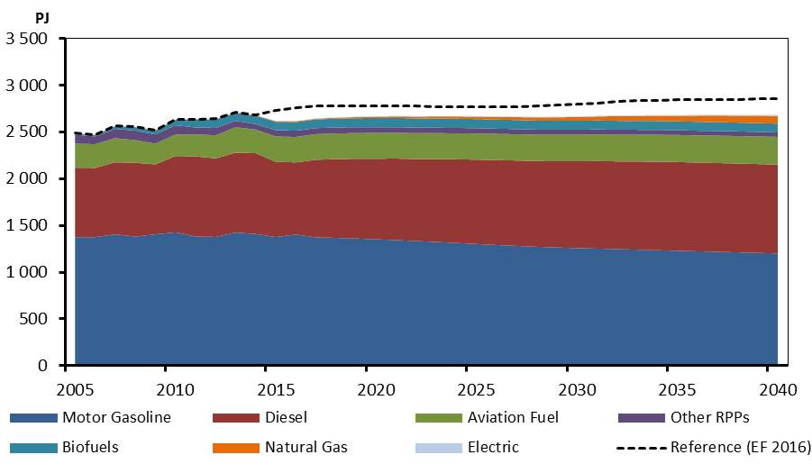
 | Aviation Fuel | Diesel | Electric | Biofuels | Motor Gasoline | Natural Gas | Other RPPs | Reference (EF 2016)
2005 | 257 | 745 | 3 | 11 | 1375 | 2 | 96 | 2489
2006 | 255 | 740 | 3 | 12 | 1376 | 2 | 83 | 2473
2007 | 258 | 772 | 2 | 28 | 1406 | 2 | 100 | 2567
2008 | 243 | 789 | 2 | 37 | 1383 | 2 | 101 | 2557
2009 | 223 | 749 | 2 | 42 | 1406 | 2 | 99 | 2523
2010 | 230 | 817 | 2 | 58 | 1428 | 2 | 98 | 2636
2011 | 236 | 857 | 2 | 85 | 1384 | 1 | 75 | 2640
2012 | 248 | 841 | 4 | 90 | 1379 | 1 | 78 | 2641
2013 | 273 | 855 | 4 | 87 | 1425 | 1 | 69 | 2715
2014 | 253 | 865 | 4 | 90 | 1410 | 3 | 58 | 2684
2015 | 272 | 806 | 4 | 90 | 1377 | 6 | 67 | 2732
2016 | 273 | 772 | 4 | 92 | 1404 | 8 | 67 | 2765
2017 | 275 | 831 | 4 | 93 | 1374 | 7 | 64 | 2783
2018 | 275 | 843 | 4 | 95 | 1369 | 10 | 63 | 2782
2019 | 276 | 854 | 4 | 97 | 1362 | 12 | 62 | 2781
2020 | 276 | 863 | 5 | 99 | 1353 | 14 | 61 | 2782
2021 | 277 | 873 | 5 | 99 | 1344 | 16 | 60 | 2783
2022 | 277 | 878 | 5 | 99 | 1334 | 20 | 59 | 2780
2023 | 278 | 887 | 5 | 98 | 1325 | 22 | 58 | 2774
2024 | 279 | 895 | 5 | 98 | 1314 | 24 | 57 | 2771
2025 | 281 | 902 | 6 | 98 | 1303 | 26 | 57 | 2770
2026 | 281 | 908 | 6 | 97 | 1292 | 28 | 56 | 2769
2027 | 282 | 914 | 6 | 97 | 1282 | 31 | 55 | 2773
2028 | 283 | 917 | 6 | 97 | 1273 | 35 | 54 | 2779
2029 | 283 | 923 | 6 | 96 | 1265 | 38 | 53 | 2789
2030 | 284 | 929 | 7 | 96 | 1259 | 40 | 53 | 2801
2031 | 286 | 937 | 7 | 96 | 1253 | 43 | 52 | 2814
2032 | 287 | 939 | 7 | 96 | 1248 | 50 | 52 | 2824
2033 | 288 | 944 | 7 | 96 | 1242 | 53 | 51 | 2834
2034 | 289 | 948 | 8 | 95 | 1236 | 56 | 51 | 2841
2035 | 290 | 950 | 8 | 95 | 1230 | 60 | 50 | 2847
2036 | 292 | 949 | 8 | 95 | 1225 | 67 | 50 | 2850
2037 | 293 | 950 | 9 | 95 | 1219 | 70 | 50 | 2852
2038 | 295 | 951 | 10 | 94 | 1213 | 74 | 49 | 2853
2039 | 296 | 951 | 10 | 94 | 1207 | 78 | 49 | 2855
2040 | 297 | 951 | 11 | 94 | 1201 | 82 | 48 | 2858

3.3
Figure 3.3 - Projected Growth in End-Use Energy Demand, Reference, High and Low Price Cases

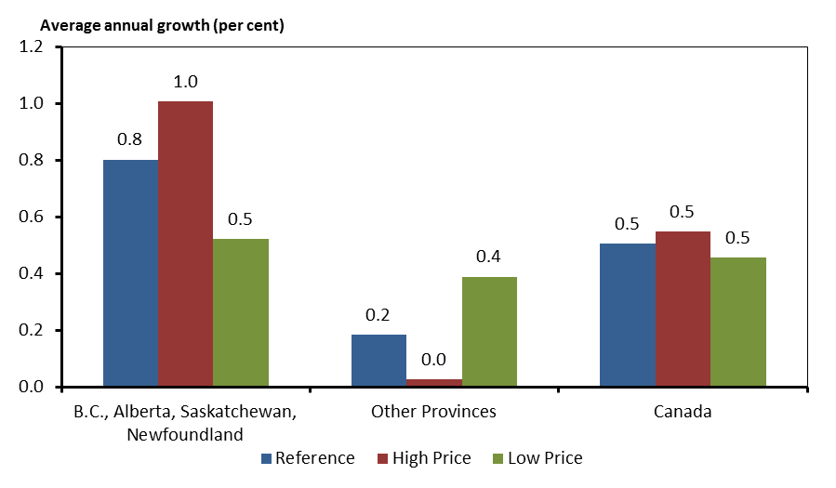
 | Reference | High Price | Low Price
B.C., Alberta, Saskatchewan, Newfoundland | 0.8 | 1.0 | 0.5
Other Provinces | 0.2 | 0.0 | 0.4
Canada | 0.5 | 0.5 | 0.5

3.4
Figure 3.4 - Share of Fuel in Primary Energy Demand, Reference Case

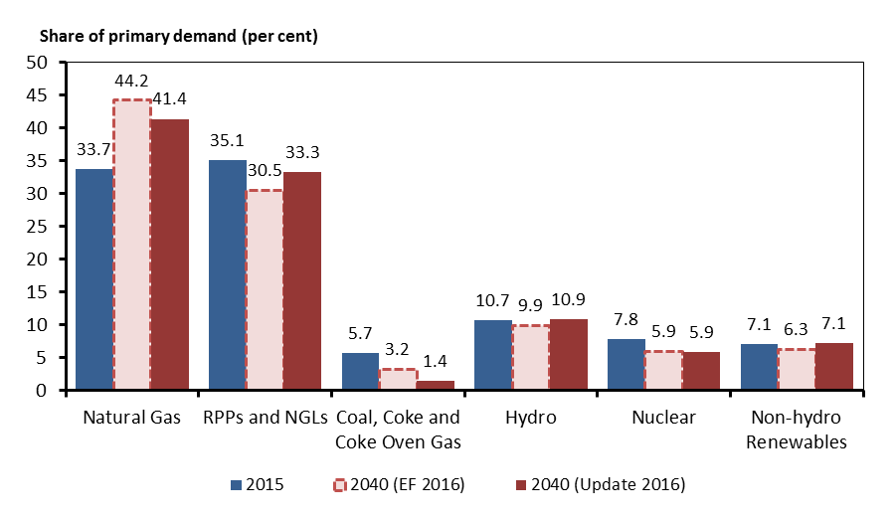
 | 2015 | 2040 (Update 2016) | 2040 (EF 2016)
Natural Gas | 33.7 | 41.4 | 44.2
RPPs and NGLs | 35.1 | 33.3 | 30.5
Coal, Coke and Coke Oven Gas | 5.7 | 1.4 | 3.2
Hydro | 10.7 | 10.9 | 9.9
Nuclear | 7.8 | 5.9 | 5.9
Non-hydro Renewables | 7.1 | 7.1 | 6.3

3.5
Figure 3.5 - Total Canadian Crude Oil and Equivalent Production, Reference Case

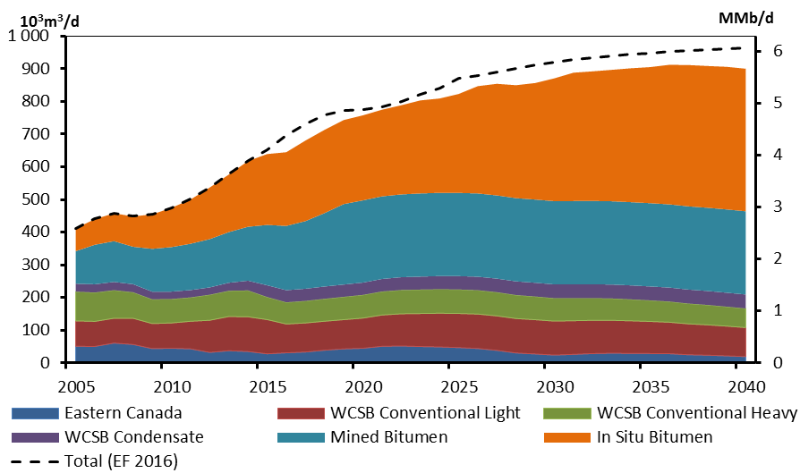
 | Eastern Canada | WCSB Conventional Light | WCSB Conventional Heavy | WCSB Condensate | Mined Bitumen | In Situ Bitumen | Total (EF 2016)
2005 | 50.9 | 77.8 | 89.5 | 24.2 | 99.6 | 69.7 | 411.7
2006 | 50.5 | 76.7 | 88.3 | 25.3 | 120.9 | 78.5 | 440.2
2007 | 60.8 | 76.0 | 85.8 | 25.4 | 124.7 | 85.2 | 457.8
2008 | 56.6 | 79.9 | 79.8 | 24.5 | 114.7 | 92.7 | 448.2
2009 | 43.9 | 76.5 | 74.3 | 23.2 | 131.2 | 105.5 | 454.6
2010 | 45.2 | 77.3 | 73.2 | 22.6 | 136.2 | 120.1 | 474.6
2011 | 43.2 | 84.3 | 72.9 | 22.5 | 141.8 | 135.4 | 500.2
2012 | 32.2 | 98.4 | 78.1 | 22.4 | 147.8 | 157.7 | 536.6
2013 | 37.4 | 104.6 | 78.9 | 24.4 | 155.2 | 176.2 | 576.7
2014 | 35.0 | 106.3 | 80.7 | 29.6 | 165.0 | 201.2 | 617.8
2015 | 27.9 | 104.6 | 69.1 | 35.9 | 184.7 | 216.9 | 650.5
2016 | 31.1 | 88.1 | 66.3 | 37.2 | 196.5 | 225.6 | 694.9
2017 | 33.5 | 88.9 | 67.3 | 37.4 | 206.9 | 246.5 | 732.2
2018 | 39.0 | 88.7 | 68.6 | 37.5 | 224.7 | 254.9 | 759.4
2019 | 43.0 | 89.5 | 69.7 | 37.6 | 246.3 | 257.2 | 772.9
2020 | 44.9 | 92.4 | 70.9 | 37.7 | 251.4 | 260.4 | 776.0
2021 | 51.0 | 95.7 | 72.0 | 38.2 | 252.9 | 265.2 | 783.7
2022 | 51.9 | 98.5 | 72.7 | 39.0 | 253.5 | 272.7 | 800.4
2023 | 50.3 | 100.9 | 73.2 | 39.8 | 254.5 | 284.6 | 820.8
2024 | 49.0 | 103.0 | 73.4 | 40.3 | 254.7 | 288.7 | 841.6
2025 | 47.0 | 104.5 | 73.3 | 40.9 | 254.7 | 302.6 | 870.3
2026 | 44.2 | 105.3 | 73.0 | 41.3 | 254.7 | 328.4 | 880.3
2027 | 38.3 | 105.5 | 72.5 | 41.6 | 254.7 | 341.5 | 890.5
2028 | 30.6 | 105.3 | 71.8 | 41.9 | 254.7 | 345.6 | 901.5
2029 | 27.5 | 104.8 | 71.0 | 42.1 | 254.7 | 356.5 | 911.1
2030 | 24.1 | 104.0 | 70.1 | 42.3 | 254.7 | 375.8 | 919.7
2031 | 26.3 | 102.9 | 69.0 | 42.5 | 254.7 | 392.8 | 927.2
2032 | 28.7 | 101.7 | 67.9 | 42.6 | 254.7 | 396.6 | 933.5
2033 | 29.8 | 100.7 | 66.8 | 42.6 | 254.7 | 402.3 | 938.6
2034 | 29.2 | 99.6 | 65.7 | 42.7 | 254.7 | 409.8 | 944.3
2035 | 28.8 | 98.2 | 64.5 | 42.6 | 254.7 | 416.4 | 948.5
2036 | 28.3 | 96.4 | 63.3 | 42.6 | 254.7 | 426.9 | 953.6
2037 | 25.1 | 94.5 | 62.1 | 42.7 | 254.7 | 432.4 | 956.7
2038 | 23.8 | 92.8 | 60.9 | 42.7 | 254.7 | 433.9 | 958.7
2039 | 21.6 | 91.0 | 59.7 | 42.7 | 254.7 | 436.4 | 960.3
2040 | 19.4 | 88.8 | 58.4 | 42.8 | 254.7 | 436.2 | 962.5

3.6
Figure 3.6 - Oil Sands Production, Reference Case

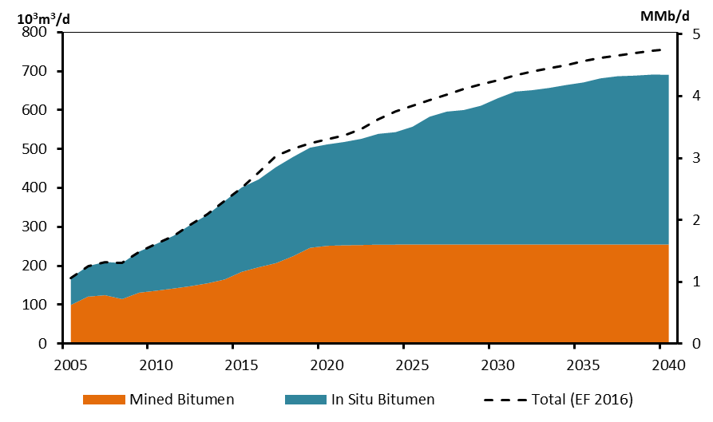
 | Mined Bitumen | In Situ Bitumen | Total (EF 2016)
2005 | 99.6 | 69.7 | 169.3
2006 | 120.9 | 78.5 | 199.4
2007 | 124.7 | 85.2 | 209.9
2008 | 114.7 | 92.7 | 207.4
2009 | 131.2 | 105.5 | 236.7
2010 | 136.2 | 120.1 | 256.3
2011 | 141.8 | 135.4 | 277.2
2012 | 147.8 | 157.7 | 305.5
2013 | 155.2 | 176.2 | 331.4
2014 | 165.0 | 201.2 | 366.3
2015 | 184.7 | 216.9 | 399.8
2016 | 196.5 | 225.6 | 440.9
2017 | 206.9 | 246.5 | 482.0
2018 | 224.7 | 254.9 | 500.8
2019 | 246.3 | 257.2 | 514.7
2020 | 251.4 | 260.4 | 525.6
2021 | 252.9 | 265.2 | 535.1
2022 | 253.5 | 272.7 | 550.6
2023 | 254.5 | 284.6 | 576.0
2024 | 254.7 | 288.7 | 596.3
2025 | 254.7 | 302.6 | 610.4
2026 | 254.7 | 328.4 | 625.5
2027 | 254.7 | 341.5 | 640.3
2028 | 254.7 | 345.6 | 654.3
2029 | 254.7 | 356.5 | 666.2
2030 | 254.7 | 375.8 | 676.9
2031 | 254.7 | 392.8 | 688.2
2032 | 254.7 | 396.6 | 699.1
2033 | 254.7 | 402.3 | 708.0
2034 | 254.7 | 409.8 | 716.0
2035 | 254.7 | 416.4 | 724.8
2036 | 254.7 | 426.9 | 733.4
2037 | 254.7 | 432.4 | 740.2
2038 | 254.7 | 433.9 | 746.2
2039 | 254.7 | 436.4 | 751.8
2040 | 254.7 | 436.2 | 757.1

3.7
Figure 3.7 - Annual Average Production-Weighted SOR Improvements of Thermal Oil Sands Production, Reference, High and Low Price Cases

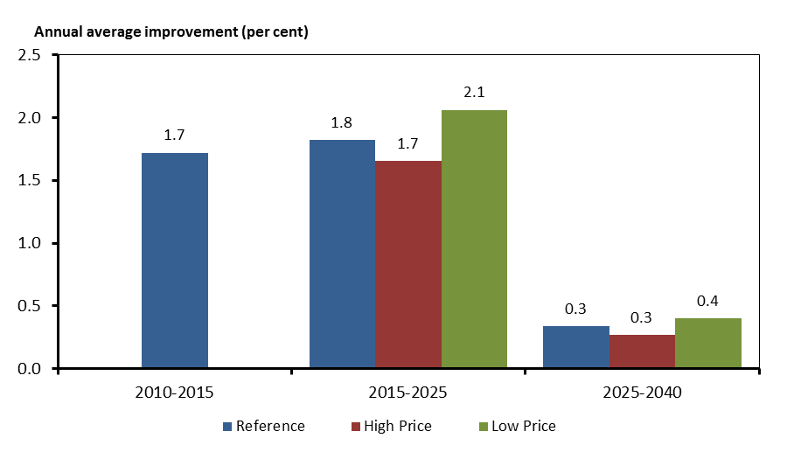
 | Reference | High Price | Low Price
2010-2015 | 1.72
2015-2025 | 1.82 | 1.65 | 2.06
2025-2040 | 0.34 | 0.27 | 0.40

3.8
Figure 3.9 - Total Canadian Oil Production, Reference, High and Low Price Cases

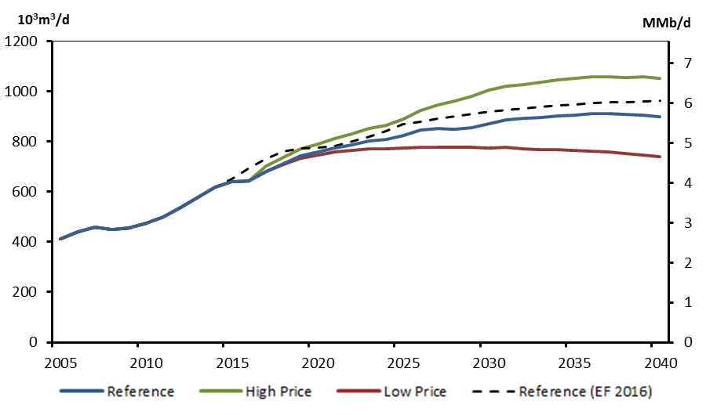
 | Reference | High Price | Low Price | Reference (EF 2016)
2005 | 411.7 | 411.7 | 411.7 | 411.7
2006 | 440.2 | 440.2 | 440.2 | 440.2
2007 | 457.8 | 457.8 | 457.8 | 457.8
2008 | 448.2 | 448.2 | 448.2 | 448.2
2009 | 454.6 | 454.6 | 454.6 | 454.6
2010 | 474.6 | 474.6 | 474.6 | 474.6
2011 | 500.2 | 500.2 | 500.2 | 500.2
2012 | 536.6 | 536.6 | 536.6 | 536.6
2013 | 576.7 | 576.7 | 576.7 | 576.7
2014 | 617.8 | 617.8 | 617.8 | 617.8
2015 | 639.1 | 639.1 | 639.1 | 650.5
2016 | 644.8 | 644.9 | 644.7 | 694.9
2017 | 680.5 | 701.3 | 679.5 | 732.2
2018 | 713.3 | 737.5 | 707.7 | 759.4
2019 | 743.3 | 770.1 | 734.3 | 772.9
2020 | 757.7 | 790.2 | 744.9 | 776.0
2021 | 775.0 | 810.6 | 759.2 | 783.7
2022 | 788.4 | 832.0 | 766.0 | 800.4
2023 | 803.2 | 854.1 | 770.3 | 820.8
2024 | 809.2 | 864.3 | 770.9 | 841.6
2025 | 823.0 | 889.3 | 773.6 | 870.3
2026 | 846.9 | 922.9 | 779.1 | 880.3
2027 | 854.1 | 945.1 | 778.5 | 890.5
2028 | 849.8 | 961.2 | 777.3 | 901.5
2029 | 856.4 | 980.3 | 776.1 | 911.1
2030 | 870.9 | 1005.3 | 776.0 | 919.7
2031 | 888.2 | 1020.3 | 776.4 | 927.2
2032 | 892.2 | 1026.0 | 772.1 | 933.5
2033 | 896.9 | 1036.1 | 769.3 | 938.6
2034 | 901.7 | 1044.9 | 768.8 | 944.3
2035 | 905.1 | 1051.6 | 765.9 | 948.5
2036 | 912.2 | 1057.4 | 762.6 | 953.6
2037 | 911.5 | 1057.5 | 757.5 | 956.7
2038 | 908.7 | 1056.1 | 751.4 | 958.7
2039 | 906.0 | 1057.7 | 745.8 | 960.3
2040 | 900.3 | 1053.1 | 741.0 | 962.5

3.9
Figure 3.9 - Natural Gas Production by Type, Reference Case

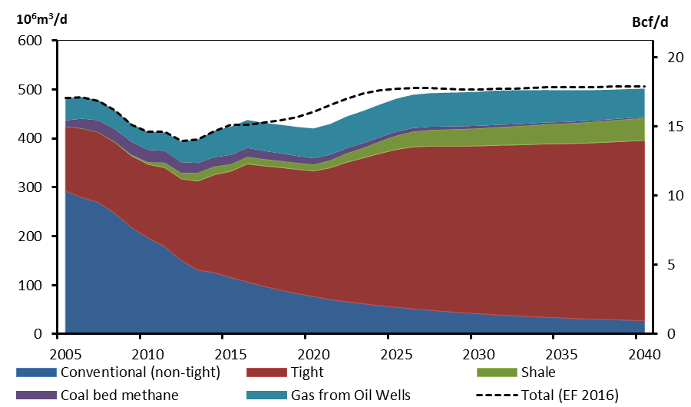
 | Conventional (non-tight) | Tight | Shale | Coal bed methane | Gas from Oil Wells | Total (EF 2016)
2005 | 292.5 | 132.1 | 0.0 | 12.2 | 45.3 | 482.1
2006 | 279.2 | 141.4 | 0.0 | 19.9 | 44.0 | 484.6
2007 | 269.1 | 143.6 | 0.0 | 24.5 | 41.0 | 476.8
2008 | 246.7 | 145.3 | 0.5 | 26.1 | 38.3 | 457.0
2009 | 218.0 | 146.6 | 1.6 | 26.8 | 36.7 | 428.0
2010 | 196.7 | 150.3 | 4.4 | 25.2 | 36.4 | 413.3
2011 | 178.9 | 161.5 | 10.4 | 24.0 | 38.0 | 413.1
2012 | 150.8 | 166.7 | 12.1 | 21.8 | 42.5 | 394.1
2013 | 130.9 | 181.9 | 16.8 | 20.3 | 47.9 | 397.9
2014 | 125.8 | 200.1 | 16.8 | 19.1 | 54.0 | 415.5
2015 | 115.7 | 217.3 | 14.3 | 19.0 | 57.8 | 427.2
2016 | 106.7 | 241.2 | 14.4 | 18.5 | 56.9 | 427.0
2017 | 97.7 | 246.2 | 13.8 | 16.9 | 57.4 | 432.1
2018 | 90.0 | 250.7 | 13.4 | 15.4 | 58.4 | 436.5
2019 | 83.0 | 253.8 | 13.2 | 14.1 | 59.5 | 443.9
2020 | 76.8 | 256.8 | 13.1 | 12.8 | 61.0 | 455.1
2021 | 70.7 | 269.2 | 15.3 | 11.7 | 62.8 | 468.7
2022 | 66.2 | 285.1 | 18.3 | 10.7 | 64.6 | 481.4
2023 | 62.1 | 298.1 | 20.5 | 9.8 | 65.9 | 491.7
2024 | 58.4 | 311.0 | 24.4 | 8.9 | 66.7 | 498.4
2025 | 55.0 | 322.6 | 28.2 | 8.1 | 67.5 | 501.5
2026 | 51.8 | 330.9 | 31.1 | 7.4 | 68.1 | 503.2
2027 | 49.0 | 335.3 | 32.8 | 6.8 | 68.6 | 503.1
2028 | 46.3 | 338.0 | 33.9 | 6.2 | 69.0 | 501.3
2029 | 43.9 | 340.5 | 34.9 | 5.7 | 69.3 | 500.1
2030 | 41.6 | 343.1 | 35.9 | 5.2 | 69.7 | 500.1
2031 | 39.6 | 346.3 | 37.0 | 4.8 | 70.1 | 500.8
2032 | 37.7 | 348.9 | 38.0 | 4.4 | 69.4 | 502.1
2033 | 36.0 | 351.5 | 39.0 | 4.0 | 67.9 | 503.2
2034 | 34.5 | 354.3 | 40.1 | 3.7 | 66.3 | 503.9
2035 | 33.1 | 356.2 | 41.0 | 3.4 | 64.8 | 504.5
2036 | 31.8 | 358.4 | 41.8 | 3.1 | 63.3 | 504.9
2037 | 30.6 | 360.7 | 42.8 | 2.8 | 61.9 | 505.3
2038 | 29.5 | 363.3 | 43.8 | 2.6 | 60.5 | 505.5
2039 | 28.5 | 366.0 | 44.9 | 2.4 | 59.1 | 505.8
2040 | 27.6 | 368.5 | 45.9 | 2.2 | 57.7 | 506.2

3.10
Figure 3.10 - Total Canadian Marketable Natural Gas Production, Reference, High and Low Price Cases

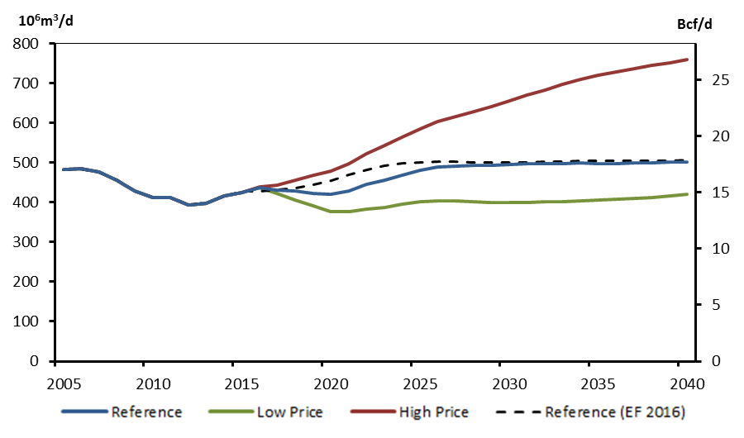
 | Reference | High Price | Low Price | Reference (EF 2016)
2005 | 482.2 | 482.2 | 482.2 | 482.2
2006 | 484.6 | 484.6 | 484.6 | 484.6
2007 | 476.8 | 476.8 | 476.8 | 476.8
2008 | 457.0 | 457.0 | 457.0 | 457.0
2009 | 428.0 | 428.0 | 428.0 | 428.0
2010 | 413.0 | 413.0 | 413.0 | 413.3
2011 | 412.8 | 412.8 | 412.8 | 413.1
2012 | 393.9 | 393.9 | 393.9 | 394.1
2013 | 397.7 | 397.7 | 397.7 | 397.9
2014 | 415.5 | 415.5 | 415.5 | 415.5
2015 | 424.2 | 424.2 | 424.2 | 427.2
2016 | 437.6 | 439.3 | 436.9 | 427.0
2017 | 432.0 | 444.1 | 422.9 | 432.1
2018 | 427.9 | 456.5 | 406.6 | 436.5
2019 | 423.6 | 468.0 | 391.5 | 443.9
2020 | 420.5 | 478.1 | 377.9 | 455.1
2021 | 429.6 | 498.1 | 377.0 | 468.7
2022 | 444.9 | 522.6 | 383.3 | 481.4
2023 | 456.4 | 542.4 | 387.3 | 491.7
2024 | 469.4 | 564.5 | 394.7 | 498.4
2025 | 481.4 | 586.0 | 401.5 | 501.5
2026 | 489.4 | 603.6 | 404.5 | 503.2
2027 | 492.4 | 617.1 | 403.8 | 503.1
2028 | 493.5 | 629.1 | 401.7 | 501.3
2029 | 494.3 | 641.6 | 400.6 | 500.1
2030 | 495.6 | 654.8 | 400.4 | 500.1
2031 | 497.8 | 669.7 | 400.7 | 500.8
2032 | 498.3 | 683.9 | 401.1 | 502.1
2033 | 498.4 | 697.6 | 402.3 | 503.2
2034 | 498.9 | 709.9 | 404.1 | 503.9
2035 | 498.4 | 719.6 | 405.2 | 504.5
2036 | 498.4 | 729.4 | 407.1 | 504.9
2037 | 498.9 | 737.7 | 409.3 | 505.3
2038 | 499.7 | 745.0 | 412.5 | 505.5
2039 | 500.8 | 752.6 | 416.2 | 505.8
2040 | 501.8 | 760.5 | 420.5 | 506.2

3.11
Figure 3.11 - Natural Gas Liquids Production, Reference Case

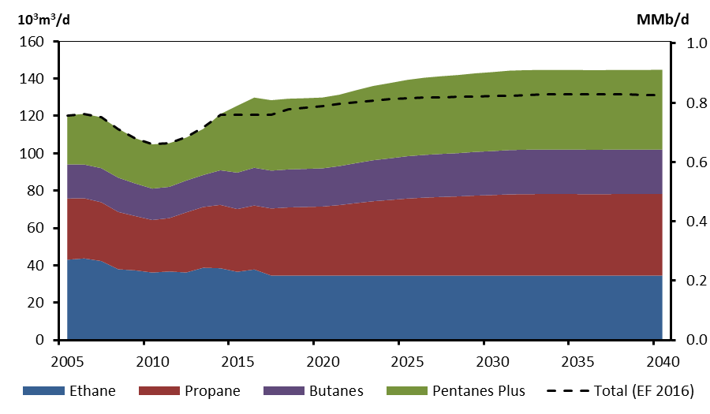
 | Ethane | Propane | Butanes | Pentanes Plus | Total (EF 2016)
2005 | 43.0 | 32.8 | 18.3 | 26.2 | 120.3
2006 | 43.7 | 32.2 | 18.1 | 27.2 | 121.2
2007 | 42.3 | 31.5 | 18.3 | 27.3 | 119.3
2008 | 37.9 | 30.7 | 18.3 | 26.2 | 113.2
2009 | 37.3 | 29.1 | 17.4 | 24.3 | 108.1
2010 | 36.2 | 28.2 | 16.8 | 23.7 | 104.8
2011 | 36.7 | 28.6 | 16.8 | 23.4 | 105.5
2012 | 36.2 | 32.2 | 17.1 | 23.0 | 108.7
2013 | 38.7 | 32.6 | 17.1 | 24.7 | 113.9
2014 | 38.5 | 34.0 | 18.5 | 30.1 | 120.6
2015 | 36.6 | 33.6 | 19.5 | 35.9 | 120.6
2016 | 37.8 | 34.3 | 20.2 | 37.6 | 120.5
2017 | 34.5 | 36.0 | 20.3 | 37.7 | 120.5
2018 | 34.5 | 36.5 | 20.4 | 37.9 | 123.6
2019 | 34.5 | 36.8 | 20.4 | 37.9 | 124.5
2020 | 34.5 | 37.0 | 20.5 | 37.9 | 125.3
2021 | 34.5 | 37.8 | 20.9 | 38.2 | 126.4
2022 | 34.5 | 38.8 | 21.4 | 39.0 | 127.5
2023 | 34.5 | 39.8 | 22.0 | 39.8 | 128.3
2024 | 34.5 | 40.5 | 22.3 | 40.3 | 128.9
2025 | 34.5 | 41.3 | 22.7 | 40.9 | 129.3
2026 | 34.5 | 41.8 | 22.9 | 41.3 | 129.8
2027 | 34.5 | 42.1 | 23.1 | 41.6 | 130.0
2028 | 34.5 | 42.4 | 23.2 | 41.9 | 130.1
2029 | 34.5 | 42.9 | 23.4 | 42.1 | 130.3
2030 | 34.5 | 43.2 | 23.6 | 42.3 | 130.6
2031 | 34.5 | 43.5 | 23.7 | 42.5 | 131.0
2032 | 34.5 | 43.6 | 23.8 | 42.6 | 131.3
2033 | 34.5 | 43.7 | 23.8 | 42.6 | 131.6
2034 | 34.5 | 43.7 | 23.8 | 42.7 | 131.6
2035 | 34.5 | 43.7 | 23.8 | 42.7 | 131.6
2036 | 34.5 | 43.6 | 23.8 | 42.6 | 131.5
2037 | 34.5 | 43.7 | 23.8 | 42.7 | 131.5
2038 | 34.5 | 43.7 | 23.8 | 42.7 | 131.4
2039 | 34.5 | 43.7 | 23.8 | 42.7 | 131.3
2040 | 34.5 | 43.7 | 23.8 | 42.8 | 131.3

3.12
Figure 3.12 - Capacity Mix by Primary Fuel, 2015 and 2040, Reference Case

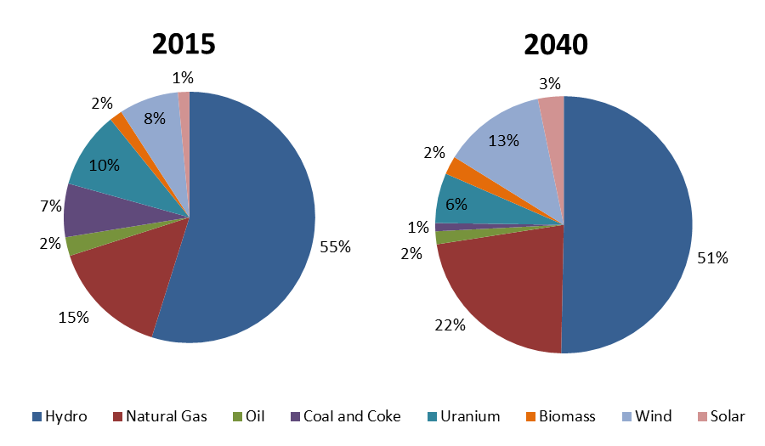
 | 2015 | 2040
Hydro | 79313 | 88825
Natural Gas | 21974 | 39255
Oil | 3498 | 2875
Coal and Coke | 9944 | 1817
Uranium | 14273 | 11105
Biomass | 2399 | 4084
Wind | 11072 | 22832
Solar | 2135 | 5717

3.13
Figure 3.13 - Non-hydro Renewable Capacity, Reference Case

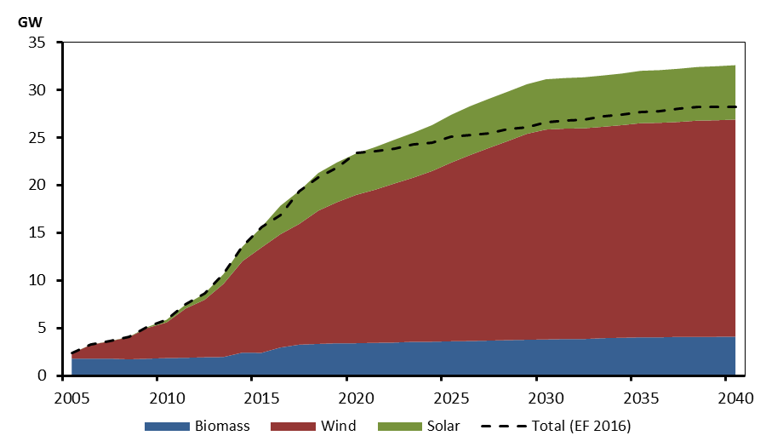
 | Biomass | Wind | Solar | Total (EF 2016)
2005 | 1.8 | 0.6 | 0.0 | 2.4
2006 | 1.8 | 1.4 | 0.0 | 3.3
2007 | 1.8 | 1.8 | 0.0 | 3.6
2008 | 1.7 | 2.3 | 0.0 | 4.1
2009 | 1.8 | 3.2 | 0.1 | 5.1
2010 | 1.9 | 3.7 | 0.3 | 5.9
2011 | 1.9 | 5.2 | 0.4 | 7.5
2012 | 1.9 | 6.0 | 0.6 | 8.6
2013 | 2.0 | 7.7 | 1.0 | 10.7
2014 | 2.4 | 9.6 | 1.5 | 13.6
2015 | 2.4 | 11.1 | 2.1 | 15.6
2016 | 3.0 | 11.9 | 3.0 | 16.9
2017 | 3.3 | 12.7 | 3.5 | 19.4
2018 | 3.3 | 14.0 | 4.0 | 20.8
2019 | 3.4 | 14.8 | 4.2 | 21.9
2020 | 3.4 | 15.6 | 4.4 | 23.4
2021 | 3.5 | 16.1 | 4.5 | 23.6
2022 | 3.5 | 16.7 | 4.6 | 23.9
2023 | 3.6 | 17.2 | 4.7 | 24.3
2024 | 3.6 | 17.9 | 4.8 | 24.5
2025 | 3.6 | 18.8 | 5.0 | 25.1
2026 | 3.6 | 19.5 | 5.1 | 25.3
2027 | 3.7 | 20.3 | 5.2 | 25.5
2028 | 3.7 | 20.9 | 5.2 | 25.9
2029 | 3.8 | 21.6 | 5.2 | 26.1
2030 | 3.8 | 22.1 | 5.3 | 26.6
2031 | 3.9 | 22.1 | 5.3 | 26.8
2032 | 3.9 | 22.1 | 5.4 | 26.9
2033 | 3.9 | 22.2 | 5.4 | 27.3
2034 | 4.0 | 22.3 | 5.4 | 27.4
2035 | 4.0 | 22.5 | 5.5 | 27.7
2036 | 4.0 | 22.5 | 5.5 | 27.8
2037 | 4.1 | 22.6 | 5.6 | 28.1
2038 | 4.1 | 22.7 | 5.6 | 28.2
2039 | 4.1 | 22.8 | 5.7 | 28.2
2040 | 4.1 | 22.8 | 5.7 | 28.2

3.14
Figure 3.14 – Generation by Fuel, Reference Case

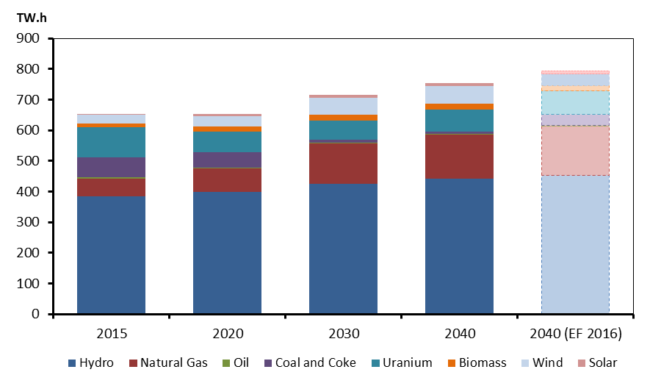
 | 2015 | 2020 | 2030 | 2040 | 2040 (EF 2016)
Hydro | 385 | 398 | 426 | 441 | 452
Natural Gas | 57 | 77 | 131 | 145 | 162
Oil | 5 | 2 | 3 | 3 | 2
Coal and Coke | 63 | 52 | 9 | 7 | 37
Uranium | 99 | 67 | 64 | 72 | 77
Biomass | 12 | 16 | 19 | 21 | 17
Wind | 29 | 35 | 55 | 57 | 37
Solar | 3 | 8 | 10 | 10 | 10

3.15
Figure 3.15 - Total Demand for Fossil Fuels, Reference Case

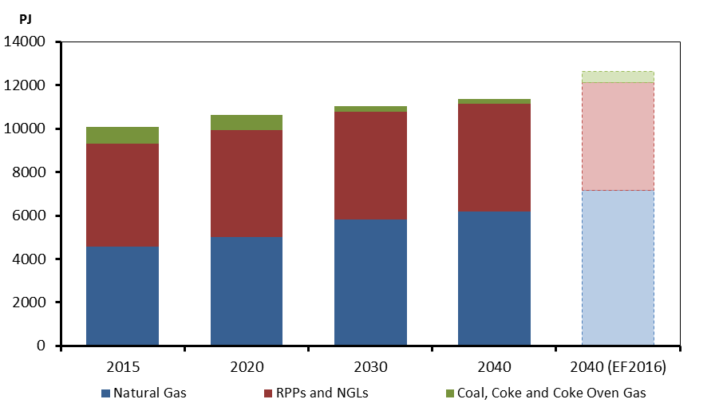
 | Natural Gas | RPPs and NGLs | Coal, Coke and Coke Oven Gas
2015 | 4562 | 4753 | 768 | 10082
2020 | 5001 | 4940 | 699 | 10640
2030 | 5816 | 4980 | 253 | 11049
2040 | 6170 | 4970 | 211 | 11350
2040 (EF2016) | 7177 | 4945 | 523 | 12645

 |  | 2005 | 2006 | 2007 | 2008 | 2009 | 2010 | 2011 | 2012 | 2013 | 2014 | 2015 | 2016 | 2017 | 2018 | 2019 | 2020 | 2021 | 2022 | 2023 | 2024 | 2025 | 2026 | 2027 | 2028 | 2029 | 2030 | 2031 | 2032 | 2033 | 2034 | 2035 | 2036 | 2037 | 2038 | 2039 | 2040
 | Natural Gas | #SUM('F:\bucom\EF Report\2016\Figures\DMD figures\[TotFuelDemand-Ref.xls]cn'!R$89:R$90) | #SUM('F:\bucom\EF Report\2016\Figures\DMD figures\[TotFuelDemand-Ref.xls]cn'!S$89:S$90) | #SUM('F:\bucom\EF Report\2016\Figures\DMD figures\[TotFuelDemand-Ref.xls]cn'!T$89:T$90) | #SUM('F:\bucom\EF Report\2016\Figures\DMD figures\[TotFuelDemand-Ref.xls]cn'!U$89:U$90) | #SUM('F:\bucom\EF Report\2016\Figures\DMD figures\[TotFuelDemand-Ref.xls]cn'!V$89:V$90) | #SUM('F:\bucom\EF Report\2016\Figures\DMD figures\[TotFuelDemand-Ref.xls]cn'!W$89:W$90) | #SUM('F:\bucom\EF Report\2016\Figures\DMD figures\[TotFuelDemand-Ref.xls]cn'!X$89:X$90) | #SUM('F:\bucom\EF Report\2016\Figures\DMD figures\[TotFuelDemand-Ref.xls]cn'!Y$89:Y$90) | #SUM('F:\bucom\EF Report\2016\Figures\DMD figures\[TotFuelDemand-Ref.xls]cn'!Z$89:Z$90) | #SUM('F:\bucom\EF Report\2016\Figures\DMD figures\[TotFuelDemand-Ref.xls]cn'!AA$89:AA$90) | #SUM('F:\bucom\EF Report\2016\Figures\DMD figures\[TotFuelDemand-Ref.xls]cn'!AB$89:AB$90) | #SUM('F:\bucom\EF Report\2016\Figures\DMD figures\[TotFuelDemand-Ref.xls]cn'!AC$89:AC$90) | #SUM('F:\bucom\EF Report\2016\Figures\DMD figures\[TotFuelDemand-Ref.xls]cn'!AD$89:AD$90) | #SUM('F:\bucom\EF Report\2016\Figures\DMD figures\[TotFuelDemand-Ref.xls]cn'!AE$89:AE$90) | #SUM('F:\bucom\EF Report\2016\Figures\DMD figures\[TotFuelDemand-Ref.xls]cn'!AF$89:AF$90) | #SUM('F:\bucom\EF Report\2016\Figures\DMD figures\[TotFuelDemand-Ref.xls]cn'!AG$89:AG$90) | #SUM('F:\bucom\EF Report\2016\Figures\DMD figures\[TotFuelDemand-Ref.xls]cn'!AH$89:AH$90) | #SUM('F:\bucom\EF Report\2016\Figures\DMD figures\[TotFuelDemand-Ref.xls]cn'!AI$89:AI$90) | #SUM('F:\bucom\EF Report\2016\Figures\DMD figures\[TotFuelDemand-Ref.xls]cn'!AJ$89:AJ$90) | #SUM('F:\bucom\EF Report\2016\Figures\DMD figures\[TotFuelDemand-Ref.xls]cn'!AK$89:AK$90) | #SUM('F:\bucom\EF Report\2016\Figures\DMD figures\[TotFuelDemand-Ref.xls]cn'!AL$89:AL$90) | #SUM('F:\bucom\EF Report\2016\Figures\DMD figures\[TotFuelDemand-Ref.xls]cn'!AM$89:AM$90) | #SUM('F:\bucom\EF Report\2016\Figures\DMD figures\[TotFuelDemand-Ref.xls]cn'!AN$89:AN$90) | #SUM('F:\bucom\EF Report\2016\Figures\DMD figures\[TotFuelDemand-Ref.xls]cn'!AO$89:AO$90) | #SUM('F:\bucom\EF Report\2016\Figures\DMD figures\[TotFuelDemand-Ref.xls]cn'!AP$89:AP$90) | #SUM('F:\bucom\EF Report\2016\Figures\DMD figures\[TotFuelDemand-Ref.xls]cn'!AQ$89:AQ$90) | #SUM('F:\bucom\EF Report\2016\Figures\DMD figures\[TotFuelDemand-Ref.xls]cn'!AR$89:AR$90) | #SUM('F:\bucom\EF Report\2016\Figures\DMD figures\[TotFuelDemand-Ref.xls]cn'!AS$89:AS$90) | #SUM('F:\bucom\EF Report\2016\Figures\DMD figures\[TotFuelDemand-Ref.xls]cn'!AT$89:AT$90) | #SUM('F:\bucom\EF Report\2016\Figures\DMD figures\[TotFuelDemand-Ref.xls]cn'!AU$89:AU$90) | #SUM('F:\bucom\EF Report\2016\Figures\DMD figures\[TotFuelDemand-Ref.xls]cn'!AV$89:AV$90) | #SUM('F:\bucom\EF Report\2016\Figures\DMD figures\[TotFuelDemand-Ref.xls]cn'!AW$89:AW$90) | #SUM('F:\bucom\EF Report\2016\Figures\DMD figures\[TotFuelDemand-Ref.xls]cn'!AX$89:AX$90) | #SUM('F:\bucom\EF Report\2016\Figures\DMD figures\[TotFuelDemand-Ref.xls]cn'!AY$89:AY$90) | #SUM('F:\bucom\EF Report\2016\Figures\DMD figures\[TotFuelDemand-Ref.xls]cn'!AZ$89:AZ$90) | #SUM('F:\bucom\EF Report\2016\Figures\DMD figures\[TotFuelDemand-Ref.xls]cn'!BA$89:BA$90)
...

3.16
Figure 3.16 - Estimated Weighted-Average Fossil Fuel Emission Intensity, Reference Case

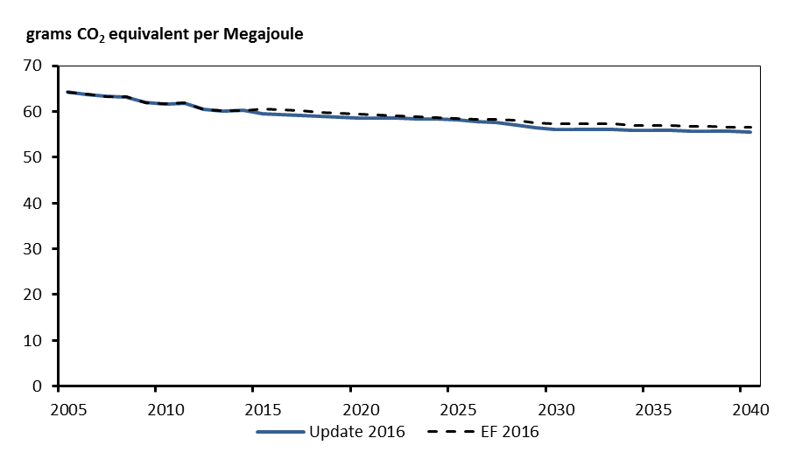
 | Update 2016 | EF 2016
2005 | 64.22 | 64.22
2006 | 63.71 | 63.71
2007 | 63.26 | 63.26
2008 | 63.13 | 63.13
2009 | 61.95 | 61.95
2010 | 61.66 | 61.66
2011 | 61.83 | 61.83
2012 | 60.39 | 60.39
2013 | 60.15 | 60.15
2014 | 60.18 | 60.18
2015 | 59.47 | 60.513905821
2016 | 59.38 | 60.316735567
2017 | 59.14 | 60.158950958
2018 | 58.99 | 59.693690055
2019 | 58.80 | 59.683729382
2020 | 58.62 | 59.473288527
2021 | 58.60 | 59.224282548
2022 | 58.45 | 59.057784443
2023 | 58.37 | 58.791200066
2024 | 58.32 | 58.631975607
2025 | 58.19 | 58.493631893
2026 | 57.84 | 58.321050109
2027 | 57.53 | 58.186710056
2028 | 57.03 | 58.09303938
2029 | 56.44 | 57.42648868
2030 | 56.14 | 57.318805716
2031 | 56.07 | 57.285897619
2032 | 56.02 | 57.270047079
...

