Fig A.1
AB Oil Sands Production
EF2017 Supplement: Oil Sands Production - Appendix
Figure A.1 - Oil Sands Production Categories

Raw Bitumen Production
Synthetic Oil Production

In Situ
Mining
Primary
Mining and Upgrading
Stand-Alone Upgrading
Off Gas Refining

Athabasca
Athabasca
Athabasca
Athabasca
Athabasca

Athabasca
Cold Lake
Peace River
Cold Lake

CSS
CSS
CSS
Peace River

SAGD
SAGD
SAGD
EOR
EOR

Experimental

Fig A1.2
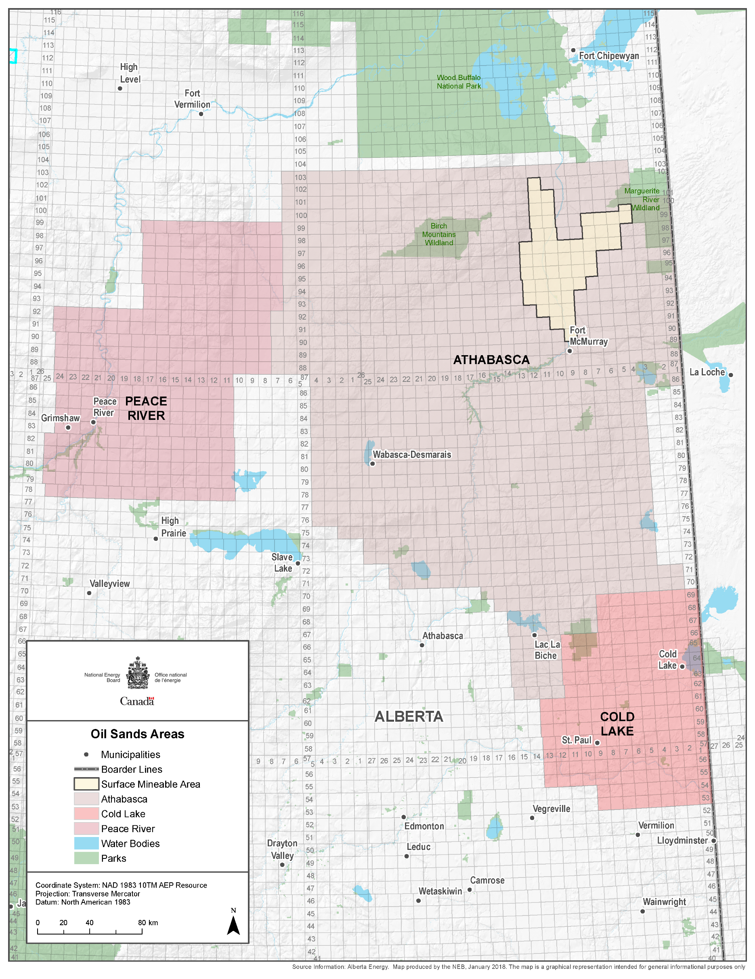
EF2017 Supplement: Oil Sands Production - Appendix
Figure A1.1 - Oil Sands Areas Map

